KEAP1 _multivariate
Reported by Tex Li-Hsing Chi. tex@gate.sinica.edu.tw 2019-08-18

Table 2. The clinicopathological features of HNSCC cohort and KEAP1 expression. (Chi square test)
Cutoff at -0.595 (31.2%)
 |  | KEAP1 expression |  | KEAP1 expression |  | (Optimised)
 | Features | Low | (%) | High | (%) | Case no | P-value | Remark | Matthews
Gender | Female | 91 | 21.9 | 215 | 51.8 | 415 | 0.2949 | 0 | 0
2 | Male | 39 | 9.4 | 70 | 16.9
Age at diagnosis | <=65y | 82 | 19.8 | 192 | 46.3 | 415 | 0.4566 | 0 | 0
4 | >65y | 48 | 11.6 | 93 | 22.4
Clinical T Status | T1+T2 | 45 | 10.8 | 104 | 25.1 | 415 | 0.7955 | 0 | 0
6 | T3+T4 | 85 | 20.5 | 181 | 43.6
Clinical N Status | N0 | 59 | 14.2 | 157 | 37.8 | 415 | 0.0838 | 0 | 0
8 | N1-3 | 71 | 17.1 | 128 | 30.8
Clinical M Status | M0 | 129 | 31.1 | 283 | 68.2 | 415 | 1 | 0 | 0
10 | M1 | 1 | 0.2 | 2 | 0.5
Clinical Stage | Stage I+II | 34 | 8.2 | 68 | 16.4 | 415 | 0.7035 | 0 | 0
12 | Stage III+IV | 96 | 23.1 | 217 | 52.3
Surgical Margin status | Negative | 100 | 24.1 | 218 | 52.5 | 415 | 1 | 0 | 0
14 | Positive | 30 | 7.2 | 67 | 16.1
Tobacco Exposure | Low | 57 | 13.7 | 104 | 25.1 | 415 | 0.1596 | 0 | 0
16 | High | 73 | 17.6 | 181 | 43.6

Table 3. Univariate/Multivariate Cox's proportional hazards regression analyses on OS time of KEAP1 gene expression in HNSCC

 |  | Univariate |  |  |  | Multivariate
 | Features | HR | CI95%(L) | CI95%(H) | P-value | HR | CI95%(L) | CI95%(H) | P-value
1 | Female | 1 |  |  |  | 1
Gender | Male | 1.157 | 0.843 | 1.587 | 0.367 | 1.176 | 0.843 | 1.641 | 0.34
11 | <=65y | 1 |  |  |  | 1
Age at diagnosis | >65y | 1.329 | 0.99 | 1.784 | 0.058 | 1.378 | 1.014 | 1.872 | 0.04
12 | T1+T2 | 1 |  |  |  | 1
Clinical T Status | T3+T4 | 1.409 | 1.028 | 1.931 | 0.033 | 2.076 | 1.096 | 3.935 | 0.025
13 | N0 | 1 |  |  |  | 1
Clinical N Status | N1-3 | 1.185 | 0.89 | 1.577 | 0.246 | 1.159 | 0.81 | 1.659 | 0.419
14 | M0 | 1 |  |  |  | 1
Clinical M Status | M1 | 4.097 | 1.009 | 16.644 | 0.049 | 8.728 | 1.9 | 40.094 | 0.005
15 | Stage I+II | 1 |  |  |  | 1
Clinical Stage | Stage III+IV | 1.245 | 0.882 | 1.759 | 0.213 | 0.571 | 0.265 | 1.232 | 0.153
16 | Negative | 1 |  |  |  | 1
Surgical Margin status | Positive | 1.591 | 1.155 | 2.191 | 0.004 | 1.729 | 1.249 | 2.394 | 0.001
17 | Low | 1 |  |  |  | 1
Tobacco Exposure | High | 1.364 | 1.008 | 1.844 | 0.044 | 1.516 | 1.099 | 2.091 | 0.011
18 | Low | 1 |  |  |  | 1
RNAseq(z-score) | High | 0.677 | 0.499 | 0.918 | 0.012 | 0.648 | 0.473 | 0.887 | 0.007

Table 4. Univariate/Multivariate Cox's proportional hazards regression analyses on RFS time of KEAP1 gene expression in HNSCC

 |  | Univariate |  |  |  | Multivariate
 | Features | HR | CI95%(L) | CI95%(H) | P-value | HR | CI95%(L) | CI95%(H) | P-value
1 | Female | 1 |  |  |  | 1
Gender | Male | 1.157 | 0.843 | 1.587 | 0.367 | 1.176 | 0.843 | 1.641 | 0.34
11 | <=65y | 1 |  |  |  | 1
Age at diagnosis | >65y | 1.329 | 0.99 | 1.784 | 0.058 | 1.378 | 1.014 | 1.872 | 0.04
12 | T1+T2 | 1 |  |  |  | 1
Clinical T Status | T3+T4 | 1.409 | 1.028 | 1.931 | 0.033 | 2.076 | 1.096 | 3.935 | 0.025
13 | N0 | 1 |  |  |  | 1
Clinical N Status | N1-3 | 1.185 | 0.89 | 1.577 | 0.246 | 1.159 | 0.81 | 1.659 | 0.419
14 | M0 | 1 |  |  |  | 1
Clinical M Status | M1 | 4.097 | 1.009 | 16.644 | 0.049 | 8.728 | 1.9 | 40.094 | 0.005
15 | Stage I+II | 1 |  |  |  | 1
Clinical Stage | Stage III+IV | 1.245 | 0.882 | 1.759 | 0.213 | 0.571 | 0.265 | 1.232 | 0.153
16 | Negative | 1 |  |  |  | 1
Surgical Margin status | Positive | 1.591 | 1.155 | 2.191 | 0.004 | 1.729 | 1.249 | 2.394 | 0.001
17 | Low | 1 |  |  |  | 1
Tobacco Exposure | High | 1.364 | 1.008 | 1.844 | 0.044 | 1.516 | 1.099 | 2.091 | 0.011
18 | Low | 1 |  |  |  | 1
RNAseq(z-score) | High | 0.677 | 0.499 | 0.918 | 0.012 | 0.648 | 0.473 | 0.887 | 0.007

Kaplan-Meier survival estimate: Cutoff at -0.595 (31.2%)

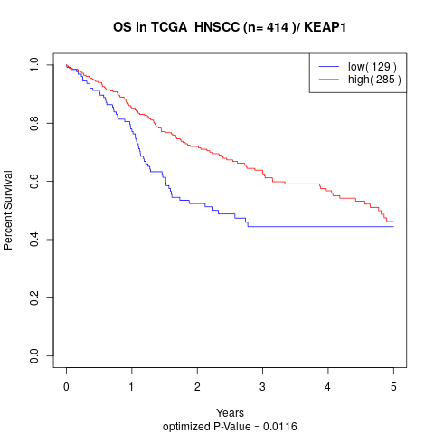

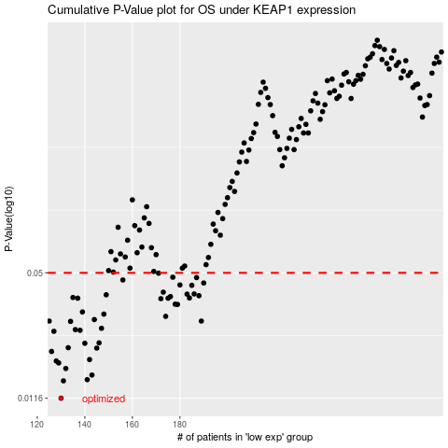

 |  |  |  |  |  | cases_OS | p_OS | rank | exp
 |  |  |  |  |  | 130 | 0.0116 | 376 | -0.59518417192
 |  |  |  |  |  | 131 | 0.0142 | 346 | -0.5929812726
 |  |  |  |  |  | 141 | 0.0144 | 134 | -0.56611201184
 |  |  |  |  |  | 143 | 0.0152 | 230 | -0.55301860908
 |  |  |  |  |  | 132 | 0.0164 | 170 | -0.59117795063
 |  |  |  |  |  | 129 | 0.0175 | 213 | -0.59764284411
 |  |  |  |  |  | 128 | 0.0179 | 212 | -0.59836847028
 |  |  |  |  |  | 142 | 0.0182 | 273 | -0.55882726526
 |  |  |  |  |  | 126 | 0.02 | 167 | -0.60611370659
 |  |  |  |  |  | 145 | 0.0208 | 304 | -0.5516416738
 |  |  |  |  |  | 133 | 0.0209 | 262 | -0.5841199992
 |  |  |  |  |  | 140 | 0.022 | 394 | -0.56690712543
 |  |  |  |  |  | 146 | 0.0221 | 53 | -0.55160747219
 |  |  |  |  |  | 127 | 0.0253 | 69 | -0.60306907303
 |  |  |  |  |  | 138 | 0.0256 | 288 | -0.56726175772
 |  |  |  |  |  | 136 | 0.0258 | 195 | -0.57421887846
 |  |  |  |  |  | 147 | 0.0262 | 16 | -0.54995899384
 |  |  |  |  |  | 134 | 0.0284 | 121 | -0.57974120701
 |  |  |  |  |  | 125 | 0.0285 | 67 | -0.60995374943
 |  |  |  |  |  | 189 | 0.0285 | 183 | -0.39026554892
 |  |  |  |  |  | 144 | 0.029 | 88 | -0.55209398275
 |  |  |  |  |  | 174 | 0.0301 | 89 | -0.43799739973
 |  |  |  |  |  | 148 | 0.0309 | 350 | -0.53353384139
 |  |  |  |  |  | 139 | 0.0317 | 214 | -0.56722814749
 |  |  |  |  |  | 179 | 0.0346 | 116 | -0.41353013702
 |  |  |  |  |  | 178 | 0.0347 | 228 | -0.41448186838
 |  |  |  |  |  | 172 | 0.037 | 146 | -0.44357935934
 |  |  |  |  |  | 175 | 0.0372 | 13 | -0.43554503562
 |  |  |  |  |  | 137 | 0.0372 | 289 | -0.5687786535
 |  |  |  |  |  | 184 | 0.0373 | 11 | -0.40635942868
 |  |  |  |  |  | 135 | 0.0375 | 389 | -0.57960134509
 |  |  |  |  |  | 176 | 0.0379 | 128 | -0.43154492528
 |  |  |  |  |  | 188 | 0.0383 | 97 | -0.39153613394
 |  |  |  |  |  | 149 | 0.0387 | 109 | -0.53331512847
 |  |  |  |  |  | 183 | 0.039 | 218 | -0.40673229527
 |  |  |  |  |  | 186 | 0.0391 | 392 | -0.40182924262
 |  |  |  |  |  | 173 | 0.0399 | 302 | -0.44180895766
 |  |  |  |  |  | 185 | 0.0432 | 211 | -0.40286682298
 |  |  |  |  |  | 180 | 0.0434 | 135 | -0.41206892975
 |  |  |  |  |  | 190 | 0.0444 | 192 | -0.38934269673
 |  |  |  |  |  | 156 | 0.046 | 193 | -0.51467367203
 |  |  |  |  |  | 187 | 0.0473 | 107 | -0.39775373103
 |  |  |  |  |  | 177 | 0.0475 | 148 | -0.43001176649
 |  |  |  |  |  | 171 | 0.0498 | 68 | -0.44847915938
 |  |  |  |  |  |  | cases_RFS | p_RFS | rank | exp
 |  |  |  |  |  |  | 129 | 0.0116 | 213 | -0.59764284411
 |  |  |  |  |  |  | 130 | 0.0142 | 376 | -0.59518417192
 |  |  |  |  |  |  | 140 | 0.0144 | 394 | -0.56690712543
 |  |  |  |  |  |  | 142 | 0.0152 | 273 | -0.55882726526
 |  |  |  |  |  |  | 131 | 0.0164 | 346 | -0.5929812726
 |  |  |  |  |  |  | 128 | 0.0175 | 212 | -0.59836847028
 |  |  |  |  |  |  | 127 | 0.0179 | 69 | -0.60306907303
 |  |  |  |  |  |  | 141 | 0.0182 | 134 | -0.56611201184
 |  |  |  |  |  |  | 125 | 0.02 | 67 | -0.60995374943
 |  |  |  |  |  |  | 144 | 0.0208 | 88 | -0.55209398275
 |  |  |  |  |  |  | 132 | 0.0209 | 170 | -0.59117795063
 |  |  |  |  |  |  | 139 | 0.022 | 214 | -0.56722814749
 |  |  |  |  |  |  | 145 | 0.0221 | 304 | -0.5516416738
 |  |  |  |  |  |  | 126 | 0.0253 | 167 | -0.60611370659
 |  |  |  |  |  |  | 137 | 0.0256 | 289 | -0.5687786535
 |  |  |  |  |  |  | 135 | 0.0258 | 389 | -0.57960134509
 |  |  |  |  |  |  | 146 | 0.0262 | 53 | -0.55160747219
 |  |  |  |  |  |  | 133 | 0.0284 | 262 | -0.5841199992
 |  |  |  |  |  |  | 188 | 0.0285 | 97 | -0.39153613394
 |  |  |  |  |  |  |  | 0.0285 | 165 | -0.61242809326
 |  |  |  |  |  |  | 143 | 0.029 | 230 | -0.55301860908
 |  |  |  |  |  |  | 173 | 0.0301 | 302 | -0.44180895766
 |  |  |  |  |  |  | 147 | 0.0309 | 16 | -0.54995899384
 |  |  |  |  |  |  | 138 | 0.0317 | 288 | -0.56726175772
 |  |  |  |  |  |  | 178 | 0.0346 | 228 | -0.41448186838
 |  |  |  |  |  |  | 177 | 0.0347 | 148 | -0.43001176649
 |  |  |  |  |  |  | 171 | 0.037 | 68 | -0.44847915938
 |  |  |  |  |  |  | 174 | 0.0372 | 89 | -0.43799739973
 |  |  |  |  |  |  | 136 | 0.0372 | 195 | -0.57421887846
 |  |  |  |  |  |  | 183 | 0.0373 | 218 | -0.40673229527
 |  |  |  |  |  |  | 134 | 0.0375 | 121 | -0.57974120701
 |  |  |  |  |  |  | 175 | 0.0379 | 13 | -0.43554503562
 |  |  |  |  |  |  | 187 | 0.0383 | 107 | -0.39775373103
 |  |  |  |  |  |  | 148 | 0.0387 | 350 | -0.53353384139
 |  |  |  |  |  |  | 182 | 0.039 | 264 | -0.40870140142
 |  |  |  |  |  |  | 185 | 0.0391 | 211 | -0.40286682298
 |  |  |  |  |  |  | 172 | 0.0399 | 146 | -0.44357935934
 |  |  |  |  |  |  | 184 | 0.0432 | 11 | -0.40635942868
 |  |  |  |  |  |  | 179 | 0.0434 | 116 | -0.41353013702
 |  |  |  |  |  |  | 189 | 0.0444 | 183 | -0.39026554892
 |  |  |  |  |  |  | 155 | 0.046 | 296 | -0.51810851939
 |  |  |  |  |  |  | 186 | 0.0473 | 392 | -0.40182924262
 |  |  |  |  |  |  | 176 | 0.0475 | 128 | -0.43154492528
 |  |  |  |  |  |  | 170 | 0.0498 | 260 | -0.45039701241

