KEL _multivariate
Reported by Tex Li-Hsing Chi. tex@gate.sinica.edu.tw 2019-08-18

Table 2. The clinicopathological features of HNSCC cohort and KEL expression. (Chi square test)
Cutoff at -0.193 (49.8%)
 |  | KEL expression |  | KEL expression |  | (Optimised)
 | Features | Low | (%) | High | (%) | Case no | P-value | Remark | Matthews
Gender | Female | 150 | 36.1 | 156 | 37.6 | 415 | 0.6344 | 0 | 0
2 | Male | 57 | 13.7 | 52 | 12.5
Age at diagnosis | <=65y | 138 | 33.3 | 136 | 32.8 | 415 | 0.8634 | 0 | 0
4 | >65y | 69 | 16.6 | 72 | 17.3
Clinical T Status | T1+T2 | 68 | 16.4 | 81 | 19.5 | 415 | 0.2336 | 0 | 0
6 | T3+T4 | 139 | 33.5 | 127 | 30.6
Clinical N Status | N0 | 104 | 25.1 | 112 | 27 | 415 | 0.5243 | 0 | 0
8 | N1-3 | 103 | 24.8 | 96 | 23.1
Clinical M Status | M0 | 205 | 49.4 | 207 | 49.9 | 415 | 0.6232 | 0 | 0
10 | M1 | 2 | 0.5 | 1 | 0.2
Clinical Stage | Stage I+II | 49 | 11.8 | 53 | 12.8 | 415 | 0.7535 | 0 | 0
12 | Stage III+IV | 158 | 38.1 | 155 | 37.3
Surgical Margin status | Negative | 162 | 39 | 156 | 37.6 | 415 | 0.4867 | 0 | 0
14 | Positive | 45 | 10.8 | 52 | 12.5
Tobacco Exposure | Low | 79 | 19 | 82 | 19.8 | 415 | 0.8405 | 0 | 0
16 | High | 128 | 30.8 | 126 | 30.4

Table 3. Univariate/Multivariate Cox's proportional hazards regression analyses on OS time of KEL gene expression in HNSCC

 |  | Univariate |  |  |  | Multivariate
 | Features | HR | CI95%(L) | CI95%(H) | P-value | HR | CI95%(L) | CI95%(H) | P-value
1 | Female | 1 |  |  |  | 1
Gender | Male | 1.157 | 0.843 | 1.587 | 0.367 | 1.194 | 0.854 | 1.67 | 0.3
11 | <=65y | 1 |  |  |  | 1
Age at diagnosis | >65y | 1.329 | 0.99 | 1.784 | 0.058 | 1.393 | 1.024 | 1.895 | 0.035
12 | T1+T2 | 1 |  |  |  | 1
Clinical T Status | T3+T4 | 1.409 | 1.028 | 1.931 | 0.033 | 2.18 | 1.152 | 4.125 | 0.017
13 | N0 | 1 |  |  |  | 1
Clinical N Status | N1-3 | 1.185 | 0.89 | 1.577 | 0.246 | 1.241 | 0.87 | 1.77 | 0.234
14 | M0 | 1 |  |  |  | 1
Clinical M Status | M1 | 4.097 | 1.009 | 16.644 | 0.049 | 9.077 | 1.972 | 41.779 | 0.005
15 | Stage I+II | 1 |  |  |  | 1
Clinical Stage | Stage III+IV | 1.245 | 0.882 | 1.759 | 0.213 | 0.508 | 0.237 | 1.092 | 0.083
16 | Negative | 1 |  |  |  | 1
Surgical Margin status | Positive | 1.591 | 1.155 | 2.191 | 0.004 | 1.684 | 1.218 | 2.33 | 0.002
17 | Low | 1 |  |  |  | 1
Tobacco Exposure | High | 1.364 | 1.008 | 1.844 | 0.044 | 1.459 | 1.058 | 2.013 | 0.021
18 | Low | 1 |  |  |  | 1
RNAseq(z-score) | High | 0.907 | 0.681 | 1.208 | 0.503 | 0.913 | 0.683 | 1.219 | 0.536

Table 4. Univariate/Multivariate Cox's proportional hazards regression analyses on RFS time of KEL gene expression in HNSCC

 |  | Univariate |  |  |  | Multivariate
 | Features | HR | CI95%(L) | CI95%(H) | P-value | HR | CI95%(L) | CI95%(H) | P-value
1 | Female | 1 |  |  |  | 1
Gender | Male | 1.157 | 0.843 | 1.587 | 0.367 | 1.194 | 0.854 | 1.67 | 0.3
11 | <=65y | 1 |  |  |  | 1
Age at diagnosis | >65y | 1.329 | 0.99 | 1.784 | 0.058 | 1.393 | 1.024 | 1.895 | 0.035
12 | T1+T2 | 1 |  |  |  | 1
Clinical T Status | T3+T4 | 1.409 | 1.028 | 1.931 | 0.033 | 2.18 | 1.152 | 4.125 | 0.017
13 | N0 | 1 |  |  |  | 1
Clinical N Status | N1-3 | 1.185 | 0.89 | 1.577 | 0.246 | 1.241 | 0.87 | 1.77 | 0.234
14 | M0 | 1 |  |  |  | 1
Clinical M Status | M1 | 4.097 | 1.009 | 16.644 | 0.049 | 9.077 | 1.972 | 41.779 | 0.005
15 | Stage I+II | 1 |  |  |  | 1
Clinical Stage | Stage III+IV | 1.245 | 0.882 | 1.759 | 0.213 | 0.508 | 0.237 | 1.092 | 0.083
16 | Negative | 1 |  |  |  | 1
Surgical Margin status | Positive | 1.591 | 1.155 | 2.191 | 0.004 | 1.684 | 1.218 | 2.33 | 0.002
17 | Low | 1 |  |  |  | 1
Tobacco Exposure | High | 1.364 | 1.008 | 1.844 | 0.044 | 1.459 | 1.058 | 2.013 | 0.021
18 | Low | 1 |  |  |  | 1
RNAseq(z-score) | High | 0.907 | 0.681 | 1.208 | 0.503 | 0.913 | 0.683 | 1.219 | 0.536

Kaplan-Meier survival estimate: Cutoff at -0.193 (49.8%)

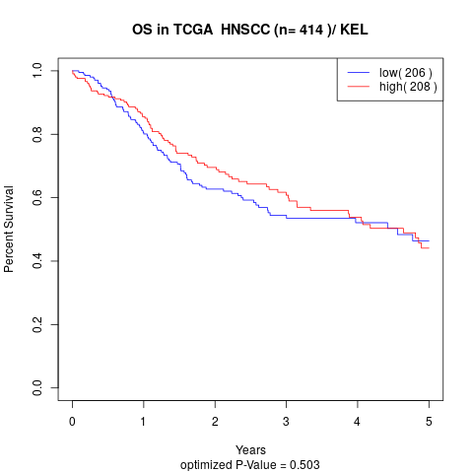

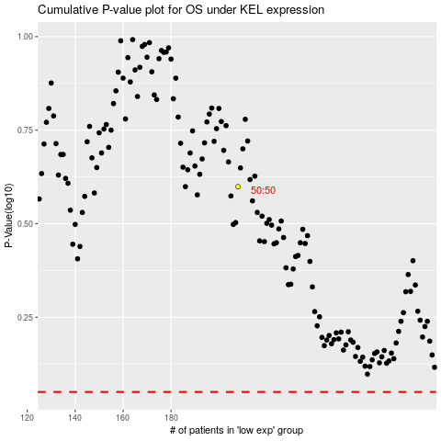

 |  |  |  |  |  | cases_OS | p_OS | rank | exp
 |  |  |  |  |  |  | cases_RFS | p_RFS | rank | exp

