KGFLP1 _multivariate
Reported by Tex Li-Hsing Chi. tex@gate.sinica.edu.tw 2019-08-18

Table 2. The clinicopathological features of HNSCC cohort and KGFLP1 expression. (Chi square test)
Cutoff at -0.361 (49.8%)
 |  | KGFLP1 expression |  | KGFLP1 expression |  | (Optimised)
 | Features | Low | (%) | High | (%) | Case no | P-value | Remark | Matthews
Gender | Female | 149 | 35.9 | 157 | 37.8 | 415 | 0.4848 | 0 | 0
2 | Male | 58 | 14 | 51 | 12.3
Age at diagnosis | <=65y | 131 | 31.6 | 143 | 34.5 | 415 | 0.2839 | 0 | 0
4 | >65y | 76 | 18.3 | 65 | 15.7
Clinical T Status | T1+T2 | 72 | 17.3 | 77 | 18.6 | 415 | 0.7095 | 0 | 0
6 | T3+T4 | 135 | 32.5 | 131 | 31.6
Clinical N Status | N0 | 102 | 24.6 | 114 | 27.5 | 415 | 0.3031 | 0 | 0
8 | N1-3 | 105 | 25.3 | 94 | 22.7
Clinical M Status | M0 | 207 | 49.9 | 205 | 49.4 | 415 | 0.2482 | 0 | 0
10 | M1 | 0 | 0 | 3 | 0.7
Clinical Stage | Stage I+II | 51 | 12.3 | 51 | 12.3 | 415 | 1 | 0 | 0
12 | Stage III+IV | 156 | 37.6 | 157 | 37.8
Surgical Margin status | Negative | 162 | 39 | 156 | 37.6 | 415 | 0.4867 | 0 | 0
14 | Positive | 45 | 10.8 | 52 | 12.5
Tobacco Exposure | Low | 74 | 17.8 | 87 | 21 | 415 | 0.227 | 0 | 0
16 | High | 133 | 32 | 121 | 29.2

Table 3. Univariate/Multivariate Cox's proportional hazards regression analyses on OS time of KGFLP1 gene expression in HNSCC

 |  | Univariate |  |  |  | Multivariate
 | Features | HR | CI95%(L) | CI95%(H) | P-value | HR | CI95%(L) | CI95%(H) | P-value
1 | Female | 1 |  |  |  | 1
Gender | Male | 1.157 | 0.843 | 1.587 | 0.367 | 1.208 | 0.863 | 1.691 | 0.271
11 | <=65y | 1 |  |  |  | 1
Age at diagnosis | >65y | 1.329 | 0.99 | 1.784 | 0.058 | 1.396 | 1.026 | 1.899 | 0.034
12 | T1+T2 | 1 |  |  |  | 1
Clinical T Status | T3+T4 | 1.409 | 1.028 | 1.931 | 0.033 | 2.222 | 1.172 | 4.212 | 0.014
13 | N0 | 1 |  |  |  | 1
Clinical N Status | N1-3 | 1.185 | 0.89 | 1.577 | 0.246 | 1.25 | 0.873 | 1.789 | 0.223
14 | M0 | 1 |  |  |  | 1
Clinical M Status | M1 | 4.097 | 1.009 | 16.644 | 0.049 | 9.263 | 2.014 | 42.614 | 0.004
15 | Stage I+II | 1 |  |  |  | 1
Clinical Stage | Stage III+IV | 1.245 | 0.882 | 1.759 | 0.213 | 0.5 | 0.232 | 1.076 | 0.076
16 | Negative | 1 |  |  |  | 1
Surgical Margin status | Positive | 1.591 | 1.155 | 2.191 | 0.004 | 1.664 | 1.203 | 2.303 | 0.002
17 | Low | 1 |  |  |  | 1
Tobacco Exposure | High | 1.364 | 1.008 | 1.844 | 0.044 | 1.456 | 1.057 | 2.007 | 0.022
18 | Low | 1 |  |  |  | 1
RNAseq(z-score) | High | 1.006 | 0.755 | 1.34 | 0.969 | 1.044 | 0.777 | 1.404 | 0.774

Table 4. Univariate/Multivariate Cox's proportional hazards regression analyses on RFS time of KGFLP1 gene expression in HNSCC

 |  | Univariate |  |  |  | Multivariate
 | Features | HR | CI95%(L) | CI95%(H) | P-value | HR | CI95%(L) | CI95%(H) | P-value
1 | Female | 1 |  |  |  | 1
Gender | Male | 1.157 | 0.843 | 1.587 | 0.367 | 1.208 | 0.863 | 1.691 | 0.271
11 | <=65y | 1 |  |  |  | 1
Age at diagnosis | >65y | 1.329 | 0.99 | 1.784 | 0.058 | 1.396 | 1.026 | 1.899 | 0.034
12 | T1+T2 | 1 |  |  |  | 1
Clinical T Status | T3+T4 | 1.409 | 1.028 | 1.931 | 0.033 | 2.222 | 1.172 | 4.212 | 0.014
13 | N0 | 1 |  |  |  | 1
Clinical N Status | N1-3 | 1.185 | 0.89 | 1.577 | 0.246 | 1.25 | 0.873 | 1.789 | 0.223
14 | M0 | 1 |  |  |  | 1
Clinical M Status | M1 | 4.097 | 1.009 | 16.644 | 0.049 | 9.263 | 2.014 | 42.614 | 0.004
15 | Stage I+II | 1 |  |  |  | 1
Clinical Stage | Stage III+IV | 1.245 | 0.882 | 1.759 | 0.213 | 0.5 | 0.232 | 1.076 | 0.076
16 | Negative | 1 |  |  |  | 1
Surgical Margin status | Positive | 1.591 | 1.155 | 2.191 | 0.004 | 1.664 | 1.203 | 2.303 | 0.002
17 | Low | 1 |  |  |  | 1
Tobacco Exposure | High | 1.364 | 1.008 | 1.844 | 0.044 | 1.456 | 1.057 | 2.007 | 0.022
18 | Low | 1 |  |  |  | 1
RNAseq(z-score) | High | 1.006 | 0.755 | 1.34 | 0.969 | 1.044 | 0.777 | 1.404 | 0.774

Kaplan-Meier survival estimate: Cutoff at -0.361 (49.8%)



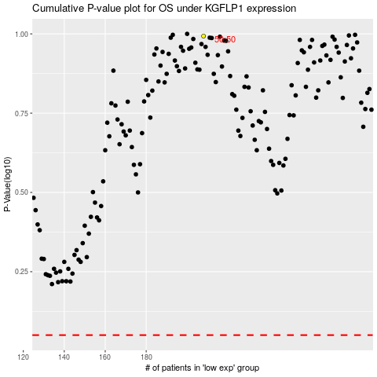

 |  |  |  |  |  | cases_OS | p_OS | rank | exp
 |  |  |  |  |  |  | cases_RFS | p_RFS | rank | exp

