KGFLP2 _multivariate
Reported by Tex Li-Hsing Chi. tex@gate.sinica.edu.tw 2019-08-18

Table 2. The clinicopathological features of HNSCC cohort and KGFLP2 expression. (Chi square test)
Cutoff at -0.308 (50.0%)
 |  | KGFLP2 expression |  | KGFLP2 expression |  | (Optimised)
 | Features | Low | (%) | High | (%) | Case no | P-value | Remark | Matthews
Gender | Female | 163 | 39.3 | 143 | 34.5 | 415 | 0.0277 | 1 | 0
2 | Male | 44 | 10.6 | 65 | 15.7
Age at diagnosis | <=65y | 133 | 32 | 141 | 34 | 415 | 0.5111 | 0 | 0
4 | >65y | 74 | 17.8 | 67 | 16.1
Clinical T Status | T1+T2 | 68 | 16.4 | 81 | 19.5 | 415 | 0.2336 | 0 | 0
6 | T3+T4 | 139 | 33.5 | 127 | 30.6
Clinical N Status | N0 | 108 | 26 | 108 | 26 | 415 | 1 | 0 | 0
8 | N1-3 | 99 | 23.9 | 100 | 24.1
Clinical M Status | M0 | 207 | 49.9 | 205 | 49.4 | 415 | 0.2482 | 0 | 0
10 | M1 | 0 | 0 | 3 | 0.7
Clinical Stage | Stage I+II | 49 | 11.8 | 53 | 12.8 | 415 | 0.7535 | 0 | 0
12 | Stage III+IV | 158 | 38.1 | 155 | 37.3
Surgical Margin status | Negative | 161 | 38.8 | 157 | 37.8 | 415 | 0.6429 | 0 | 0
14 | Positive | 46 | 11.1 | 51 | 12.3
Tobacco Exposure | Low | 73 | 17.6 | 88 | 21.2 | 415 | 0.1587 | 0 | 0
16 | High | 134 | 32.3 | 120 | 28.9

Table 3. Univariate/Multivariate Cox's proportional hazards regression analyses on OS time of KGFLP2 gene expression in HNSCC

 |  | Univariate |  |  |  | Multivariate
 | Features | HR | CI95%(L) | CI95%(H) | P-value | HR | CI95%(L) | CI95%(H) | P-value
1 | Female | 1 |  |  |  | 1
Gender | Male | 1.157 | 0.843 | 1.587 | 0.367 | 1.193 | 0.853 | 1.669 | 0.301
11 | <=65y | 1 |  |  |  | 1
Age at diagnosis | >65y | 1.329 | 0.99 | 1.784 | 0.058 | 1.394 | 1.026 | 1.895 | 0.034
12 | T1+T2 | 1 |  |  |  | 1
Clinical T Status | T3+T4 | 1.409 | 1.028 | 1.931 | 0.033 | 2.221 | 1.173 | 4.205 | 0.014
13 | N0 | 1 |  |  |  | 1
Clinical N Status | N1-3 | 1.185 | 0.89 | 1.577 | 0.246 | 1.242 | 0.87 | 1.771 | 0.233
14 | M0 | 1 |  |  |  | 1
Clinical M Status | M1 | 4.097 | 1.009 | 16.644 | 0.049 | 9.146 | 1.985 | 42.134 | 0.005
15 | Stage I+II | 1 |  |  |  | 1
Clinical Stage | Stage III+IV | 1.245 | 0.882 | 1.759 | 0.213 | 0.501 | 0.233 | 1.077 | 0.077
16 | Negative | 1 |  |  |  | 1
Surgical Margin status | Positive | 1.591 | 1.155 | 2.191 | 0.004 | 1.667 | 1.206 | 2.304 | 0.002
17 | Low | 1 |  |  |  | 1
Tobacco Exposure | High | 1.364 | 1.008 | 1.844 | 0.044 | 1.451 | 1.054 | 1.998 | 0.023
18 | Low | 1 |  |  |  | 1
RNAseq(z-score) | High | 1.074 | 0.806 | 1.43 | 0.627 | 1.068 | 0.799 | 1.427 | 0.658

Table 4. Univariate/Multivariate Cox's proportional hazards regression analyses on RFS time of KGFLP2 gene expression in HNSCC

 |  | Univariate |  |  |  | Multivariate
 | Features | HR | CI95%(L) | CI95%(H) | P-value | HR | CI95%(L) | CI95%(H) | P-value
1 | Female | 1 |  |  |  | 1
Gender | Male | 1.157 | 0.843 | 1.587 | 0.367 | 1.193 | 0.853 | 1.669 | 0.301
11 | <=65y | 1 |  |  |  | 1
Age at diagnosis | >65y | 1.329 | 0.99 | 1.784 | 0.058 | 1.394 | 1.026 | 1.895 | 0.034
12 | T1+T2 | 1 |  |  |  | 1
Clinical T Status | T3+T4 | 1.409 | 1.028 | 1.931 | 0.033 | 2.221 | 1.173 | 4.205 | 0.014
13 | N0 | 1 |  |  |  | 1
Clinical N Status | N1-3 | 1.185 | 0.89 | 1.577 | 0.246 | 1.242 | 0.87 | 1.771 | 0.233
14 | M0 | 1 |  |  |  | 1
Clinical M Status | M1 | 4.097 | 1.009 | 16.644 | 0.049 | 9.146 | 1.985 | 42.134 | 0.005
15 | Stage I+II | 1 |  |  |  | 1
Clinical Stage | Stage III+IV | 1.245 | 0.882 | 1.759 | 0.213 | 0.501 | 0.233 | 1.077 | 0.077
16 | Negative | 1 |  |  |  | 1
Surgical Margin status | Positive | 1.591 | 1.155 | 2.191 | 0.004 | 1.667 | 1.206 | 2.304 | 0.002
17 | Low | 1 |  |  |  | 1
Tobacco Exposure | High | 1.364 | 1.008 | 1.844 | 0.044 | 1.451 | 1.054 | 1.998 | 0.023
18 | Low | 1 |  |  |  | 1
RNAseq(z-score) | High | 1.074 | 0.806 | 1.43 | 0.627 | 1.068 | 0.799 | 1.427 | 0.658

Kaplan-Meier survival estimate: Cutoff at -0.308 (50.0%)



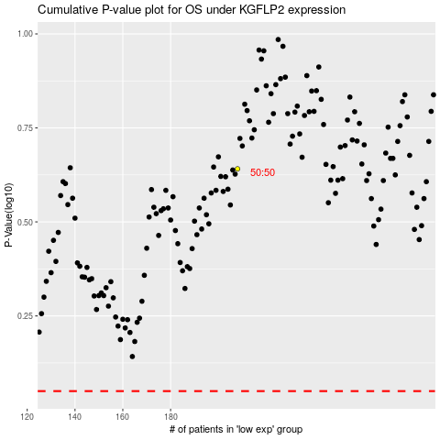

 |  |  |  |  |  | cases_OS | p_OS | rank | exp
 |  |  |  |  |  |  | cases_RFS | p_RFS | rank | exp

