KHDC1 _multivariate
Reported by Tex Li-Hsing Chi. tex@gate.sinica.edu.tw 2019-08-18

Table 2. The clinicopathological features of HNSCC cohort and KHDC1 expression. (Chi square test)
Cutoff at -0.291 (41.8%)
 |  | KHDC1 expression |  | KHDC1 expression |  | (Optimised)
 | Features | Low | (%) | High | (%) | Case no | P-value | Remark | Matthews
Gender | Female | 125 | 30.1 | 181 | 43.6 | 415 | 0.5269 | 0 | 0
2 | Male | 49 | 11.8 | 60 | 14.5
Age at diagnosis | <=65y | 113 | 27.2 | 161 | 38.8 | 415 | 0.7716 | 0 | 0
4 | >65y | 61 | 14.7 | 80 | 19.3
Clinical T Status | T1+T2 | 62 | 14.9 | 87 | 21 | 415 | 1 | 0 | 0
6 | T3+T4 | 112 | 27 | 154 | 37.1
Clinical N Status | N0 | 87 | 21 | 129 | 31.1 | 415 | 0.5418 | 0 | 0
8 | N1-3 | 87 | 21 | 112 | 27
Clinical M Status | M0 | 172 | 41.4 | 240 | 57.8 | 415 | 0.5745 | 0 | 0
10 | M1 | 2 | 0.5 | 1 | 0.2
Clinical Stage | Stage I+II | 43 | 10.4 | 59 | 14.2 | 415 | 1 | 0 | 0
12 | Stage III+IV | 131 | 31.6 | 182 | 43.9
Surgical Margin status | Negative | 135 | 32.5 | 183 | 44.1 | 415 | 0.7255 | 0 | 0
14 | Positive | 39 | 9.4 | 58 | 14
Tobacco Exposure | Low | 78 | 18.8 | 83 | 20 | 415 | 0.041 | 1 | 0
16 | High | 96 | 23.1 | 158 | 38.1

Table 3. Univariate/Multivariate Cox's proportional hazards regression analyses on OS time of KHDC1 gene expression in HNSCC

 |  | Univariate |  |  |  | Multivariate
 | Features | HR | CI95%(L) | CI95%(H) | P-value | HR | CI95%(L) | CI95%(H) | P-value
1 | Female | 1 |  |  |  | 1
Gender | Male | 1.157 | 0.843 | 1.587 | 0.367 | 1.185 | 0.848 | 1.656 | 0.32
11 | <=65y | 1 |  |  |  | 1
Age at diagnosis | >65y | 1.329 | 0.99 | 1.784 | 0.058 | 1.383 | 1.019 | 1.878 | 0.038
12 | T1+T2 | 1 |  |  |  | 1
Clinical T Status | T3+T4 | 1.409 | 1.028 | 1.931 | 0.033 | 2.304 | 1.216 | 4.365 | 0.01
13 | N0 | 1 |  |  |  | 1
Clinical N Status | N1-3 | 1.185 | 0.89 | 1.577 | 0.246 | 1.26 | 0.882 | 1.8 | 0.204
14 | M0 | 1 |  |  |  | 1
Clinical M Status | M1 | 4.097 | 1.009 | 16.644 | 0.049 | 10.115 | 2.2 | 46.502 | 0.003
15 | Stage I+II | 1 |  |  |  | 1
Clinical Stage | Stage III+IV | 1.245 | 0.882 | 1.759 | 0.213 | 0.477 | 0.222 | 1.027 | 0.059
16 | Negative | 1 |  |  |  | 1
Surgical Margin status | Positive | 1.591 | 1.155 | 2.191 | 0.004 | 1.694 | 1.225 | 2.342 | 0.001
17 | Low | 1 |  |  |  | 1
Tobacco Exposure | High | 1.364 | 1.008 | 1.844 | 0.044 | 1.389 | 1.006 | 1.92 | 0.046
18 | Low | 1 |  |  |  | 1
RNAseq(z-score) | High | 1.357 | 1.009 | 1.826 | 0.043 | 1.35 | 0.999 | 1.823 | 0.051

Table 4. Univariate/Multivariate Cox's proportional hazards regression analyses on RFS time of KHDC1 gene expression in HNSCC

 |  | Univariate |  |  |  | Multivariate
 | Features | HR | CI95%(L) | CI95%(H) | P-value | HR | CI95%(L) | CI95%(H) | P-value
1 | Female | 1 |  |  |  | 1
Gender | Male | 1.157 | 0.843 | 1.587 | 0.367 | 1.185 | 0.848 | 1.656 | 0.32
11 | <=65y | 1 |  |  |  | 1
Age at diagnosis | >65y | 1.329 | 0.99 | 1.784 | 0.058 | 1.383 | 1.019 | 1.878 | 0.038
12 | T1+T2 | 1 |  |  |  | 1
Clinical T Status | T3+T4 | 1.409 | 1.028 | 1.931 | 0.033 | 2.304 | 1.216 | 4.365 | 0.01
13 | N0 | 1 |  |  |  | 1
Clinical N Status | N1-3 | 1.185 | 0.89 | 1.577 | 0.246 | 1.26 | 0.882 | 1.8 | 0.204
14 | M0 | 1 |  |  |  | 1
Clinical M Status | M1 | 4.097 | 1.009 | 16.644 | 0.049 | 10.115 | 2.2 | 46.502 | 0.003
15 | Stage I+II | 1 |  |  |  | 1
Clinical Stage | Stage III+IV | 1.245 | 0.882 | 1.759 | 0.213 | 0.477 | 0.222 | 1.027 | 0.059
16 | Negative | 1 |  |  |  | 1
Surgical Margin status | Positive | 1.591 | 1.155 | 2.191 | 0.004 | 1.694 | 1.225 | 2.342 | 0.001
17 | Low | 1 |  |  |  | 1
Tobacco Exposure | High | 1.364 | 1.008 | 1.844 | 0.044 | 1.389 | 1.006 | 1.92 | 0.046
18 | Low | 1 |  |  |  | 1
RNAseq(z-score) | High | 1.357 | 1.009 | 1.826 | 0.043 | 1.35 | 0.999 | 1.823 | 0.051

Kaplan-Meier survival estimate: Cutoff at -0.291 (41.8%)

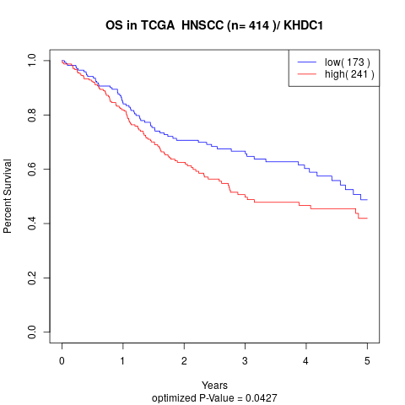

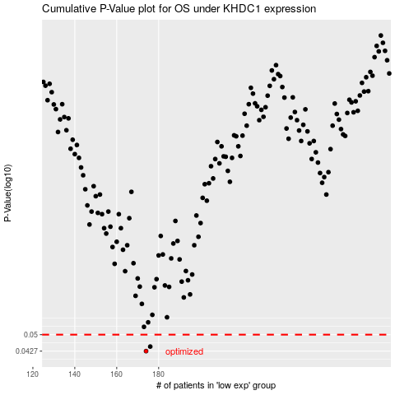

 |  |  |  |  |  | cases_OS | p_OS | rank | exp
 |  |  |  |  |  | 174 | 0.0427 | 221 | -0.29061620519
 |  |  |  |  |  | 176 | 0.0446 | 61 | -0.2779815834
 |  |  |  |  |  |  | cases_RFS | p_RFS | rank | exp
 |  |  |  |  |  |  | 173 | 0.0427 | 73 | -0.300844548
 |  |  |  |  |  |  | 175 | 0.0446 | 71 | -0.2847993738

