KIAA0020 _multivariate
Reported by Tex Li-Hsing Chi. tex@gate.sinica.edu.tw 2019-08-18

Table 2. The clinicopathological features of HNSCC cohort and KIAA0020 expression. (Chi square test)
Cutoff at -0.285 (50.0%)
 |  | KIAA0020 expression |  | KIAA0020 expression |  | (Optimised)
 | Features | Low | (%) | High | (%) | Case no | P-value | Remark | Matthews
Gender | Female | 164 | 39.5 | 142 | 34.2 | 415 | 0.0153 | 1 | 0
2 | Male | 43 | 10.4 | 66 | 15.9
Age at diagnosis | <=65y | 141 | 34 | 133 | 32 | 415 | 0.4272 | 0 | 0
4 | >65y | 66 | 15.9 | 75 | 18.1
Clinical T Status | T1+T2 | 76 | 18.3 | 73 | 17.6 | 415 | 0.8092 | 0 | 0
6 | T3+T4 | 131 | 31.6 | 135 | 32.5
Clinical N Status | N0 | 113 | 27.2 | 103 | 24.8 | 415 | 0.3495 | 1 | 0
8 | N1-3 | 94 | 22.7 | 105 | 25.3
Clinical M Status | M0 | 206 | 49.6 | 206 | 49.6 | 415 | 1 | 0 | 0
10 | M1 | 1 | 0.2 | 2 | 0.5
Clinical Stage | Stage I+II | 51 | 12.3 | 51 | 12.3 | 415 | 1 | 0 | 0
12 | Stage III+IV | 156 | 37.6 | 157 | 37.8
Surgical Margin status | Negative | 162 | 39 | 156 | 37.6 | 415 | 0.4867 | 0 | 0
14 | Positive | 45 | 10.8 | 52 | 12.5
Tobacco Exposure | Low | 73 | 17.6 | 88 | 21.2 | 415 | 0.1587 | 0 | 0
16 | High | 134 | 32.3 | 120 | 28.9

Table 3. Univariate/Multivariate Cox's proportional hazards regression analyses on OS time of KIAA0020 gene expression in HNSCC

 |  | Univariate |  |  |  | Multivariate
 | Features | HR | CI95%(L) | CI95%(H) | P-value | HR | CI95%(L) | CI95%(H) | P-value
1 | Female | 1 |  |  |  | 1
Gender | Male | 1.157 | 0.843 | 1.587 | 0.367 | 1.192 | 0.851 | 1.668 | 0.306
11 | <=65y | 1 |  |  |  | 1
Age at diagnosis | >65y | 1.329 | 0.99 | 1.784 | 0.058 | 1.383 | 1.016 | 1.882 | 0.039
12 | T1+T2 | 1 |  |  |  | 1
Clinical T Status | T3+T4 | 1.409 | 1.028 | 1.931 | 0.033 | 2.181 | 1.152 | 4.128 | 0.017
13 | N0 | 1 |  |  |  | 1
Clinical N Status | N1-3 | 1.185 | 0.89 | 1.577 | 0.246 | 1.225 | 0.855 | 1.754 | 0.269
14 | M0 | 1 |  |  |  | 1
Clinical M Status | M1 | 4.097 | 1.009 | 16.644 | 0.049 | 9.255 | 2.017 | 42.479 | 0.004
15 | Stage I+II | 1 |  |  |  | 1
Clinical Stage | Stage III+IV | 1.245 | 0.882 | 1.759 | 0.213 | 0.514 | 0.239 | 1.107 | 0.089
16 | Negative | 1 |  |  |  | 1
Surgical Margin status | Positive | 1.591 | 1.155 | 2.191 | 0.004 | 1.663 | 1.203 | 2.299 | 0.002
17 | Low | 1 |  |  |  | 1
Tobacco Exposure | High | 1.364 | 1.008 | 1.844 | 0.044 | 1.463 | 1.06 | 2.019 | 0.02
18 | Low | 1 |  |  |  | 1
RNAseq(z-score) | High | 1.159 | 0.868 | 1.548 | 0.317 | 1.078 | 0.8 | 1.452 | 0.623

Table 4. Univariate/Multivariate Cox's proportional hazards regression analyses on RFS time of KIAA0020 gene expression in HNSCC

 |  | Univariate |  |  |  | Multivariate
 | Features | HR | CI95%(L) | CI95%(H) | P-value | HR | CI95%(L) | CI95%(H) | P-value
1 | Female | 1 |  |  |  | 1
Gender | Male | 1.157 | 0.843 | 1.587 | 0.367 | 1.192 | 0.851 | 1.668 | 0.306
11 | <=65y | 1 |  |  |  | 1
Age at diagnosis | >65y | 1.329 | 0.99 | 1.784 | 0.058 | 1.383 | 1.016 | 1.882 | 0.039
12 | T1+T2 | 1 |  |  |  | 1
Clinical T Status | T3+T4 | 1.409 | 1.028 | 1.931 | 0.033 | 2.181 | 1.152 | 4.128 | 0.017
13 | N0 | 1 |  |  |  | 1
Clinical N Status | N1-3 | 1.185 | 0.89 | 1.577 | 0.246 | 1.225 | 0.855 | 1.754 | 0.269
14 | M0 | 1 |  |  |  | 1
Clinical M Status | M1 | 4.097 | 1.009 | 16.644 | 0.049 | 9.255 | 2.017 | 42.479 | 0.004
15 | Stage I+II | 1 |  |  |  | 1
Clinical Stage | Stage III+IV | 1.245 | 0.882 | 1.759 | 0.213 | 0.514 | 0.239 | 1.107 | 0.089
16 | Negative | 1 |  |  |  | 1
Surgical Margin status | Positive | 1.591 | 1.155 | 2.191 | 0.004 | 1.663 | 1.203 | 2.299 | 0.002
17 | Low | 1 |  |  |  | 1
Tobacco Exposure | High | 1.364 | 1.008 | 1.844 | 0.044 | 1.463 | 1.06 | 2.019 | 0.02
18 | Low | 1 |  |  |  | 1
RNAseq(z-score) | High | 1.159 | 0.868 | 1.548 | 0.317 | 1.078 | 0.8 | 1.452 | 0.623

Kaplan-Meier survival estimate: Cutoff at -0.285 (50.0%)



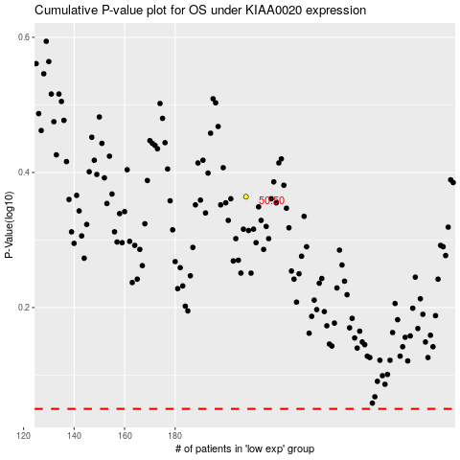

 |  |  |  |  |  | cases_OS | p_OS | rank | exp
 |  |  |  |  |  |  | cases_RFS | p_RFS | rank | exp

