KIAA0101 _multivariate
Reported by Tex Li-Hsing Chi. tex@gate.sinica.edu.tw 2019-08-18

Table 2. The clinicopathological features of HNSCC cohort and KIAA0101 expression. (Chi square test)
Cutoff at -0.216 (49.8%)
 |  | KIAA0101 expression |  | KIAA0101 expression |  | (Optimised)
 | Features | Low | (%) | High | (%) | Case no | P-value | Remark | Matthews
Gender | Female | 154 | 37.1 | 152 | 36.6 | 415 | 0.8463 | 0 | 0
2 | Male | 53 | 12.8 | 56 | 13.5
Age at diagnosis | <=65y | 135 | 32.5 | 139 | 33.5 | 415 | 0.8084 | 0 | 0
4 | >65y | 72 | 17.3 | 69 | 16.6
Clinical T Status | T1+T2 | 69 | 16.6 | 80 | 19.3 | 415 | 0.3239 | 0 | 0
6 | T3+T4 | 138 | 33.3 | 128 | 30.8
Clinical N Status | N0 | 100 | 24.1 | 116 | 28 | 415 | 0.1548 | 0 | 0
8 | N1-3 | 107 | 25.8 | 92 | 22.2
Clinical M Status | M0 | 207 | 49.9 | 205 | 49.4 | 415 | 0.2482 | 0 | 0
10 | M1 | 0 | 0 | 3 | 0.7
Clinical Stage | Stage I+II | 48 | 11.6 | 54 | 13 | 415 | 0.5878 | 0 | 0
12 | Stage III+IV | 159 | 38.3 | 154 | 37.1
Surgical Margin status | Negative | 170 | 41 | 148 | 35.7 | 415 | 0.0105 | 1 | 0
14 | Positive | 37 | 8.9 | 60 | 14.5
Tobacco Exposure | Low | 80 | 19.3 | 81 | 19.5 | 415 | 1 | 0 | 0
16 | High | 127 | 30.6 | 127 | 30.6

Table 3. Univariate/Multivariate Cox's proportional hazards regression analyses on OS time of KIAA0101 gene expression in HNSCC

 |  | Univariate |  |  |  | Multivariate
 | Features | HR | CI95%(L) | CI95%(H) | P-value | HR | CI95%(L) | CI95%(H) | P-value
1 | Female | 1 |  |  |  | 1
Gender | Male | 1.157 | 0.843 | 1.587 | 0.367 | 1.196 | 0.855 | 1.673 | 0.296
11 | <=65y | 1 |  |  |  | 1
Age at diagnosis | >65y | 1.329 | 0.99 | 1.784 | 0.058 | 1.396 | 1.026 | 1.899 | 0.034
12 | T1+T2 | 1 |  |  |  | 1
Clinical T Status | T3+T4 | 1.409 | 1.028 | 1.931 | 0.033 | 2.214 | 1.17 | 4.19 | 0.015
13 | N0 | 1 |  |  |  | 1
Clinical N Status | N1-3 | 1.185 | 0.89 | 1.577 | 0.246 | 1.251 | 0.874 | 1.791 | 0.221
14 | M0 | 1 |  |  |  | 1
Clinical M Status | M1 | 4.097 | 1.009 | 16.644 | 0.049 | 9.174 | 1.987 | 42.362 | 0.005
15 | Stage I+II | 1 |  |  |  | 1
Clinical Stage | Stage III+IV | 1.245 | 0.882 | 1.759 | 0.213 | 0.5 | 0.233 | 1.076 | 0.076
16 | Negative | 1 |  |  |  | 1
Surgical Margin status | Positive | 1.591 | 1.155 | 2.191 | 0.004 | 1.652 | 1.187 | 2.3 | 0.003
17 | Low | 1 |  |  |  | 1
Tobacco Exposure | High | 1.364 | 1.008 | 1.844 | 0.044 | 1.454 | 1.055 | 2.004 | 0.022
18 | Low | 1 |  |  |  | 1
RNAseq(z-score) | High | 1.104 | 0.829 | 1.472 | 0.498 | 1.051 | 0.779 | 1.417 | 0.746

Table 4. Univariate/Multivariate Cox's proportional hazards regression analyses on RFS time of KIAA0101 gene expression in HNSCC

 |  | Univariate |  |  |  | Multivariate
 | Features | HR | CI95%(L) | CI95%(H) | P-value | HR | CI95%(L) | CI95%(H) | P-value
1 | Female | 1 |  |  |  | 1
Gender | Male | 1.157 | 0.843 | 1.587 | 0.367 | 1.196 | 0.855 | 1.673 | 0.296
11 | <=65y | 1 |  |  |  | 1
Age at diagnosis | >65y | 1.329 | 0.99 | 1.784 | 0.058 | 1.396 | 1.026 | 1.899 | 0.034
12 | T1+T2 | 1 |  |  |  | 1
Clinical T Status | T3+T4 | 1.409 | 1.028 | 1.931 | 0.033 | 2.214 | 1.17 | 4.19 | 0.015
13 | N0 | 1 |  |  |  | 1
Clinical N Status | N1-3 | 1.185 | 0.89 | 1.577 | 0.246 | 1.251 | 0.874 | 1.791 | 0.221
14 | M0 | 1 |  |  |  | 1
Clinical M Status | M1 | 4.097 | 1.009 | 16.644 | 0.049 | 9.174 | 1.987 | 42.362 | 0.005
15 | Stage I+II | 1 |  |  |  | 1
Clinical Stage | Stage III+IV | 1.245 | 0.882 | 1.759 | 0.213 | 0.5 | 0.233 | 1.076 | 0.076
16 | Negative | 1 |  |  |  | 1
Surgical Margin status | Positive | 1.591 | 1.155 | 2.191 | 0.004 | 1.652 | 1.187 | 2.3 | 0.003
17 | Low | 1 |  |  |  | 1
Tobacco Exposure | High | 1.364 | 1.008 | 1.844 | 0.044 | 1.454 | 1.055 | 2.004 | 0.022
18 | Low | 1 |  |  |  | 1
RNAseq(z-score) | High | 1.104 | 0.829 | 1.472 | 0.498 | 1.051 | 0.779 | 1.417 | 0.746

Kaplan-Meier survival estimate: Cutoff at -0.216 (49.8%)



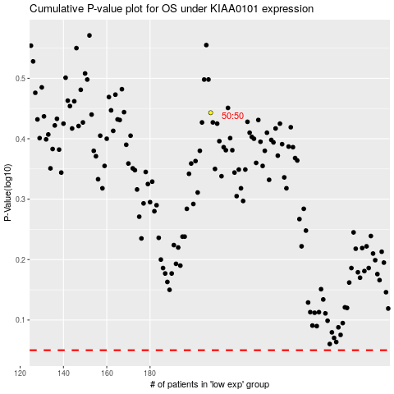

 |  |  |  |  |  | cases_OS | p_OS | rank | exp
 |  |  |  |  |  |  | cases_RFS | p_RFS | rank | exp

