KIAA0146 _multivariate
Reported by Tex Li-Hsing Chi. tex@gate.sinica.edu.tw 2019-08-18

Table 2. The clinicopathological features of HNSCC cohort and KIAA0146 expression. (Chi square test)
Cutoff at -0.223 (49.8%)
 |  | KIAA0146 expression |  | KIAA0146 expression |  | (Optimised)
 | Features | Low | (%) | High | (%) | Case no | P-value | Remark | Matthews
Gender | Female | 139 | 33.5 | 167 | 40.2 | 415 | 0.0034 | 1 | 0
2 | Male | 68 | 16.4 | 41 | 9.9
Age at diagnosis | <=65y | 131 | 31.6 | 143 | 34.5 | 415 | 0.2839 | 0 | 0
4 | >65y | 76 | 18.3 | 65 | 15.7
Clinical T Status | T1+T2 | 79 | 19 | 70 | 16.9 | 415 | 0.3924 | 0 | 0
6 | T3+T4 | 128 | 30.8 | 138 | 33.3
Clinical N Status | N0 | 112 | 27 | 104 | 25.1 | 415 | 0.4599 | 0 | 0
8 | N1-3 | 95 | 22.9 | 104 | 25.1
Clinical M Status | M0 | 204 | 49.2 | 208 | 50.1 | 415 | 0.1232 | 0 | 0
10 | M1 | 3 | 0.7 | 0 | 0
Clinical Stage | Stage I+II | 61 | 14.7 | 41 | 9.9 | 415 | 0.0282 | 1 | 0
12 | Stage III+IV | 146 | 35.2 | 167 | 40.2
Surgical Margin status | Negative | 160 | 38.6 | 158 | 38.1 | 415 | 0.8167 | 0 | 0
14 | Positive | 47 | 11.3 | 50 | 12
Tobacco Exposure | Low | 95 | 22.9 | 66 | 15.9 | 415 | 0.0035 | 1 | 0
16 | High | 112 | 27 | 142 | 34.2

Table 3. Univariate/Multivariate Cox's proportional hazards regression analyses on OS time of KIAA0146 gene expression in HNSCC

 |  | Univariate |  |  |  | Multivariate
 | Features | HR | CI95%(L) | CI95%(H) | P-value | HR | CI95%(L) | CI95%(H) | P-value
1 | Female | 1 |  |  |  | 1
Gender | Male | 1.157 | 0.843 | 1.587 | 0.367 | 1.195 | 0.851 | 1.68 | 0.304
11 | <=65y | 1 |  |  |  | 1
Age at diagnosis | >65y | 1.329 | 0.99 | 1.784 | 0.058 | 1.391 | 1.023 | 1.891 | 0.035
12 | T1+T2 | 1 |  |  |  | 1
Clinical T Status | T3+T4 | 1.409 | 1.028 | 1.931 | 0.033 | 2.193 | 1.158 | 4.155 | 0.016
13 | N0 | 1 |  |  |  | 1
Clinical N Status | N1-3 | 1.185 | 0.89 | 1.577 | 0.246 | 1.239 | 0.869 | 1.769 | 0.237
14 | M0 | 1 |  |  |  | 1
Clinical M Status | M1 | 4.097 | 1.009 | 16.644 | 0.049 | 9.239 | 1.984 | 43.027 | 0.005
15 | Stage I+II | 1 |  |  |  | 1
Clinical Stage | Stage III+IV | 1.245 | 0.882 | 1.759 | 0.213 | 0.509 | 0.235 | 1.101 | 0.086
16 | Negative | 1 |  |  |  | 1
Surgical Margin status | Positive | 1.591 | 1.155 | 2.191 | 0.004 | 1.67 | 1.208 | 2.308 | 0.002
17 | Low | 1 |  |  |  | 1
Tobacco Exposure | High | 1.364 | 1.008 | 1.844 | 0.044 | 1.457 | 1.056 | 2.01 | 0.022
18 | Low | 1 |  |  |  | 1
RNAseq(z-score) | High | 0.954 | 0.716 | 1.272 | 0.749 | 0.976 | 0.719 | 1.323 | 0.874

Table 4. Univariate/Multivariate Cox's proportional hazards regression analyses on RFS time of KIAA0146 gene expression in HNSCC

 |  | Univariate |  |  |  | Multivariate
 | Features | HR | CI95%(L) | CI95%(H) | P-value | HR | CI95%(L) | CI95%(H) | P-value
1 | Female | 1 |  |  |  | 1
Gender | Male | 1.157 | 0.843 | 1.587 | 0.367 | 1.195 | 0.851 | 1.68 | 0.304
11 | <=65y | 1 |  |  |  | 1
Age at diagnosis | >65y | 1.329 | 0.99 | 1.784 | 0.058 | 1.391 | 1.023 | 1.891 | 0.035
12 | T1+T2 | 1 |  |  |  | 1
Clinical T Status | T3+T4 | 1.409 | 1.028 | 1.931 | 0.033 | 2.193 | 1.158 | 4.155 | 0.016
13 | N0 | 1 |  |  |  | 1
Clinical N Status | N1-3 | 1.185 | 0.89 | 1.577 | 0.246 | 1.239 | 0.869 | 1.769 | 0.237
14 | M0 | 1 |  |  |  | 1
Clinical M Status | M1 | 4.097 | 1.009 | 16.644 | 0.049 | 9.239 | 1.984 | 43.027 | 0.005
15 | Stage I+II | 1 |  |  |  | 1
Clinical Stage | Stage III+IV | 1.245 | 0.882 | 1.759 | 0.213 | 0.509 | 0.235 | 1.101 | 0.086
16 | Negative | 1 |  |  |  | 1
Surgical Margin status | Positive | 1.591 | 1.155 | 2.191 | 0.004 | 1.67 | 1.208 | 2.308 | 0.002
17 | Low | 1 |  |  |  | 1
Tobacco Exposure | High | 1.364 | 1.008 | 1.844 | 0.044 | 1.457 | 1.056 | 2.01 | 0.022
18 | Low | 1 |  |  |  | 1
RNAseq(z-score) | High | 0.954 | 0.716 | 1.272 | 0.749 | 0.976 | 0.719 | 1.323 | 0.874

Kaplan-Meier survival estimate: Cutoff at -0.223 (49.8%)



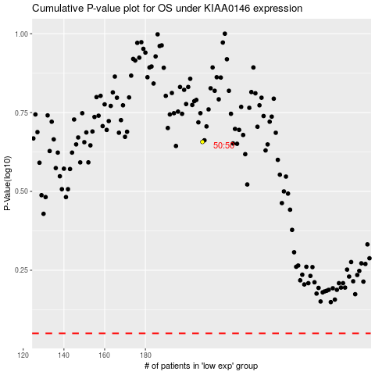

 |  |  |  |  |  | cases_OS | p_OS | rank | exp
 |  |  |  |  |  |  | cases_RFS | p_RFS | rank | exp

