KIAA0182 _multivariate
Reported by Tex Li-Hsing Chi. tex@gate.sinica.edu.tw 2019-08-18

Table 2. The clinicopathological features of HNSCC cohort and KIAA0182 expression. (Chi square test)
Cutoff at -0.171 (49.8%)
 |  | KIAA0182 expression |  | KIAA0182 expression |  | (Optimised)
 | Features | Low | (%) | High | (%) | Case no | P-value | Remark | Matthews
Gender | Female | 147 | 35.4 | 159 | 38.3 | 415 | 0.2523 | 0 | 0
2 | Male | 60 | 14.5 | 49 | 11.8
Age at diagnosis | <=65y | 132 | 31.8 | 142 | 34.2 | 415 | 0.3874 | 0 | 0
4 | >65y | 75 | 18.1 | 66 | 15.9
Clinical T Status | T1+T2 | 87 | 21 | 62 | 14.9 | 415 | 0.0127 | 1 | 0
6 | T3+T4 | 120 | 28.9 | 146 | 35.2
Clinical N Status | N0 | 106 | 25.5 | 110 | 26.5 | 415 | 0.8075 | 0 | 0
8 | N1-3 | 101 | 24.3 | 98 | 23.6
Clinical M Status | M0 | 205 | 49.4 | 207 | 49.9 | 415 | 0.6232 | 0 | 0
10 | M1 | 2 | 0.5 | 1 | 0.2
Clinical Stage | Stage I+II | 58 | 14 | 44 | 10.6 | 415 | 0.131 | 0 | 0
12 | Stage III+IV | 149 | 35.9 | 164 | 39.5
Surgical Margin status | Negative | 160 | 38.6 | 158 | 38.1 | 415 | 0.8167 | 0 | 0
14 | Positive | 47 | 11.3 | 50 | 12
Tobacco Exposure | Low | 82 | 19.8 | 79 | 19 | 415 | 0.763 | 0 | 0
16 | High | 125 | 30.1 | 129 | 31.1

Table 3. Univariate/Multivariate Cox's proportional hazards regression analyses on OS time of KIAA0182 gene expression in HNSCC

 |  | Univariate |  |  |  | Multivariate
 | Features | HR | CI95%(L) | CI95%(H) | P-value | HR | CI95%(L) | CI95%(H) | P-value
1 | Female | 1 |  |  |  | 1
Gender | Male | 1.157 | 0.843 | 1.587 | 0.367 | 1.195 | 0.855 | 1.672 | 0.297
11 | <=65y | 1 |  |  |  | 1
Age at diagnosis | >65y | 1.329 | 0.99 | 1.784 | 0.058 | 1.381 | 1.014 | 1.882 | 0.041
12 | T1+T2 | 1 |  |  |  | 1
Clinical T Status | T3+T4 | 1.409 | 1.028 | 1.931 | 0.033 | 2.229 | 1.176 | 4.227 | 0.014
13 | N0 | 1 |  |  |  | 1
Clinical N Status | N1-3 | 1.185 | 0.89 | 1.577 | 0.246 | 1.233 | 0.863 | 1.762 | 0.249
14 | M0 | 1 |  |  |  | 1
Clinical M Status | M1 | 4.097 | 1.009 | 16.644 | 0.049 | 9.408 | 2.053 | 43.126 | 0.004
15 | Stage I+II | 1 |  |  |  | 1
Clinical Stage | Stage III+IV | 1.245 | 0.882 | 1.759 | 0.213 | 0.507 | 0.236 | 1.089 | 0.082
16 | Negative | 1 |  |  |  | 1
Surgical Margin status | Positive | 1.591 | 1.155 | 2.191 | 0.004 | 1.678 | 1.214 | 2.321 | 0.002
17 | Low | 1 |  |  |  | 1
Tobacco Exposure | High | 1.364 | 1.008 | 1.844 | 0.044 | 1.448 | 1.05 | 1.996 | 0.024
18 | Low | 1 |  |  |  | 1
RNAseq(z-score) | High | 0.972 | 0.729 | 1.295 | 0.847 | 0.941 | 0.699 | 1.269 | 0.692

Table 4. Univariate/Multivariate Cox's proportional hazards regression analyses on RFS time of KIAA0182 gene expression in HNSCC

 |  | Univariate |  |  |  | Multivariate
 | Features | HR | CI95%(L) | CI95%(H) | P-value | HR | CI95%(L) | CI95%(H) | P-value
1 | Female | 1 |  |  |  | 1
Gender | Male | 1.157 | 0.843 | 1.587 | 0.367 | 1.195 | 0.855 | 1.672 | 0.297
11 | <=65y | 1 |  |  |  | 1
Age at diagnosis | >65y | 1.329 | 0.99 | 1.784 | 0.058 | 1.381 | 1.014 | 1.882 | 0.041
12 | T1+T2 | 1 |  |  |  | 1
Clinical T Status | T3+T4 | 1.409 | 1.028 | 1.931 | 0.033 | 2.229 | 1.176 | 4.227 | 0.014
13 | N0 | 1 |  |  |  | 1
Clinical N Status | N1-3 | 1.185 | 0.89 | 1.577 | 0.246 | 1.233 | 0.863 | 1.762 | 0.249
14 | M0 | 1 |  |  |  | 1
Clinical M Status | M1 | 4.097 | 1.009 | 16.644 | 0.049 | 9.408 | 2.053 | 43.126 | 0.004
15 | Stage I+II | 1 |  |  |  | 1
Clinical Stage | Stage III+IV | 1.245 | 0.882 | 1.759 | 0.213 | 0.507 | 0.236 | 1.089 | 0.082
16 | Negative | 1 |  |  |  | 1
Surgical Margin status | Positive | 1.591 | 1.155 | 2.191 | 0.004 | 1.678 | 1.214 | 2.321 | 0.002
17 | Low | 1 |  |  |  | 1
Tobacco Exposure | High | 1.364 | 1.008 | 1.844 | 0.044 | 1.448 | 1.05 | 1.996 | 0.024
18 | Low | 1 |  |  |  | 1
RNAseq(z-score) | High | 0.972 | 0.729 | 1.295 | 0.847 | 0.941 | 0.699 | 1.269 | 0.692

Kaplan-Meier survival estimate: Cutoff at -0.171 (49.8%)



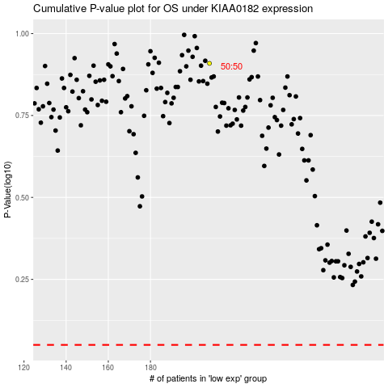

 |  |  |  |  |  | cases_OS | p_OS | rank | exp
 |  |  |  |  |  |  | cases_RFS | p_RFS | rank | exp

