KIAA0196 _multivariate
Reported by Tex Li-Hsing Chi. tex@gate.sinica.edu.tw 2019-08-18

Table 2. The clinicopathological features of HNSCC cohort and KIAA0196 expression. (Chi square test)
Cutoff at 0.053 (50.0%)
 |  | KIAA0196 expression |  | KIAA0196 expression |  | (Optimised)
 | Features | Low | (%) | High | (%) | Case no | P-value | Remark | Matthews
Gender | Female | 150 | 36.1 | 156 | 37.6 | 415 | 0.6344 | 0 | 0
2 | Male | 57 | 13.7 | 52 | 12.5
Age at diagnosis | <=65y | 136 | 32.8 | 138 | 33.3 | 415 | 0.9719 | 0 | 0
4 | >65y | 71 | 17.1 | 70 | 16.9
Clinical T Status | T1+T2 | 78 | 18.8 | 71 | 17.1 | 415 | 0.5152 | 0 | 0
6 | T3+T4 | 129 | 31.1 | 137 | 33
Clinical N Status | N0 | 115 | 27.7 | 101 | 24.3 | 415 | 0.184 | 1 | 0
8 | N1-3 | 92 | 22.2 | 107 | 25.8
Clinical M Status | M0 | 205 | 49.4 | 207 | 49.9 | 415 | 0.6232 | 0 | 0
10 | M1 | 2 | 0.5 | 1 | 0.2
Clinical Stage | Stage I+II | 50 | 12 | 52 | 12.5 | 415 | 0.9315 | 0 | 0
12 | Stage III+IV | 157 | 37.8 | 156 | 37.6
Surgical Margin status | Negative | 152 | 36.6 | 166 | 40 | 415 | 0.1329 | 0 | 0
14 | Positive | 55 | 13.3 | 42 | 10.1
Tobacco Exposure | Low | 84 | 20.2 | 77 | 18.6 | 415 | 0.4816 | 0 | 0
16 | High | 123 | 29.6 | 131 | 31.6

Table 3. Univariate/Multivariate Cox's proportional hazards regression analyses on OS time of KIAA0196 gene expression in HNSCC

 |  | Univariate |  |  |  | Multivariate
 | Features | HR | CI95%(L) | CI95%(H) | P-value | HR | CI95%(L) | CI95%(H) | P-value
1 | Female | 1 |  |  |  | 1
Gender | Male | 1.157 | 0.843 | 1.587 | 0.367 | 1.22 | 0.873 | 1.705 | 0.244
11 | <=65y | 1 |  |  |  | 1
Age at diagnosis | >65y | 1.329 | 0.99 | 1.784 | 0.058 | 1.388 | 1.021 | 1.888 | 0.036
12 | T1+T2 | 1 |  |  |  | 1
Clinical T Status | T3+T4 | 1.409 | 1.028 | 1.931 | 0.033 | 2.103 | 1.108 | 3.992 | 0.023
13 | N0 | 1 |  |  |  | 1
Clinical N Status | N1-3 | 1.185 | 0.89 | 1.577 | 0.246 | 1.201 | 0.838 | 1.72 | 0.318
14 | M0 | 1 |  |  |  | 1
Clinical M Status | M1 | 4.097 | 1.009 | 16.644 | 0.049 | 9.359 | 2.042 | 42.894 | 0.004
15 | Stage I+II | 1 |  |  |  | 1
Clinical Stage | Stage III+IV | 1.245 | 0.882 | 1.759 | 0.213 | 0.544 | 0.251 | 1.179 | 0.123
16 | Negative | 1 |  |  |  | 1
Surgical Margin status | Positive | 1.591 | 1.155 | 2.191 | 0.004 | 1.699 | 1.228 | 2.35 | 0.001
17 | Low | 1 |  |  |  | 1
Tobacco Exposure | High | 1.364 | 1.008 | 1.844 | 0.044 | 1.453 | 1.056 | 2.001 | 0.022
18 | Low | 1 |  |  |  | 1
RNAseq(z-score) | High | 1.196 | 0.898 | 1.594 | 0.222 | 1.205 | 0.899 | 1.615 | 0.212

Table 4. Univariate/Multivariate Cox's proportional hazards regression analyses on RFS time of KIAA0196 gene expression in HNSCC

 |  | Univariate |  |  |  | Multivariate
 | Features | HR | CI95%(L) | CI95%(H) | P-value | HR | CI95%(L) | CI95%(H) | P-value
1 | Female | 1 |  |  |  | 1
Gender | Male | 1.157 | 0.843 | 1.587 | 0.367 | 1.22 | 0.873 | 1.705 | 0.244
11 | <=65y | 1 |  |  |  | 1
Age at diagnosis | >65y | 1.329 | 0.99 | 1.784 | 0.058 | 1.388 | 1.021 | 1.888 | 0.036
12 | T1+T2 | 1 |  |  |  | 1
Clinical T Status | T3+T4 | 1.409 | 1.028 | 1.931 | 0.033 | 2.103 | 1.108 | 3.992 | 0.023
13 | N0 | 1 |  |  |  | 1
Clinical N Status | N1-3 | 1.185 | 0.89 | 1.577 | 0.246 | 1.201 | 0.838 | 1.72 | 0.318
14 | M0 | 1 |  |  |  | 1
Clinical M Status | M1 | 4.097 | 1.009 | 16.644 | 0.049 | 9.359 | 2.042 | 42.894 | 0.004
15 | Stage I+II | 1 |  |  |  | 1
Clinical Stage | Stage III+IV | 1.245 | 0.882 | 1.759 | 0.213 | 0.544 | 0.251 | 1.179 | 0.123
16 | Negative | 1 |  |  |  | 1
Surgical Margin status | Positive | 1.591 | 1.155 | 2.191 | 0.004 | 1.699 | 1.228 | 2.35 | 0.001
17 | Low | 1 |  |  |  | 1
Tobacco Exposure | High | 1.364 | 1.008 | 1.844 | 0.044 | 1.453 | 1.056 | 2.001 | 0.022
18 | Low | 1 |  |  |  | 1
RNAseq(z-score) | High | 1.196 | 0.898 | 1.594 | 0.222 | 1.205 | 0.899 | 1.615 | 0.212

Kaplan-Meier survival estimate: Cutoff at 0.053 (50.0%)

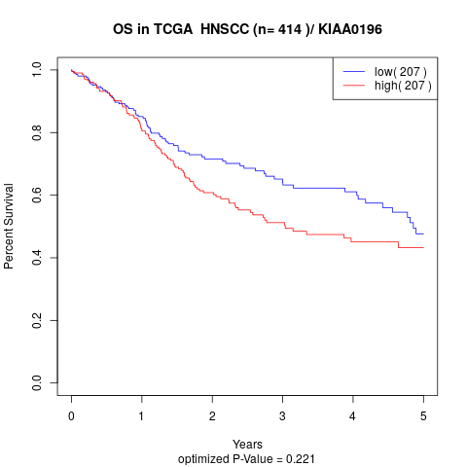

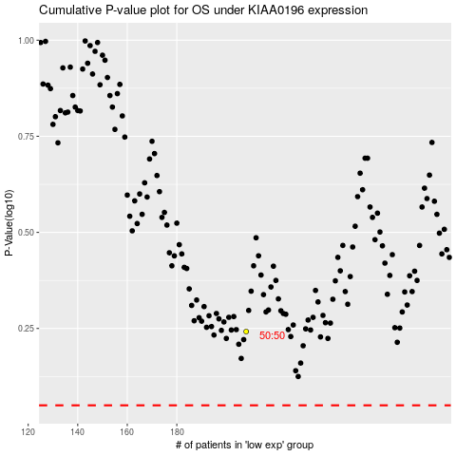

 |  |  |  |  |  | cases_OS | p_OS | rank | exp
 |  |  |  |  |  |  | cases_RFS | p_RFS | rank | exp

