KIAA0226 _multivariate
Reported by Tex Li-Hsing Chi. tex@gate.sinica.edu.tw 2019-08-18

Table 2. The clinicopathological features of HNSCC cohort and KIAA0226 expression. (Chi square test)
Cutoff at -0.132 (49.8%)
 |  | KIAA0226 expression |  | KIAA0226 expression |  | (Optimised)
 | Features | Low | (%) | High | (%) | Case no | P-value | Remark | Matthews
Gender | Female | 152 | 36.6 | 154 | 37.1 | 415 | 0.9766 | 0 | 0
2 | Male | 55 | 13.3 | 54 | 13
Age at diagnosis | <=65y | 131 | 31.6 | 143 | 34.5 | 415 | 0.2839 | 0 | 0
4 | >65y | 76 | 18.3 | 65 | 15.7
Clinical T Status | T1+T2 | 73 | 17.6 | 76 | 18.3 | 415 | 0.8666 | 0 | 0
6 | T3+T4 | 134 | 32.3 | 132 | 31.8
Clinical N Status | N0 | 106 | 25.5 | 110 | 26.5 | 415 | 0.8075 | 0 | 0
8 | N1-3 | 101 | 24.3 | 98 | 23.6
Clinical M Status | M0 | 207 | 49.9 | 205 | 49.4 | 415 | 0.2482 | 0 | 0
10 | M1 | 0 | 0 | 3 | 0.7
Clinical Stage | Stage I+II | 51 | 12.3 | 51 | 12.3 | 415 | 1 | 0 | 0
12 | Stage III+IV | 156 | 37.6 | 157 | 37.8
Surgical Margin status | Negative | 152 | 36.6 | 166 | 40 | 415 | 0.1329 | 0 | 0
14 | Positive | 55 | 13.3 | 42 | 10.1
Tobacco Exposure | Low | 88 | 21.2 | 73 | 17.6 | 415 | 0.1314 | 0 | 0
16 | High | 119 | 28.7 | 135 | 32.5

Table 3. Univariate/Multivariate Cox's proportional hazards regression analyses on OS time of KIAA0226 gene expression in HNSCC

 |  | Univariate |  |  |  | Multivariate
 | Features | HR | CI95%(L) | CI95%(H) | P-value | HR | CI95%(L) | CI95%(H) | P-value
1 | Female | 1 |  |  |  | 1
Gender | Male | 1.157 | 0.843 | 1.587 | 0.367 | 1.202 | 0.86 | 1.679 | 0.281
11 | <=65y | 1 |  |  |  | 1
Age at diagnosis | >65y | 1.329 | 0.99 | 1.784 | 0.058 | 1.392 | 1.024 | 1.892 | 0.035
12 | T1+T2 | 1 |  |  |  | 1
Clinical T Status | T3+T4 | 1.409 | 1.028 | 1.931 | 0.033 | 2.202 | 1.164 | 4.163 | 0.015
13 | N0 | 1 |  |  |  | 1
Clinical N Status | N1-3 | 1.185 | 0.89 | 1.577 | 0.246 | 1.24 | 0.868 | 1.77 | 0.237
14 | M0 | 1 |  |  |  | 1
Clinical M Status | M1 | 4.097 | 1.009 | 16.644 | 0.049 | 9.475 | 2.052 | 43.754 | 0.004
15 | Stage I+II | 1 |  |  |  | 1
Clinical Stage | Stage III+IV | 1.245 | 0.882 | 1.759 | 0.213 | 0.505 | 0.235 | 1.083 | 0.079
16 | Negative | 1 |  |  |  | 1
Surgical Margin status | Positive | 1.591 | 1.155 | 2.191 | 0.004 | 1.669 | 1.206 | 2.309 | 0.002
17 | Low | 1 |  |  |  | 1
Tobacco Exposure | High | 1.364 | 1.008 | 1.844 | 0.044 | 1.455 | 1.055 | 2.008 | 0.022
18 | Low | 1 |  |  |  | 1
RNAseq(z-score) | High | 0.971 | 0.729 | 1.294 | 0.843 | 0.986 | 0.736 | 1.32 | 0.924

Table 4. Univariate/Multivariate Cox's proportional hazards regression analyses on RFS time of KIAA0226 gene expression in HNSCC

 |  | Univariate |  |  |  | Multivariate
 | Features | HR | CI95%(L) | CI95%(H) | P-value | HR | CI95%(L) | CI95%(H) | P-value
1 | Female | 1 |  |  |  | 1
Gender | Male | 1.157 | 0.843 | 1.587 | 0.367 | 1.202 | 0.86 | 1.679 | 0.281
11 | <=65y | 1 |  |  |  | 1
Age at diagnosis | >65y | 1.329 | 0.99 | 1.784 | 0.058 | 1.392 | 1.024 | 1.892 | 0.035
12 | T1+T2 | 1 |  |  |  | 1
Clinical T Status | T3+T4 | 1.409 | 1.028 | 1.931 | 0.033 | 2.202 | 1.164 | 4.163 | 0.015
13 | N0 | 1 |  |  |  | 1
Clinical N Status | N1-3 | 1.185 | 0.89 | 1.577 | 0.246 | 1.24 | 0.868 | 1.77 | 0.237
14 | M0 | 1 |  |  |  | 1
Clinical M Status | M1 | 4.097 | 1.009 | 16.644 | 0.049 | 9.475 | 2.052 | 43.754 | 0.004
15 | Stage I+II | 1 |  |  |  | 1
Clinical Stage | Stage III+IV | 1.245 | 0.882 | 1.759 | 0.213 | 0.505 | 0.235 | 1.083 | 0.079
16 | Negative | 1 |  |  |  | 1
Surgical Margin status | Positive | 1.591 | 1.155 | 2.191 | 0.004 | 1.669 | 1.206 | 2.309 | 0.002
17 | Low | 1 |  |  |  | 1
Tobacco Exposure | High | 1.364 | 1.008 | 1.844 | 0.044 | 1.455 | 1.055 | 2.008 | 0.022
18 | Low | 1 |  |  |  | 1
RNAseq(z-score) | High | 0.971 | 0.729 | 1.294 | 0.843 | 0.986 | 0.736 | 1.32 | 0.924

Kaplan-Meier survival estimate: Cutoff at -0.132 (49.8%)



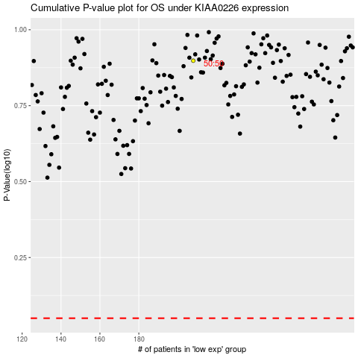

 |  |  |  |  |  | cases_OS | p_OS | rank | exp
 |  |  |  |  |  |  | cases_RFS | p_RFS | rank | exp

