KIAA0247 _multivariate
Reported by Tex Li-Hsing Chi. tex@gate.sinica.edu.tw 2019-08-18

Table 2. The clinicopathological features of HNSCC cohort and KIAA0247 expression. (Chi square test)
Cutoff at -0.073 (49.8%)
 |  | KIAA0247 expression |  | KIAA0247 expression |  | (Optimised)
 | Features | Low | (%) | High | (%) | Case no | P-value | Remark | Matthews
Gender | Female | 154 | 37.1 | 152 | 36.6 | 415 | 0.8463 | 0 | 0
2 | Male | 53 | 12.8 | 56 | 13.5
Age at diagnosis | <=65y | 135 | 32.5 | 139 | 33.5 | 415 | 0.8084 | 0 | 0
4 | >65y | 72 | 17.3 | 69 | 16.6
Clinical T Status | T1+T2 | 79 | 19 | 70 | 16.9 | 415 | 0.3924 | 0 | 0
6 | T3+T4 | 128 | 30.8 | 138 | 33.3
Clinical N Status | N0 | 110 | 26.5 | 106 | 25.5 | 415 | 0.7294 | 0 | 0
8 | N1-3 | 97 | 23.4 | 102 | 24.6
Clinical M Status | M0 | 204 | 49.2 | 208 | 50.1 | 415 | 0.1232 | 0 | 0
10 | M1 | 3 | 0.7 | 0 | 0
Clinical Stage | Stage I+II | 51 | 12.3 | 51 | 12.3 | 415 | 1 | 0 | 0
12 | Stage III+IV | 156 | 37.6 | 157 | 37.8
Surgical Margin status | Negative | 148 | 35.7 | 170 | 41 | 415 | 0.015 | 1 | 0
14 | Positive | 59 | 14.2 | 38 | 9.2
Tobacco Exposure | Low | 81 | 19.5 | 80 | 19.3 | 415 | 0.9199 | 0 | 0
16 | High | 126 | 30.4 | 128 | 30.8

Table 3. Univariate/Multivariate Cox's proportional hazards regression analyses on OS time of KIAA0247 gene expression in HNSCC

 |  | Univariate |  |  |  | Multivariate
 | Features | HR | CI95%(L) | CI95%(H) | P-value | HR | CI95%(L) | CI95%(H) | P-value
1 | Female | 1 |  |  |  | 1
Gender | Male | 1.157 | 0.843 | 1.587 | 0.367 | 1.196 | 0.856 | 1.672 | 0.294
11 | <=65y | 1 |  |  |  | 1
Age at diagnosis | >65y | 1.329 | 0.99 | 1.784 | 0.058 | 1.383 | 1.017 | 1.88 | 0.039
12 | T1+T2 | 1 |  |  |  | 1
Clinical T Status | T3+T4 | 1.409 | 1.028 | 1.931 | 0.033 | 2.257 | 1.191 | 4.276 | 0.013
13 | N0 | 1 |  |  |  | 1
Clinical N Status | N1-3 | 1.185 | 0.89 | 1.577 | 0.246 | 1.248 | 0.875 | 1.781 | 0.221
14 | M0 | 1 |  |  |  | 1
Clinical M Status | M1 | 4.097 | 1.009 | 16.644 | 0.049 | 8.951 | 1.945 | 41.194 | 0.005
15 | Stage I+II | 1 |  |  |  | 1
Clinical Stage | Stage III+IV | 1.245 | 0.882 | 1.759 | 0.213 | 0.494 | 0.23 | 1.061 | 0.071
16 | Negative | 1 |  |  |  | 1
Surgical Margin status | Positive | 1.591 | 1.155 | 2.191 | 0.004 | 1.634 | 1.178 | 2.267 | 0.003
17 | Low | 1 |  |  |  | 1
Tobacco Exposure | High | 1.364 | 1.008 | 1.844 | 0.044 | 1.454 | 1.055 | 2.003 | 0.022
18 | Low | 1 |  |  |  | 1
RNAseq(z-score) | High | 0.845 | 0.634 | 1.126 | 0.25 | 0.879 | 0.654 | 1.181 | 0.391

Table 4. Univariate/Multivariate Cox's proportional hazards regression analyses on RFS time of KIAA0247 gene expression in HNSCC

 |  | Univariate |  |  |  | Multivariate
 | Features | HR | CI95%(L) | CI95%(H) | P-value | HR | CI95%(L) | CI95%(H) | P-value
1 | Female | 1 |  |  |  | 1
Gender | Male | 1.157 | 0.843 | 1.587 | 0.367 | 1.196 | 0.856 | 1.672 | 0.294
11 | <=65y | 1 |  |  |  | 1
Age at diagnosis | >65y | 1.329 | 0.99 | 1.784 | 0.058 | 1.383 | 1.017 | 1.88 | 0.039
12 | T1+T2 | 1 |  |  |  | 1
Clinical T Status | T3+T4 | 1.409 | 1.028 | 1.931 | 0.033 | 2.257 | 1.191 | 4.276 | 0.013
13 | N0 | 1 |  |  |  | 1
Clinical N Status | N1-3 | 1.185 | 0.89 | 1.577 | 0.246 | 1.248 | 0.875 | 1.781 | 0.221
14 | M0 | 1 |  |  |  | 1
Clinical M Status | M1 | 4.097 | 1.009 | 16.644 | 0.049 | 8.951 | 1.945 | 41.194 | 0.005
15 | Stage I+II | 1 |  |  |  | 1
Clinical Stage | Stage III+IV | 1.245 | 0.882 | 1.759 | 0.213 | 0.494 | 0.23 | 1.061 | 0.071
16 | Negative | 1 |  |  |  | 1
Surgical Margin status | Positive | 1.591 | 1.155 | 2.191 | 0.004 | 1.634 | 1.178 | 2.267 | 0.003
17 | Low | 1 |  |  |  | 1
Tobacco Exposure | High | 1.364 | 1.008 | 1.844 | 0.044 | 1.454 | 1.055 | 2.003 | 0.022
18 | Low | 1 |  |  |  | 1
RNAseq(z-score) | High | 0.845 | 0.634 | 1.126 | 0.25 | 0.879 | 0.654 | 1.181 | 0.391

Kaplan-Meier survival estimate: Cutoff at -0.073 (49.8%)



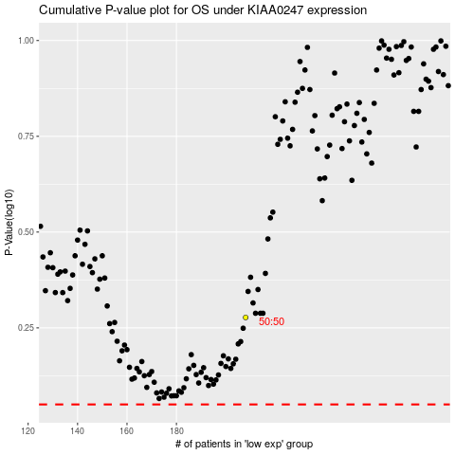

 |  |  |  |  |  | cases_OS | p_OS | rank | exp
 |  |  |  |  |  |  | cases_RFS | p_RFS | rank | exp

