KIAA0284 _multivariate
Reported by Tex Li-Hsing Chi. tex@gate.sinica.edu.tw 2019-08-18

Table 2. The clinicopathological features of HNSCC cohort and KIAA0284 expression. (Chi square test)
Cutoff at 0.018 (49.8%)
 |  | KIAA0284 expression |  | KIAA0284 expression |  | (Optimised)
 | Features | Low | (%) | High | (%) | Case no | P-value | Remark | Matthews
Gender | Female | 158 | 38.1 | 148 | 35.7 | 415 | 0.2774 | 0 | 0
2 | Male | 49 | 11.8 | 60 | 14.5
Age at diagnosis | <=65y | 144 | 34.7 | 130 | 31.3 | 415 | 0.1568 | 0 | 0
4 | >65y | 63 | 15.2 | 78 | 18.8
Clinical T Status | T1+T2 | 83 | 20 | 66 | 15.9 | 415 | 0.0941 | 0 | 0
6 | T3+T4 | 124 | 29.9 | 142 | 34.2
Clinical N Status | N0 | 102 | 24.6 | 114 | 27.5 | 415 | 0.3031 | 0 | 0
8 | N1-3 | 105 | 25.3 | 94 | 22.7
Clinical M Status | M0 | 207 | 49.9 | 205 | 49.4 | 415 | 0.2482 | 0 | 0
10 | M1 | 0 | 0 | 3 | 0.7
Clinical Stage | Stage I+II | 53 | 12.8 | 49 | 11.8 | 415 | 0.7113 | 0 | 0
12 | Stage III+IV | 154 | 37.1 | 159 | 38.3
Surgical Margin status | Negative | 152 | 36.6 | 166 | 40 | 415 | 0.1329 | 0 | 0
14 | Positive | 55 | 13.3 | 42 | 10.1
Tobacco Exposure | Low | 81 | 19.5 | 80 | 19.3 | 415 | 0.9199 | 0 | 0
16 | High | 126 | 30.4 | 128 | 30.8

Table 3. Univariate/Multivariate Cox's proportional hazards regression analyses on OS time of KIAA0284 gene expression in HNSCC

 |  | Univariate |  |  |  | Multivariate
 | Features | HR | CI95%(L) | CI95%(H) | P-value | HR | CI95%(L) | CI95%(H) | P-value
1 | Female | 1 |  |  |  | 1
Gender | Male | 1.157 | 0.843 | 1.587 | 0.367 | 1.212 | 0.868 | 1.692 | 0.26
11 | <=65y | 1 |  |  |  | 1
Age at diagnosis | >65y | 1.329 | 0.99 | 1.784 | 0.058 | 1.414 | 1.037 | 1.927 | 0.029
12 | T1+T2 | 1 |  |  |  | 1
Clinical T Status | T3+T4 | 1.409 | 1.028 | 1.931 | 0.033 | 2.24 | 1.183 | 4.243 | 0.013
13 | N0 | 1 |  |  |  | 1
Clinical N Status | N1-3 | 1.185 | 0.89 | 1.577 | 0.246 | 1.223 | 0.855 | 1.749 | 0.271
14 | M0 | 1 |  |  |  | 1
Clinical M Status | M1 | 4.097 | 1.009 | 16.644 | 0.049 | 10.142 | 2.178 | 47.221 | 0.003
15 | Stage I+II | 1 |  |  |  | 1
Clinical Stage | Stage III+IV | 1.245 | 0.882 | 1.759 | 0.213 | 0.507 | 0.236 | 1.087 | 0.081
16 | Negative | 1 |  |  |  | 1
Surgical Margin status | Positive | 1.591 | 1.155 | 2.191 | 0.004 | 1.645 | 1.187 | 2.28 | 0.003
17 | Low | 1 |  |  |  | 1
Tobacco Exposure | High | 1.364 | 1.008 | 1.844 | 0.044 | 1.463 | 1.062 | 2.015 | 0.02
18 | Low | 1 |  |  |  | 1
RNAseq(z-score) | High | 0.989 | 0.743 | 1.318 | 0.942 | 0.9 | 0.666 | 1.217 | 0.493

Table 4. Univariate/Multivariate Cox's proportional hazards regression analyses on RFS time of KIAA0284 gene expression in HNSCC

 |  | Univariate |  |  |  | Multivariate
 | Features | HR | CI95%(L) | CI95%(H) | P-value | HR | CI95%(L) | CI95%(H) | P-value
1 | Female | 1 |  |  |  | 1
Gender | Male | 1.157 | 0.843 | 1.587 | 0.367 | 1.212 | 0.868 | 1.692 | 0.26
11 | <=65y | 1 |  |  |  | 1
Age at diagnosis | >65y | 1.329 | 0.99 | 1.784 | 0.058 | 1.414 | 1.037 | 1.927 | 0.029
12 | T1+T2 | 1 |  |  |  | 1
Clinical T Status | T3+T4 | 1.409 | 1.028 | 1.931 | 0.033 | 2.24 | 1.183 | 4.243 | 0.013
13 | N0 | 1 |  |  |  | 1
Clinical N Status | N1-3 | 1.185 | 0.89 | 1.577 | 0.246 | 1.223 | 0.855 | 1.749 | 0.271
14 | M0 | 1 |  |  |  | 1
Clinical M Status | M1 | 4.097 | 1.009 | 16.644 | 0.049 | 10.142 | 2.178 | 47.221 | 0.003
15 | Stage I+II | 1 |  |  |  | 1
Clinical Stage | Stage III+IV | 1.245 | 0.882 | 1.759 | 0.213 | 0.507 | 0.236 | 1.087 | 0.081
16 | Negative | 1 |  |  |  | 1
Surgical Margin status | Positive | 1.591 | 1.155 | 2.191 | 0.004 | 1.645 | 1.187 | 2.28 | 0.003
17 | Low | 1 |  |  |  | 1
Tobacco Exposure | High | 1.364 | 1.008 | 1.844 | 0.044 | 1.463 | 1.062 | 2.015 | 0.02
18 | Low | 1 |  |  |  | 1
RNAseq(z-score) | High | 0.989 | 0.743 | 1.318 | 0.942 | 0.9 | 0.666 | 1.217 | 0.493

Kaplan-Meier survival estimate: Cutoff at 0.018 (49.8%)



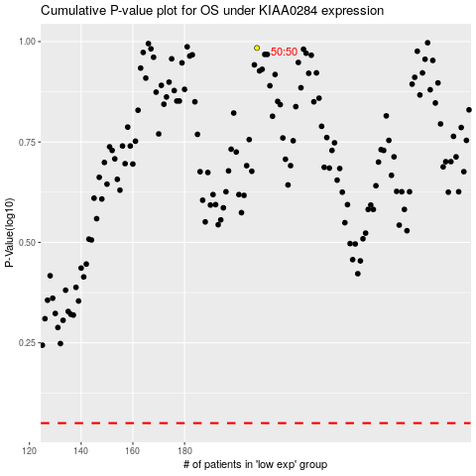

 |  |  |  |  |  | cases_OS | p_OS | rank | exp
 |  |  |  |  |  |  | cases_RFS | p_RFS | rank | exp

