KIAA0317 _multivariate
Reported by Tex Li-Hsing Chi. tex@gate.sinica.edu.tw 2019-08-18

Table 2. The clinicopathological features of HNSCC cohort and KIAA0317 expression. (Chi square test)
Cutoff at -0.08 (49.8%)
 |  | KIAA0317 expression |  | KIAA0317 expression |  | (Optimised)
 | Features | Low | (%) | High | (%) | Case no | P-value | Remark | Matthews
Gender | Female | 156 | 37.6 | 150 | 36.1 | 415 | 0.5222 | 0 | 0
2 | Male | 51 | 12.3 | 58 | 14
Age at diagnosis | <=65y | 141 | 34 | 133 | 32 | 415 | 0.4272 | 0 | 0
4 | >65y | 66 | 15.9 | 75 | 18.1
Clinical T Status | T1+T2 | 75 | 18.1 | 74 | 17.8 | 415 | 0.9707 | 0 | 0
6 | T3+T4 | 132 | 31.8 | 134 | 32.3
Clinical N Status | N0 | 106 | 25.5 | 110 | 26.5 | 415 | 0.8075 | 0 | 0
8 | N1-3 | 101 | 24.3 | 98 | 23.6
Clinical M Status | M0 | 205 | 49.4 | 207 | 49.9 | 415 | 0.6232 | 0 | 0
10 | M1 | 2 | 0.5 | 1 | 0.2
Clinical Stage | Stage I+II | 51 | 12.3 | 51 | 12.3 | 415 | 1 | 0 | 0
12 | Stage III+IV | 156 | 37.6 | 157 | 37.8
Surgical Margin status | Negative | 162 | 39 | 156 | 37.6 | 415 | 0.4867 | 0 | 0
14 | Positive | 45 | 10.8 | 52 | 12.5
Tobacco Exposure | Low | 84 | 20.2 | 77 | 18.6 | 415 | 0.4816 | 0 | 0
16 | High | 123 | 29.6 | 131 | 31.6

Table 3. Univariate/Multivariate Cox's proportional hazards regression analyses on OS time of KIAA0317 gene expression in HNSCC

 |  | Univariate |  |  |  | Multivariate
 | Features | HR | CI95%(L) | CI95%(H) | P-value | HR | CI95%(L) | CI95%(H) | P-value
1 | Female | 1 |  |  |  | 1
Gender | Male | 1.157 | 0.843 | 1.587 | 0.367 | 1.203 | 0.861 | 1.681 | 0.278
11 | <=65y | 1 |  |  |  | 1
Age at diagnosis | >65y | 1.329 | 0.99 | 1.784 | 0.058 | 1.397 | 1.026 | 1.902 | 0.034
12 | T1+T2 | 1 |  |  |  | 1
Clinical T Status | T3+T4 | 1.409 | 1.028 | 1.931 | 0.033 | 2.196 | 1.161 | 4.154 | 0.016
13 | N0 | 1 |  |  |  | 1
Clinical N Status | N1-3 | 1.185 | 0.89 | 1.577 | 0.246 | 1.236 | 0.865 | 1.766 | 0.244
14 | M0 | 1 |  |  |  | 1
Clinical M Status | M1 | 4.097 | 1.009 | 16.644 | 0.049 | 9.359 | 2.041 | 42.923 | 0.004
15 | Stage I+II | 1 |  |  |  | 1
Clinical Stage | Stage III+IV | 1.245 | 0.882 | 1.759 | 0.213 | 0.508 | 0.236 | 1.092 | 0.083
16 | Negative | 1 |  |  |  | 1
Surgical Margin status | Positive | 1.591 | 1.155 | 2.191 | 0.004 | 1.67 | 1.208 | 2.307 | 0.002
17 | Low | 1 |  |  |  | 1
Tobacco Exposure | High | 1.364 | 1.008 | 1.844 | 0.044 | 1.456 | 1.056 | 2.007 | 0.022
18 | Low | 1 |  |  |  | 1
RNAseq(z-score) | High | 1.001 | 0.751 | 1.336 | 0.992 | 0.965 | 0.721 | 1.293 | 0.813

Table 4. Univariate/Multivariate Cox's proportional hazards regression analyses on RFS time of KIAA0317 gene expression in HNSCC

 |  | Univariate |  |  |  | Multivariate
 | Features | HR | CI95%(L) | CI95%(H) | P-value | HR | CI95%(L) | CI95%(H) | P-value
1 | Female | 1 |  |  |  | 1
Gender | Male | 1.157 | 0.843 | 1.587 | 0.367 | 1.203 | 0.861 | 1.681 | 0.278
11 | <=65y | 1 |  |  |  | 1
Age at diagnosis | >65y | 1.329 | 0.99 | 1.784 | 0.058 | 1.397 | 1.026 | 1.902 | 0.034
12 | T1+T2 | 1 |  |  |  | 1
Clinical T Status | T3+T4 | 1.409 | 1.028 | 1.931 | 0.033 | 2.196 | 1.161 | 4.154 | 0.016
13 | N0 | 1 |  |  |  | 1
Clinical N Status | N1-3 | 1.185 | 0.89 | 1.577 | 0.246 | 1.236 | 0.865 | 1.766 | 0.244
14 | M0 | 1 |  |  |  | 1
Clinical M Status | M1 | 4.097 | 1.009 | 16.644 | 0.049 | 9.359 | 2.041 | 42.923 | 0.004
15 | Stage I+II | 1 |  |  |  | 1
Clinical Stage | Stage III+IV | 1.245 | 0.882 | 1.759 | 0.213 | 0.508 | 0.236 | 1.092 | 0.083
16 | Negative | 1 |  |  |  | 1
Surgical Margin status | Positive | 1.591 | 1.155 | 2.191 | 0.004 | 1.67 | 1.208 | 2.307 | 0.002
17 | Low | 1 |  |  |  | 1
Tobacco Exposure | High | 1.364 | 1.008 | 1.844 | 0.044 | 1.456 | 1.056 | 2.007 | 0.022
18 | Low | 1 |  |  |  | 1
RNAseq(z-score) | High | 1.001 | 0.751 | 1.336 | 0.992 | 0.965 | 0.721 | 1.293 | 0.813

Kaplan-Meier survival estimate: Cutoff at -0.08 (49.8%)



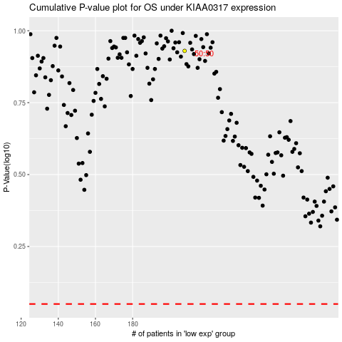

 |  |  |  |  |  | cases_OS | p_OS | rank | exp
 |  |  |  |  |  |  | cases_RFS | p_RFS | rank | exp

