KIAA0319 _multivariate
Reported by Tex Li-Hsing Chi. tex@gate.sinica.edu.tw 2019-08-18

Table 2. The clinicopathological features of HNSCC cohort and KIAA0319 expression. (Chi square test)
Cutoff at -0.27 (49.8%)
 |  | KIAA0319 expression |  | KIAA0319 expression |  | (Optimised)
 | Features | Low | (%) | High | (%) | Case no | P-value | Remark | Matthews
Gender | Female | 147 | 35.4 | 159 | 38.3 | 415 | 0.2523 | 0 | 0
2 | Male | 60 | 14.5 | 49 | 11.8
Age at diagnosis | <=65y | 140 | 33.7 | 134 | 32.3 | 415 | 0.5574 | 0 | 0
4 | >65y | 67 | 16.1 | 74 | 17.8
Clinical T Status | T1+T2 | 75 | 18.1 | 74 | 17.8 | 415 | 0.9707 | 0 | 0
6 | T3+T4 | 132 | 31.8 | 134 | 32.3
Clinical N Status | N0 | 102 | 24.6 | 114 | 27.5 | 415 | 0.3031 | 0 | 0
8 | N1-3 | 105 | 25.3 | 94 | 22.7
Clinical M Status | M0 | 206 | 49.6 | 206 | 49.6 | 415 | 1 | 0 | 0
10 | M1 | 1 | 0.2 | 2 | 0.5
Clinical Stage | Stage I+II | 56 | 13.5 | 46 | 11.1 | 415 | 0.2918 | 0 | 0
12 | Stage III+IV | 151 | 36.4 | 162 | 39
Surgical Margin status | Negative | 163 | 39.3 | 155 | 37.3 | 415 | 0.3537 | 0 | 0
14 | Positive | 44 | 10.6 | 53 | 12.8
Tobacco Exposure | Low | 99 | 23.9 | 62 | 14.9 | 415 | 2e-04 | 1 | 0
16 | High | 108 | 26 | 146 | 35.2

Table 3. Univariate/Multivariate Cox's proportional hazards regression analyses on OS time of KIAA0319 gene expression in HNSCC

 |  | Univariate |  |  |  | Multivariate
 | Features | HR | CI95%(L) | CI95%(H) | P-value | HR | CI95%(L) | CI95%(H) | P-value
1 | Female | 1 |  |  |  | 1
Gender | Male | 1.157 | 0.843 | 1.587 | 0.367 | 1.196 | 0.856 | 1.671 | 0.295
11 | <=65y | 1 |  |  |  | 1
Age at diagnosis | >65y | 1.329 | 0.99 | 1.784 | 0.058 | 1.423 | 1.044 | 1.939 | 0.026
12 | T1+T2 | 1 |  |  |  | 1
Clinical T Status | T3+T4 | 1.409 | 1.028 | 1.931 | 0.033 | 2.111 | 1.112 | 4.008 | 0.022
13 | N0 | 1 |  |  |  | 1
Clinical N Status | N1-3 | 1.185 | 0.89 | 1.577 | 0.246 | 1.204 | 0.841 | 1.724 | 0.311
14 | M0 | 1 |  |  |  | 1
Clinical M Status | M1 | 4.097 | 1.009 | 16.644 | 0.049 | 9.302 | 2.03 | 42.631 | 0.004
15 | Stage I+II | 1 |  |  |  | 1
Clinical Stage | Stage III+IV | 1.245 | 0.882 | 1.759 | 0.213 | 0.546 | 0.251 | 1.185 | 0.126
16 | Negative | 1 |  |  |  | 1
Surgical Margin status | Positive | 1.591 | 1.155 | 2.191 | 0.004 | 1.686 | 1.22 | 2.329 | 0.002
17 | Low | 1 |  |  |  | 1
Tobacco Exposure | High | 1.364 | 1.008 | 1.844 | 0.044 | 1.512 | 1.089 | 2.1 | 0.014
18 | Low | 1 |  |  |  | 1
RNAseq(z-score) | High | 0.916 | 0.686 | 1.224 | 0.553 | 0.835 | 0.616 | 1.132 | 0.246

Table 4. Univariate/Multivariate Cox's proportional hazards regression analyses on RFS time of KIAA0319 gene expression in HNSCC

 |  | Univariate |  |  |  | Multivariate
 | Features | HR | CI95%(L) | CI95%(H) | P-value | HR | CI95%(L) | CI95%(H) | P-value
1 | Female | 1 |  |  |  | 1
Gender | Male | 1.157 | 0.843 | 1.587 | 0.367 | 1.196 | 0.856 | 1.671 | 0.295
11 | <=65y | 1 |  |  |  | 1
Age at diagnosis | >65y | 1.329 | 0.99 | 1.784 | 0.058 | 1.423 | 1.044 | 1.939 | 0.026
12 | T1+T2 | 1 |  |  |  | 1
Clinical T Status | T3+T4 | 1.409 | 1.028 | 1.931 | 0.033 | 2.111 | 1.112 | 4.008 | 0.022
13 | N0 | 1 |  |  |  | 1
Clinical N Status | N1-3 | 1.185 | 0.89 | 1.577 | 0.246 | 1.204 | 0.841 | 1.724 | 0.311
14 | M0 | 1 |  |  |  | 1
Clinical M Status | M1 | 4.097 | 1.009 | 16.644 | 0.049 | 9.302 | 2.03 | 42.631 | 0.004
15 | Stage I+II | 1 |  |  |  | 1
Clinical Stage | Stage III+IV | 1.245 | 0.882 | 1.759 | 0.213 | 0.546 | 0.251 | 1.185 | 0.126
16 | Negative | 1 |  |  |  | 1
Surgical Margin status | Positive | 1.591 | 1.155 | 2.191 | 0.004 | 1.686 | 1.22 | 2.329 | 0.002
17 | Low | 1 |  |  |  | 1
Tobacco Exposure | High | 1.364 | 1.008 | 1.844 | 0.044 | 1.512 | 1.089 | 2.1 | 0.014
18 | Low | 1 |  |  |  | 1
RNAseq(z-score) | High | 0.916 | 0.686 | 1.224 | 0.553 | 0.835 | 0.616 | 1.132 | 0.246

Kaplan-Meier survival estimate: Cutoff at -0.27 (49.8%)



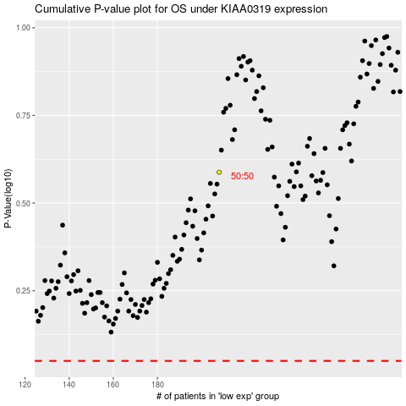

 |  |  |  |  |  | cases_OS | p_OS | rank | exp
 |  |  |  |  |  |  | cases_RFS | p_RFS | rank | exp

