KIAA0319L _multivariate
Reported by Tex Li-Hsing Chi. tex@gate.sinica.edu.tw 2019-08-18

Table 2. The clinicopathological features of HNSCC cohort and KIAA0319L expression. (Chi square test)
Cutoff at -0.19 (50.0%)
 |  | KIAA0319L expression |  | KIAA0319L expression |  | (Optimised)
 | Features | Low | (%) | High | (%) | Case no | P-value | Remark | Matthews
Gender | Female | 156 | 37.6 | 150 | 36.1 | 415 | 0.5222 | 0 | 0
2 | Male | 51 | 12.3 | 58 | 14
Age at diagnosis | <=65y | 132 | 31.8 | 142 | 34.2 | 415 | 0.3874 | 0 | 0
4 | >65y | 75 | 18.1 | 66 | 15.9
Clinical T Status | T1+T2 | 68 | 16.4 | 81 | 19.5 | 415 | 0.2336 | 0 | 0
6 | T3+T4 | 139 | 33.5 | 127 | 30.6
Clinical N Status | N0 | 102 | 24.6 | 114 | 27.5 | 415 | 0.3031 | 0 | 0
8 | N1-3 | 105 | 25.3 | 94 | 22.7
Clinical M Status | M0 | 207 | 49.9 | 205 | 49.4 | 415 | 0.2482 | 0 | 0
10 | M1 | 0 | 0 | 3 | 0.7
Clinical Stage | Stage I+II | 48 | 11.6 | 54 | 13 | 415 | 0.5878 | 0 | 0
12 | Stage III+IV | 159 | 38.3 | 154 | 37.1
Surgical Margin status | Negative | 158 | 38.1 | 160 | 38.6 | 415 | 0.9081 | 0 | 0
14 | Positive | 49 | 11.8 | 48 | 11.6
Tobacco Exposure | Low | 71 | 17.1 | 90 | 21.7 | 415 | 0.0698 | 0 | 0
16 | High | 136 | 32.8 | 118 | 28.4

Table 3. Univariate/Multivariate Cox's proportional hazards regression analyses on OS time of KIAA0319L gene expression in HNSCC

 |  | Univariate |  |  |  | Multivariate
 | Features | HR | CI95%(L) | CI95%(H) | P-value | HR | CI95%(L) | CI95%(H) | P-value
1 | Female | 1 |  |  |  | 1
Gender | Male | 1.157 | 0.843 | 1.587 | 0.367 | 1.194 | 0.855 | 1.668 | 0.298
11 | <=65y | 1 |  |  |  | 1
Age at diagnosis | >65y | 1.329 | 0.99 | 1.784 | 0.058 | 1.399 | 1.029 | 1.902 | 0.032
12 | T1+T2 | 1 |  |  |  | 1
Clinical T Status | T3+T4 | 1.409 | 1.028 | 1.931 | 0.033 | 2.232 | 1.179 | 4.225 | 0.014
13 | N0 | 1 |  |  |  | 1
Clinical N Status | N1-3 | 1.185 | 0.89 | 1.577 | 0.246 | 1.26 | 0.881 | 1.804 | 0.206
14 | M0 | 1 |  |  |  | 1
Clinical M Status | M1 | 4.097 | 1.009 | 16.644 | 0.049 | 8.99 | 1.95 | 41.445 | 0.005
15 | Stage I+II | 1 |  |  |  | 1
Clinical Stage | Stage III+IV | 1.245 | 0.882 | 1.759 | 0.213 | 0.496 | 0.231 | 1.066 | 0.072
16 | Negative | 1 |  |  |  | 1
Surgical Margin status | Positive | 1.591 | 1.155 | 2.191 | 0.004 | 1.671 | 1.209 | 2.309 | 0.002
17 | Low | 1 |  |  |  | 1
Tobacco Exposure | High | 1.364 | 1.008 | 1.844 | 0.044 | 1.464 | 1.062 | 2.018 | 0.02
18 | Low | 1 |  |  |  | 1
RNAseq(z-score) | High | 1.04 | 0.781 | 1.385 | 0.791 | 1.103 | 0.823 | 1.478 | 0.51

Table 4. Univariate/Multivariate Cox's proportional hazards regression analyses on RFS time of KIAA0319L gene expression in HNSCC

 |  | Univariate |  |  |  | Multivariate
 | Features | HR | CI95%(L) | CI95%(H) | P-value | HR | CI95%(L) | CI95%(H) | P-value
1 | Female | 1 |  |  |  | 1
Gender | Male | 1.157 | 0.843 | 1.587 | 0.367 | 1.194 | 0.855 | 1.668 | 0.298
11 | <=65y | 1 |  |  |  | 1
Age at diagnosis | >65y | 1.329 | 0.99 | 1.784 | 0.058 | 1.399 | 1.029 | 1.902 | 0.032
12 | T1+T2 | 1 |  |  |  | 1
Clinical T Status | T3+T4 | 1.409 | 1.028 | 1.931 | 0.033 | 2.232 | 1.179 | 4.225 | 0.014
13 | N0 | 1 |  |  |  | 1
Clinical N Status | N1-3 | 1.185 | 0.89 | 1.577 | 0.246 | 1.26 | 0.881 | 1.804 | 0.206
14 | M0 | 1 |  |  |  | 1
Clinical M Status | M1 | 4.097 | 1.009 | 16.644 | 0.049 | 8.99 | 1.95 | 41.445 | 0.005
15 | Stage I+II | 1 |  |  |  | 1
Clinical Stage | Stage III+IV | 1.245 | 0.882 | 1.759 | 0.213 | 0.496 | 0.231 | 1.066 | 0.072
16 | Negative | 1 |  |  |  | 1
Surgical Margin status | Positive | 1.591 | 1.155 | 2.191 | 0.004 | 1.671 | 1.209 | 2.309 | 0.002
17 | Low | 1 |  |  |  | 1
Tobacco Exposure | High | 1.364 | 1.008 | 1.844 | 0.044 | 1.464 | 1.062 | 2.018 | 0.02
18 | Low | 1 |  |  |  | 1
RNAseq(z-score) | High | 1.04 | 0.781 | 1.385 | 0.791 | 1.103 | 0.823 | 1.478 | 0.51

Kaplan-Meier survival estimate: Cutoff at -0.19 (50.0%)



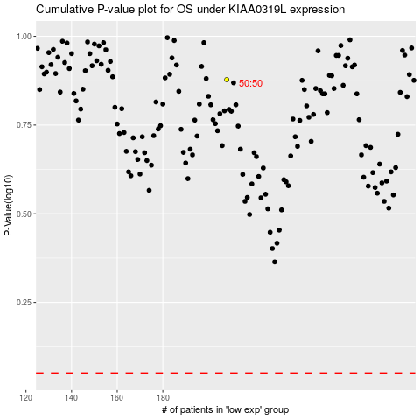

 |  |  |  |  |  | cases_OS | p_OS | rank | exp
 |  |  |  |  |  |  | cases_RFS | p_RFS | rank | exp

