KIAA0355 _multivariate
Reported by Tex Li-Hsing Chi. tex@gate.sinica.edu.tw 2019-08-18

Table 2. The clinicopathological features of HNSCC cohort and KIAA0355 expression. (Chi square test)
Cutoff at -0.564 (32.1%)
 |  | KIAA0355 expression |  | KIAA0355 expression |  | (Optimised)
 | Features | Low | (%) | High | (%) | Case no | P-value | Remark | Matthews
Gender | Female | 99 | 23.9 | 207 | 49.9 | 415 | 0.9177 | 0 | 0
2 | Male | 34 | 8.2 | 75 | 18.1
Age at diagnosis | <=65y | 87 | 21 | 187 | 45.1 | 415 | 0.9447 | 0 | 0
4 | >65y | 46 | 11.1 | 95 | 22.9
Clinical T Status | T1+T2 | 50 | 12 | 99 | 23.9 | 415 | 0.7015 | 0 | 0
6 | T3+T4 | 83 | 20 | 183 | 44.1
Clinical N Status | N0 | 69 | 16.6 | 147 | 35.4 | 415 | 1 | 0 | 0
8 | N1-3 | 64 | 15.4 | 135 | 32.5
Clinical M Status | M0 | 131 | 31.6 | 281 | 67.7 | 415 | 0.2417 | 0 | 0
10 | M1 | 2 | 0.5 | 1 | 0.2
Clinical Stage | Stage I+II | 32 | 7.7 | 70 | 16.9 | 415 | 0.9631 | 0 | 0
12 | Stage III+IV | 101 | 24.3 | 212 | 51.1
Surgical Margin status | Negative | 94 | 22.7 | 224 | 54 | 415 | 0.0619 | 0 | 0
14 | Positive | 39 | 9.4 | 58 | 14
Tobacco Exposure | Low | 49 | 11.8 | 112 | 27 | 415 | 0.5912 | 0 | 0
16 | High | 84 | 20.2 | 170 | 41

Table 3. Univariate/Multivariate Cox's proportional hazards regression analyses on OS time of KIAA0355 gene expression in HNSCC

 |  | Univariate |  |  |  | Multivariate
 | Features | HR | CI95%(L) | CI95%(H) | P-value | HR | CI95%(L) | CI95%(H) | P-value
1 | Female | 1 |  |  |  | 1
Gender | Male | 1.157 | 0.843 | 1.587 | 0.367 | 1.192 | 0.853 | 1.666 | 0.304
11 | <=65y | 1 |  |  |  | 1
Age at diagnosis | >65y | 1.329 | 0.99 | 1.784 | 0.058 | 1.38 | 1.016 | 1.874 | 0.039
12 | T1+T2 | 1 |  |  |  | 1
Clinical T Status | T3+T4 | 1.409 | 1.028 | 1.931 | 0.033 | 2.209 | 1.168 | 4.177 | 0.015
13 | N0 | 1 |  |  |  | 1
Clinical N Status | N1-3 | 1.185 | 0.89 | 1.577 | 0.246 | 1.244 | 0.872 | 1.775 | 0.229
14 | M0 | 1 |  |  |  | 1
Clinical M Status | M1 | 4.097 | 1.009 | 16.644 | 0.049 | 8.716 | 1.894 | 40.105 | 0.005
15 | Stage I+II | 1 |  |  |  | 1
Clinical Stage | Stage III+IV | 1.245 | 0.882 | 1.759 | 0.213 | 0.508 | 0.237 | 1.089 | 0.082
16 | Negative | 1 |  |  |  | 1
Surgical Margin status | Positive | 1.591 | 1.155 | 2.191 | 0.004 | 1.625 | 1.173 | 2.25 | 0.003
17 | Low | 1 |  |  |  | 1
Tobacco Exposure | High | 1.364 | 1.008 | 1.844 | 0.044 | 1.419 | 1.028 | 1.959 | 0.033
18 | Low | 1 |  |  |  | 1
RNAseq(z-score) | High | 0.729 | 0.539 | 0.984 | 0.039 | 0.801 | 0.59 | 1.087 | 0.155

Table 4. Univariate/Multivariate Cox's proportional hazards regression analyses on RFS time of KIAA0355 gene expression in HNSCC

 |  | Univariate |  |  |  | Multivariate
 | Features | HR | CI95%(L) | CI95%(H) | P-value | HR | CI95%(L) | CI95%(H) | P-value
1 | Female | 1 |  |  |  | 1
Gender | Male | 1.157 | 0.843 | 1.587 | 0.367 | 1.192 | 0.853 | 1.666 | 0.304
11 | <=65y | 1 |  |  |  | 1
Age at diagnosis | >65y | 1.329 | 0.99 | 1.784 | 0.058 | 1.38 | 1.016 | 1.874 | 0.039
12 | T1+T2 | 1 |  |  |  | 1
Clinical T Status | T3+T4 | 1.409 | 1.028 | 1.931 | 0.033 | 2.209 | 1.168 | 4.177 | 0.015
13 | N0 | 1 |  |  |  | 1
Clinical N Status | N1-3 | 1.185 | 0.89 | 1.577 | 0.246 | 1.244 | 0.872 | 1.775 | 0.229
14 | M0 | 1 |  |  |  | 1
Clinical M Status | M1 | 4.097 | 1.009 | 16.644 | 0.049 | 8.716 | 1.894 | 40.105 | 0.005
15 | Stage I+II | 1 |  |  |  | 1
Clinical Stage | Stage III+IV | 1.245 | 0.882 | 1.759 | 0.213 | 0.508 | 0.237 | 1.089 | 0.082
16 | Negative | 1 |  |  |  | 1
Surgical Margin status | Positive | 1.591 | 1.155 | 2.191 | 0.004 | 1.625 | 1.173 | 2.25 | 0.003
17 | Low | 1 |  |  |  | 1
Tobacco Exposure | High | 1.364 | 1.008 | 1.844 | 0.044 | 1.419 | 1.028 | 1.959 | 0.033
18 | Low | 1 |  |  |  | 1
RNAseq(z-score) | High | 0.729 | 0.539 | 0.984 | 0.039 | 0.801 | 0.59 | 1.087 | 0.155

Kaplan-Meier survival estimate: Cutoff at -0.564 (32.1%)



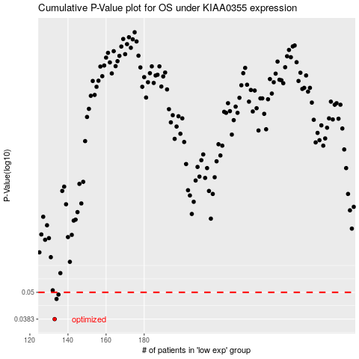

 |  |  |  |  |  | cases_OS | p_OS | rank | exp
 |  |  |  |  |  | 133 | 0.0383 | 357 | -0.5636507431
 |  |  |  |  |  | 134 | 0.0468 | 94 | -0.55840140237
 |  |  |  |  |  | 135 | 0.0489 | 324 | -0.54738874689
 |  |  |  |  |  |  | cases_RFS | p_RFS | rank | exp
 |  |  |  |  |  |  | 132 | 0.0383 | 137 | -0.56780584511
 |  |  |  |  |  |  | 133 | 0.0468 | 357 | -0.5636507431
 |  |  |  |  |  |  | 134 | 0.0489 | 94 | -0.55840140237

