KIAA0513 _multivariate
Reported by Tex Li-Hsing Chi. tex@gate.sinica.edu.tw 2019-08-18

Table 2. The clinicopathological features of HNSCC cohort and KIAA0513 expression. (Chi square test)
Cutoff at -0.206 (52.4%)
 |  | KIAA0513 expression |  | KIAA0513 expression |  | (Optimised)
 | Features | Low | (%) | High | (%) | Case no | P-value | Remark | Matthews
Gender | Female | 161 | 38.8 | 145 | 34.9 | 415 | 0.9119 | 0 | 0
2 | Male | 56 | 13.5 | 53 | 12.8
Age at diagnosis | <=65y | 142 | 34.2 | 132 | 31.8 | 415 | 0.8727 | 0 | 0
4 | >65y | 75 | 18.1 | 66 | 15.9
Clinical T Status | T1+T2 | 66 | 15.9 | 83 | 20 | 415 | 0.0194 | 1 | 0
6 | T3+T4 | 151 | 36.4 | 115 | 27.7
Clinical N Status | N0 | 107 | 25.8 | 109 | 26.3 | 415 | 0.2841 | 0 | 0
8 | N1-3 | 110 | 26.5 | 89 | 21.4
Clinical M Status | M0 | 215 | 51.8 | 197 | 47.5 | 415 | 1 | 0 | 0
10 | M1 | 2 | 0.5 | 1 | 0.2
Clinical Stage | Stage I+II | 45 | 10.8 | 57 | 13.7 | 415 | 0.0737 | 0 | 0
12 | Stage III+IV | 172 | 41.4 | 141 | 34
Surgical Margin status | Negative | 163 | 39.3 | 155 | 37.3 | 415 | 0.4867 | 0 | 0
14 | Positive | 54 | 13 | 43 | 10.4
Tobacco Exposure | Low | 74 | 17.8 | 87 | 21 | 415 | 0.044 | 1 | 0
16 | High | 143 | 34.5 | 111 | 26.7

Table 3. Univariate/Multivariate Cox's proportional hazards regression analyses on OS time of KIAA0513 gene expression in HNSCC

 |  | Univariate |  |  |  | Multivariate
 | Features | HR | CI95%(L) | CI95%(H) | P-value | HR | CI95%(L) | CI95%(H) | P-value
1 | Female | 1 |  |  |  | 1
Gender | Male | 1.157 | 0.843 | 1.587 | 0.367 | 1.192 | 0.852 | 1.667 | 0.306
11 | <=65y | 1 |  |  |  | 1
Age at diagnosis | >65y | 1.329 | 0.99 | 1.784 | 0.058 | 1.382 | 1.017 | 1.879 | 0.039
12 | T1+T2 | 1 |  |  |  | 1
Clinical T Status | T3+T4 | 1.409 | 1.028 | 1.931 | 0.033 | 2.175 | 1.151 | 4.11 | 0.017
13 | N0 | 1 |  |  |  | 1
Clinical N Status | N1-3 | 1.185 | 0.89 | 1.577 | 0.246 | 1.241 | 0.87 | 1.772 | 0.234
14 | M0 | 1 |  |  |  | 1
Clinical M Status | M1 | 4.097 | 1.009 | 16.644 | 0.049 | 9.205 | 2.007 | 42.221 | 0.004
15 | Stage I+II | 1 |  |  |  | 1
Clinical Stage | Stage III+IV | 1.245 | 0.882 | 1.759 | 0.213 | 0.491 | 0.229 | 1.052 | 0.067
16 | Negative | 1 |  |  |  | 1
Surgical Margin status | Positive | 1.591 | 1.155 | 2.191 | 0.004 | 1.674 | 1.211 | 2.313 | 0.002
17 | Low | 1 |  |  |  | 1
Tobacco Exposure | High | 1.364 | 1.008 | 1.844 | 0.044 | 1.414 | 1.024 | 1.953 | 0.035
18 | Low | 1 |  |  |  | 1
RNAseq(z-score) | High | 0.696 | 0.52 | 0.931 | 0.015 | 0.735 | 0.547 | 0.985 | 0.04

Table 4. Univariate/Multivariate Cox's proportional hazards regression analyses on RFS time of KIAA0513 gene expression in HNSCC

 |  | Univariate |  |  |  | Multivariate
 | Features | HR | CI95%(L) | CI95%(H) | P-value | HR | CI95%(L) | CI95%(H) | P-value
1 | Female | 1 |  |  |  | 1
Gender | Male | 1.157 | 0.843 | 1.587 | 0.367 | 1.192 | 0.852 | 1.667 | 0.306
11 | <=65y | 1 |  |  |  | 1
Age at diagnosis | >65y | 1.329 | 0.99 | 1.784 | 0.058 | 1.382 | 1.017 | 1.879 | 0.039
12 | T1+T2 | 1 |  |  |  | 1
Clinical T Status | T3+T4 | 1.409 | 1.028 | 1.931 | 0.033 | 2.175 | 1.151 | 4.11 | 0.017
13 | N0 | 1 |  |  |  | 1
Clinical N Status | N1-3 | 1.185 | 0.89 | 1.577 | 0.246 | 1.241 | 0.87 | 1.772 | 0.234
14 | M0 | 1 |  |  |  | 1
Clinical M Status | M1 | 4.097 | 1.009 | 16.644 | 0.049 | 9.205 | 2.007 | 42.221 | 0.004
15 | Stage I+II | 1 |  |  |  | 1
Clinical Stage | Stage III+IV | 1.245 | 0.882 | 1.759 | 0.213 | 0.491 | 0.229 | 1.052 | 0.067
16 | Negative | 1 |  |  |  | 1
Surgical Margin status | Positive | 1.591 | 1.155 | 2.191 | 0.004 | 1.674 | 1.211 | 2.313 | 0.002
17 | Low | 1 |  |  |  | 1
Tobacco Exposure | High | 1.364 | 1.008 | 1.844 | 0.044 | 1.414 | 1.024 | 1.953 | 0.035
18 | Low | 1 |  |  |  | 1
RNAseq(z-score) | High | 0.696 | 0.52 | 0.931 | 0.015 | 0.735 | 0.547 | 0.985 | 0.04

Kaplan-Meier survival estimate: Cutoff at -0.206 (52.4%)

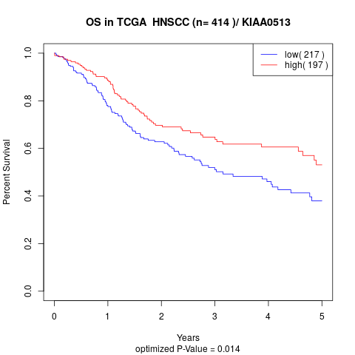

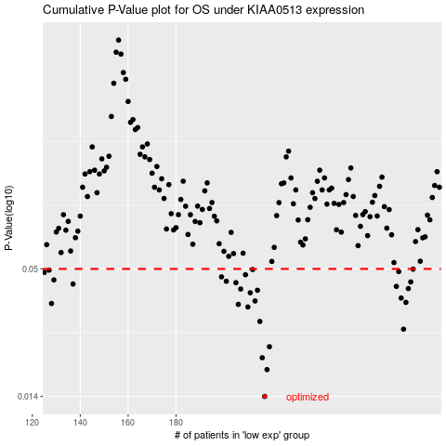

 |  |  |  |  |  | cases_OS | p_OS | rank | exp
 |  |  |  |  |  | 217 | 0.014 | 399 | -0.20625377549
 |  |  |  |  |  | 218 | 0.0183 | 150 | -0.20401091191
 |  |  |  |  |  | 216 | 0.0206 | 198 | -0.21308315284
 |  |  |  |  |  | 219 | 0.023 | 271 | -0.18458923716
 |  |  |  |  |  | 275 | 0.0274 | 282 | 0.079691800659
 |  |  |  |  |  | 215 | 0.0296 | 155 | -0.21438976193
 |  |  |  |  |  | 210 | 0.0342 | 378 | -0.22945446561
 |  |  |  |  |  | 206 | 0.0351 | 171 | -0.25279717322
 |  |  |  |  |  | 128 | 0.0354 | 286 | -0.57394934212
 |  |  |  |  |  | 276 | 0.0358 | 269 | 0.080650478965
 |  |  |  |  |  | 213 | 0.0363 | 8 | -0.22329177476
 |  |  |  |  |  | 274 | 0.0374 | 133 | 0.079341458713
 |  |  |  |  |  | 211 | 0.0394 | 105 | -0.22506205045
 |  |  |  |  |  | 214 | 0.0404 | 199 | -0.21740516205
 |  |  |  |  |  | 207 | 0.0409 | 188 | -0.25145584338
 |  |  |  |  |  | 277 | 0.0411 | 319 | 0.082766274269
 |  |  |  |  |  | 272 | 0.042 | 311 | 0.067384502684
 |  |  |  |  |  | 137 | 0.043 | 183 | -0.54396870349
 |  |  |  |  |  | 205 | 0.0436 | 410 | -0.25838600733
 |  |  |  |  |  | 278 | 0.0439 | 9 | 0.10119816672
 |  |  |  |  |  | 201 | 0.0442 | 41 | -0.2752417227
 |  |  |  |  |  | 129 | 0.0448 | 184 | -0.5712970631
 |  |  |  |  |  | 199 | 0.0462 | 122 | -0.27876853044
 |  |  |  |  |  | 209 | 0.0472 | 389 | -0.2335450032
 |  |  |  |  |  | 125 | 0.0483 | 363 | -0.58079053416
 |  |  |  |  |  | 273 | 0.0487 | 117 | 0.070375550064
 |  |  |  |  |  | 127 | 0.0494 | 355 | -0.57532008814
 |  |  |  |  |  | 212 | 0.0497 | 261 | -0.2235545915
 |  |  |  |  |  | 279 | 0.0499 | 396 | 0.10482310878
 |  |  |  |  |  |  | cases_RFS | p_RFS | rank | exp
 |  |  |  |  |  |  | 216 | 0.014 | 198 | -0.21308315284
 |  |  |  |  |  |  | 217 | 0.0183 | 399 | -0.20625377549
 |  |  |  |  |  |  | 215 | 0.0206 | 155 | -0.21438976193
 |  |  |  |  |  |  | 218 | 0.023 | 150 | -0.20401091191
 |  |  |  |  |  |  | 274 | 0.0274 | 133 | 0.079341458713
 |  |  |  |  |  |  | 214 | 0.0296 | 199 | -0.21740516205
 |  |  |  |  |  |  | 209 | 0.0342 | 389 | -0.2335450032
 |  |  |  |  |  |  | 205 | 0.0351 | 410 | -0.25838600733
 |  |  |  |  |  |  | 127 | 0.0354 | 355 | -0.57532008814
 |  |  |  |  |  |  | 275 | 0.0358 | 282 | 0.079691800659
 |  |  |  |  |  |  | 212 | 0.0363 | 261 | -0.2235545915
 |  |  |  |  |  |  | 273 | 0.0374 | 117 | 0.070375550064
 |  |  |  |  |  |  | 210 | 0.0394 | 378 | -0.22945446561
 |  |  |  |  |  |  | 213 | 0.0404 | 8 | -0.22329177476
 |  |  |  |  |  |  | 206 | 0.0409 | 171 | -0.25279717322
 |  |  |  |  |  |  | 276 | 0.0411 | 269 | 0.080650478965
 |  |  |  |  |  |  | 271 | 0.042 | 220 | 0.064775624599
 |  |  |  |  |  |  | 136 | 0.043 | 214 | -0.54694769506
 |  |  |  |  |  |  | 204 | 0.0436 | 296 | -0.26225303013
 |  |  |  |  |  |  | 277 | 0.0439 | 319 | 0.082766274269
 |  |  |  |  |  |  | 200 | 0.0442 | 223 | -0.27643283709
 |  |  |  |  |  |  | 128 | 0.0448 | 286 | -0.57394934212
 |  |  |  |  |  |  | 198 | 0.0462 | 216 | -0.28218563027
 |  |  |  |  |  |  | 208 | 0.0472 | 260 | -0.24430722809
 |  |  |  |  |  |  |  | 0.0483 | 217 | -0.59061843349
 |  |  |  |  |  |  | 272 | 0.0487 | 311 | 0.067384502684
 |  |  |  |  |  |  | 126 | 0.0494 | 237 | -0.57880638834
 |  |  |  |  |  |  | 211 | 0.0497 | 105 | -0.22506205045
 |  |  |  |  |  |  | 278 | 0.0499 | 9 | 0.10119816672

