KIAA0562 _multivariate
Reported by Tex Li-Hsing Chi. tex@gate.sinica.edu.tw 2019-08-18

Table 2. The clinicopathological features of HNSCC cohort and KIAA0562 expression. (Chi square test)
Cutoff at -0.066 (49.3%)
 |  | KIAA0562 expression |  | KIAA0562 expression |  | (Optimised)
 | Features | Low | (%) | High | (%) | Case no | P-value | Remark | Matthews
Gender | Female | 152 | 36.6 | 154 | 37.1 | 415 | 0.9389 | 0 | 0
2 | Male | 53 | 12.8 | 56 | 13.5
Age at diagnosis | <=65y | 130 | 31.3 | 144 | 34.7 | 415 | 0.3148 | 0 | 0
4 | >65y | 75 | 18.1 | 66 | 15.9
Clinical T Status | T1+T2 | 74 | 17.8 | 75 | 18.1 | 415 | 1 | 0 | 0
6 | T3+T4 | 131 | 31.6 | 135 | 32.5
Clinical N Status | N0 | 106 | 25.5 | 110 | 26.5 | 415 | 0.9688 | 0 | 0
8 | N1-3 | 99 | 23.9 | 100 | 24.1
Clinical M Status | M0 | 204 | 49.2 | 208 | 50.1 | 415 | 1 | 0 | 0
10 | M1 | 1 | 0.2 | 2 | 0.5
Clinical Stage | Stage I+II | 46 | 11.1 | 56 | 13.5 | 415 | 0.3756 | 0 | 0
12 | Stage III+IV | 159 | 38.3 | 154 | 37.1
Surgical Margin status | Negative | 153 | 36.9 | 165 | 39.8 | 415 | 0.3557 | 0 | 0
14 | Positive | 52 | 12.5 | 45 | 10.8
Tobacco Exposure | Low | 81 | 19.5 | 80 | 19.3 | 415 | 0.8404 | 0 | 0
16 | High | 124 | 29.9 | 130 | 31.3

Table 3. Univariate/Multivariate Cox's proportional hazards regression analyses on OS time of KIAA0562 gene expression in HNSCC

 |  | Univariate |  |  |  | Multivariate
 | Features | HR | CI95%(L) | CI95%(H) | P-value | HR | CI95%(L) | CI95%(H) | P-value
1 | Female | 1 |  |  |  | 1
Gender | Male | 1.157 | 0.843 | 1.587 | 0.367 | 1.21 | 0.868 | 1.687 | 0.26
11 | <=65y | 1 |  |  |  | 1
Age at diagnosis | >65y | 1.329 | 0.99 | 1.784 | 0.058 | 1.407 | 1.035 | 1.912 | 0.029
12 | T1+T2 | 1 |  |  |  | 1
Clinical T Status | T3+T4 | 1.409 | 1.028 | 1.931 | 0.033 | 2.135 | 1.128 | 4.04 | 0.02
13 | N0 | 1 |  |  |  | 1
Clinical N Status | N1-3 | 1.185 | 0.89 | 1.577 | 0.246 | 1.223 | 0.856 | 1.747 | 0.27
14 | M0 | 1 |  |  |  | 1
Clinical M Status | M1 | 4.097 | 1.009 | 16.644 | 0.049 | 8.942 | 1.948 | 41.045 | 0.005
15 | Stage I+II | 1 |  |  |  | 1
Clinical Stage | Stage III+IV | 1.245 | 0.882 | 1.759 | 0.213 | 0.533 | 0.248 | 1.145 | 0.107
16 | Negative | 1 |  |  |  | 1
Surgical Margin status | Positive | 1.591 | 1.155 | 2.191 | 0.004 | 1.736 | 1.254 | 2.404 | 0.001
17 | Low | 1 |  |  |  | 1
Tobacco Exposure | High | 1.364 | 1.008 | 1.844 | 0.044 | 1.467 | 1.066 | 2.019 | 0.019
18 | Low | 1 |  |  |  | 1
RNAseq(z-score) | High | 1.38 | 1.032 | 1.845 | 0.03 | 1.443 | 1.077 | 1.934 | 0.014

Table 4. Univariate/Multivariate Cox's proportional hazards regression analyses on RFS time of KIAA0562 gene expression in HNSCC

 |  | Univariate |  |  |  | Multivariate
 | Features | HR | CI95%(L) | CI95%(H) | P-value | HR | CI95%(L) | CI95%(H) | P-value
1 | Female | 1 |  |  |  | 1
Gender | Male | 1.157 | 0.843 | 1.587 | 0.367 | 1.21 | 0.868 | 1.687 | 0.26
11 | <=65y | 1 |  |  |  | 1
Age at diagnosis | >65y | 1.329 | 0.99 | 1.784 | 0.058 | 1.407 | 1.035 | 1.912 | 0.029
12 | T1+T2 | 1 |  |  |  | 1
Clinical T Status | T3+T4 | 1.409 | 1.028 | 1.931 | 0.033 | 2.135 | 1.128 | 4.04 | 0.02
13 | N0 | 1 |  |  |  | 1
Clinical N Status | N1-3 | 1.185 | 0.89 | 1.577 | 0.246 | 1.223 | 0.856 | 1.747 | 0.27
14 | M0 | 1 |  |  |  | 1
Clinical M Status | M1 | 4.097 | 1.009 | 16.644 | 0.049 | 8.942 | 1.948 | 41.045 | 0.005
15 | Stage I+II | 1 |  |  |  | 1
Clinical Stage | Stage III+IV | 1.245 | 0.882 | 1.759 | 0.213 | 0.533 | 0.248 | 1.145 | 0.107
16 | Negative | 1 |  |  |  | 1
Surgical Margin status | Positive | 1.591 | 1.155 | 2.191 | 0.004 | 1.736 | 1.254 | 2.404 | 0.001
17 | Low | 1 |  |  |  | 1
Tobacco Exposure | High | 1.364 | 1.008 | 1.844 | 0.044 | 1.467 | 1.066 | 2.019 | 0.019
18 | Low | 1 |  |  |  | 1
RNAseq(z-score) | High | 1.38 | 1.032 | 1.845 | 0.03 | 1.443 | 1.077 | 1.934 | 0.014

Kaplan-Meier survival estimate: Cutoff at -0.066 (49.3%)

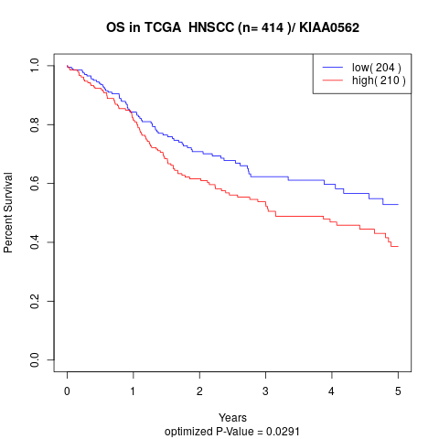

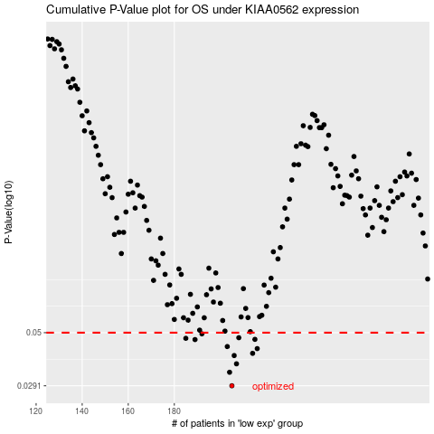

 |  |  |  |  |  | cases_OS | p_OS | rank | exp
 |  |  |  |  |  | 205 | 0.0291 | 296 | -0.065713282519
 |  |  |  |  |  | 204 | 0.0334 | 16 | -0.066927027887
 |  |  |  |  |  | 207 | 0.0364 | 409 | -0.059111468237
 |  |  |  |  |  | 206 | 0.0396 | 238 | -0.062671060317
 |  |  |  |  |  | 214 | 0.0405 | 322 | -0.040429831353
 |  |  |  |  |  | 216 | 0.0425 | 85 | -0.02704588738
 |  |  |  |  |  | 203 | 0.0434 | 282 | -0.069506891692
 |  |  |  |  |  | 189 | 0.0466 | 274 | -0.13513296856
 |  |  |  |  |  | 215 | 0.0467 | 332 | -0.034138875597
 |  |  |  |  |  | 185 | 0.0472 | 76 | -0.14464908153
 |  |  |  |  |  | 208 | 0.0475 | 206 | -0.055643125359
 |  |  |  |  |  | 192 | 0.0494 | 87 | -0.12628441556
 |  |  |  |  |  |  | cases_RFS | p_RFS | rank | exp
 |  |  |  |  |  |  | 204 | 0.0291 | 16 | -0.066927027887
 |  |  |  |  |  |  | 203 | 0.0334 | 282 | -0.069506891692
 |  |  |  |  |  |  | 206 | 0.0364 | 238 | -0.062671060317
 |  |  |  |  |  |  | 205 | 0.0396 | 296 | -0.065713282519
 |  |  |  |  |  |  | 213 | 0.0405 | 75 | -0.041606465801
 |  |  |  |  |  |  | 215 | 0.0425 | 332 | -0.034138875597
 |  |  |  |  |  |  | 202 | 0.0434 | 337 | -0.073433663576
 |  |  |  |  |  |  | 188 | 0.0466 | 140 | -0.13595857737
 |  |  |  |  |  |  | 214 | 0.0467 | 322 | -0.040429831353
 |  |  |  |  |  |  | 184 | 0.0472 | 121 | -0.14589338883
 |  |  |  |  |  |  | 207 | 0.0475 | 409 | -0.059111468237
 |  |  |  |  |  |  | 191 | 0.0494 | 356 | -0.13074602128

