KIAA0564 _multivariate
Reported by Tex Li-Hsing Chi. tex@gate.sinica.edu.tw 2019-08-18

Table 2. The clinicopathological features of HNSCC cohort and KIAA0564 expression. (Chi square test)
Cutoff at 0.217 (69.8%)
 |  | KIAA0564 expression |  | KIAA0564 expression |  | (Optimised)
 | Features | Low | (%) | High | (%) | Case no | P-value | Remark | Matthews
Gender | Female | 214 | 51.6 | 92 | 22.2 | 415 | 1 | 0 | 0
2 | Male | 76 | 18.3 | 33 | 8
Age at diagnosis | <=65y | 193 | 46.5 | 81 | 19.5 | 415 | 0.816 | 0 | 0
4 | >65y | 97 | 23.4 | 44 | 10.6
Clinical T Status | T1+T2 | 107 | 25.8 | 42 | 10.1 | 415 | 0.5956 | 0 | 0
6 | T3+T4 | 183 | 44.1 | 83 | 20
Clinical N Status | N0 | 144 | 34.7 | 72 | 17.3 | 415 | 0.1678 | 0 | 0
8 | N1-3 | 146 | 35.2 | 53 | 12.8
Clinical M Status | M0 | 287 | 69.2 | 125 | 30.1 | 415 | 0.5571 | 0 | 0
10 | M1 | 3 | 0.7 | 0 | 0
Clinical Stage | Stage I+II | 68 | 16.4 | 34 | 8.2 | 415 | 0.4901 | 0 | 0
12 | Stage III+IV | 222 | 53.5 | 91 | 21.9
Surgical Margin status | Negative | 219 | 52.8 | 99 | 23.9 | 415 | 0.4502 | 0 | 0
14 | Positive | 71 | 17.1 | 26 | 6.3
Tobacco Exposure | Low | 113 | 27.2 | 48 | 11.6 | 415 | 1 | 0 | 0
16 | High | 177 | 42.7 | 77 | 18.6

Table 3. Univariate/Multivariate Cox's proportional hazards regression analyses on OS time of KIAA0564 gene expression in HNSCC

 |  | Univariate |  |  |  | Multivariate
 | Features | HR | CI95%(L) | CI95%(H) | P-value | HR | CI95%(L) | CI95%(H) | P-value
1 | Female | 1 |  |  |  | 1
Gender | Male | 1.157 | 0.843 | 1.587 | 0.367 | 1.234 | 0.882 | 1.726 | 0.22
11 | <=65y | 1 |  |  |  | 1
Age at diagnosis | >65y | 1.329 | 0.99 | 1.784 | 0.058 | 1.421 | 1.044 | 1.932 | 0.025
12 | T1+T2 | 1 |  |  |  | 1
Clinical T Status | T3+T4 | 1.409 | 1.028 | 1.931 | 0.033 | 2.053 | 1.082 | 3.895 | 0.028
13 | N0 | 1 |  |  |  | 1
Clinical N Status | N1-3 | 1.185 | 0.89 | 1.577 | 0.246 | 1.255 | 0.88 | 1.79 | 0.21
14 | M0 | 1 |  |  |  | 1
Clinical M Status | M1 | 4.097 | 1.009 | 16.644 | 0.049 | 10.079 | 2.197 | 46.244 | 0.003
15 | Stage I+II | 1 |  |  |  | 1
Clinical Stage | Stage III+IV | 1.245 | 0.882 | 1.759 | 0.213 | 0.542 | 0.252 | 1.168 | 0.118
16 | Negative | 1 |  |  |  | 1
Surgical Margin status | Positive | 1.591 | 1.155 | 2.191 | 0.004 | 1.685 | 1.219 | 2.328 | 0.002
17 | Low | 1 |  |  |  | 1
Tobacco Exposure | High | 1.364 | 1.008 | 1.844 | 0.044 | 1.475 | 1.069 | 2.035 | 0.018
18 | Low | 1 |  |  |  | 1
RNAseq(z-score) | High | 1.364 | 1.011 | 1.839 | 0.042 | 1.439 | 1.061 | 1.952 | 0.019

Table 4. Univariate/Multivariate Cox's proportional hazards regression analyses on RFS time of KIAA0564 gene expression in HNSCC

 |  | Univariate |  |  |  | Multivariate
 | Features | HR | CI95%(L) | CI95%(H) | P-value | HR | CI95%(L) | CI95%(H) | P-value
1 | Female | 1 |  |  |  | 1
Gender | Male | 1.157 | 0.843 | 1.587 | 0.367 | 1.234 | 0.882 | 1.726 | 0.22
11 | <=65y | 1 |  |  |  | 1
Age at diagnosis | >65y | 1.329 | 0.99 | 1.784 | 0.058 | 1.421 | 1.044 | 1.932 | 0.025
12 | T1+T2 | 1 |  |  |  | 1
Clinical T Status | T3+T4 | 1.409 | 1.028 | 1.931 | 0.033 | 2.053 | 1.082 | 3.895 | 0.028
13 | N0 | 1 |  |  |  | 1
Clinical N Status | N1-3 | 1.185 | 0.89 | 1.577 | 0.246 | 1.255 | 0.88 | 1.79 | 0.21
14 | M0 | 1 |  |  |  | 1
Clinical M Status | M1 | 4.097 | 1.009 | 16.644 | 0.049 | 10.079 | 2.197 | 46.244 | 0.003
15 | Stage I+II | 1 |  |  |  | 1
Clinical Stage | Stage III+IV | 1.245 | 0.882 | 1.759 | 0.213 | 0.542 | 0.252 | 1.168 | 0.118
16 | Negative | 1 |  |  |  | 1
Surgical Margin status | Positive | 1.591 | 1.155 | 2.191 | 0.004 | 1.685 | 1.219 | 2.328 | 0.002
17 | Low | 1 |  |  |  | 1
Tobacco Exposure | High | 1.364 | 1.008 | 1.844 | 0.044 | 1.475 | 1.069 | 2.035 | 0.018
18 | Low | 1 |  |  |  | 1
RNAseq(z-score) | High | 1.364 | 1.011 | 1.839 | 0.042 | 1.439 | 1.061 | 1.952 | 0.019

Kaplan-Meier survival estimate: Cutoff at 0.217 (69.8%)



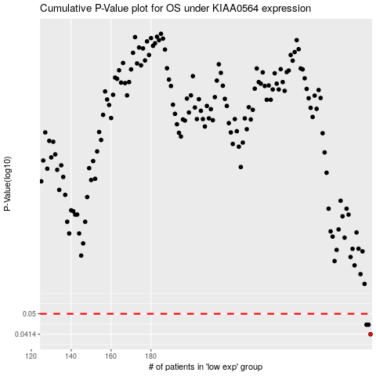

 |  |  |  |  |  | cases_OS | p_OS | rank | exp
 |  |  |  |  |  | 290 | 0.0414 | 131 | 0.21745719859
 |  |  |  |  |  | 288 | 0.0452 | 333 | 0.20798103664
 |  |  |  |  |  | 289 | 0.0452 | 384 | 0.2102921546
 |  |  |  |  |  |  | cases_RFS | p_RFS | rank | exp
 |  |  |  |  |  |  | 289 | 0.0414 | 384 | 0.2102921546
 |  |  |  |  |  |  | 287 | 0.0452 | 57 | 0.20074370244
 |  |  |  |  |  |  | 288 | 0.0452 | 333 | 0.20798103664

