KIAA0586 _multivariate
Reported by Tex Li-Hsing Chi. tex@gate.sinica.edu.tw 2019-08-18

Table 2. The clinicopathological features of HNSCC cohort and KIAA0586 expression. (Chi square test)
Cutoff at -0.111 (49.8%)
 |  | KIAA0586 expression |  | KIAA0586 expression |  | (Optimised)
 | Features | Low | (%) | High | (%) | Case no | P-value | Remark | Matthews
Gender | Female | 151 | 36.4 | 155 | 37.3 | 415 | 0.8007 | 0 | 0
2 | Male | 56 | 13.5 | 53 | 12.8
Age at diagnosis | <=65y | 132 | 31.8 | 142 | 34.2 | 415 | 0.3874 | 0 | 0
4 | >65y | 75 | 18.1 | 66 | 15.9
Clinical T Status | T1+T2 | 66 | 15.9 | 83 | 20 | 415 | 0.1095 | 0 | 0
6 | T3+T4 | 141 | 34 | 125 | 30.1
Clinical N Status | N0 | 111 | 26.7 | 105 | 25.3 | 415 | 0.5875 | 0 | 0
8 | N1-3 | 96 | 23.1 | 103 | 24.8
Clinical M Status | M0 | 205 | 49.4 | 207 | 49.9 | 415 | 0.6232 | 0 | 0
10 | M1 | 2 | 0.5 | 1 | 0.2
Clinical Stage | Stage I+II | 48 | 11.6 | 54 | 13 | 415 | 0.5878 | 0 | 0
12 | Stage III+IV | 159 | 38.3 | 154 | 37.1
Surgical Margin status | Negative | 155 | 37.3 | 163 | 39.3 | 415 | 0.4187 | 0 | 0
14 | Positive | 52 | 12.5 | 45 | 10.8
Tobacco Exposure | Low | 85 | 20.5 | 76 | 18.3 | 415 | 0.3655 | 0 | 0
16 | High | 122 | 29.4 | 132 | 31.8

Table 3. Univariate/Multivariate Cox's proportional hazards regression analyses on OS time of KIAA0586 gene expression in HNSCC

 |  | Univariate |  |  |  | Multivariate
 | Features | HR | CI95%(L) | CI95%(H) | P-value | HR | CI95%(L) | CI95%(H) | P-value
1 | Female | 1 |  |  |  | 1
Gender | Male | 1.157 | 0.843 | 1.587 | 0.367 | 1.196 | 0.856 | 1.671 | 0.294
11 | <=65y | 1 |  |  |  | 1
Age at diagnosis | >65y | 1.329 | 0.99 | 1.784 | 0.058 | 1.398 | 1.028 | 1.901 | 0.033
12 | T1+T2 | 1 |  |  |  | 1
Clinical T Status | T3+T4 | 1.409 | 1.028 | 1.931 | 0.033 | 2.148 | 1.134 | 4.068 | 0.019
13 | N0 | 1 |  |  |  | 1
Clinical N Status | N1-3 | 1.185 | 0.89 | 1.577 | 0.246 | 1.244 | 0.872 | 1.775 | 0.229
14 | M0 | 1 |  |  |  | 1
Clinical M Status | M1 | 4.097 | 1.009 | 16.644 | 0.049 | 8.771 | 1.903 | 40.422 | 0.005
15 | Stage I+II | 1 |  |  |  | 1
Clinical Stage | Stage III+IV | 1.245 | 0.882 | 1.759 | 0.213 | 0.512 | 0.238 | 1.099 | 0.086
16 | Negative | 1 |  |  |  | 1
Surgical Margin status | Positive | 1.591 | 1.155 | 2.191 | 0.004 | 1.644 | 1.188 | 2.275 | 0.003
17 | Low | 1 |  |  |  | 1
Tobacco Exposure | High | 1.364 | 1.008 | 1.844 | 0.044 | 1.467 | 1.064 | 2.023 | 0.019
18 | Low | 1 |  |  |  | 1
RNAseq(z-score) | High | 0.803 | 0.602 | 1.07 | 0.134 | 0.853 | 0.637 | 1.141 | 0.284

Table 4. Univariate/Multivariate Cox's proportional hazards regression analyses on RFS time of KIAA0586 gene expression in HNSCC

 |  | Univariate |  |  |  | Multivariate
 | Features | HR | CI95%(L) | CI95%(H) | P-value | HR | CI95%(L) | CI95%(H) | P-value
1 | Female | 1 |  |  |  | 1
Gender | Male | 1.157 | 0.843 | 1.587 | 0.367 | 1.196 | 0.856 | 1.671 | 0.294
11 | <=65y | 1 |  |  |  | 1
Age at diagnosis | >65y | 1.329 | 0.99 | 1.784 | 0.058 | 1.398 | 1.028 | 1.901 | 0.033
12 | T1+T2 | 1 |  |  |  | 1
Clinical T Status | T3+T4 | 1.409 | 1.028 | 1.931 | 0.033 | 2.148 | 1.134 | 4.068 | 0.019
13 | N0 | 1 |  |  |  | 1
Clinical N Status | N1-3 | 1.185 | 0.89 | 1.577 | 0.246 | 1.244 | 0.872 | 1.775 | 0.229
14 | M0 | 1 |  |  |  | 1
Clinical M Status | M1 | 4.097 | 1.009 | 16.644 | 0.049 | 8.771 | 1.903 | 40.422 | 0.005
15 | Stage I+II | 1 |  |  |  | 1
Clinical Stage | Stage III+IV | 1.245 | 0.882 | 1.759 | 0.213 | 0.512 | 0.238 | 1.099 | 0.086
16 | Negative | 1 |  |  |  | 1
Surgical Margin status | Positive | 1.591 | 1.155 | 2.191 | 0.004 | 1.644 | 1.188 | 2.275 | 0.003
17 | Low | 1 |  |  |  | 1
Tobacco Exposure | High | 1.364 | 1.008 | 1.844 | 0.044 | 1.467 | 1.064 | 2.023 | 0.019
18 | Low | 1 |  |  |  | 1
RNAseq(z-score) | High | 0.803 | 0.602 | 1.07 | 0.134 | 0.853 | 0.637 | 1.141 | 0.284

Kaplan-Meier survival estimate: Cutoff at -0.111 (49.8%)



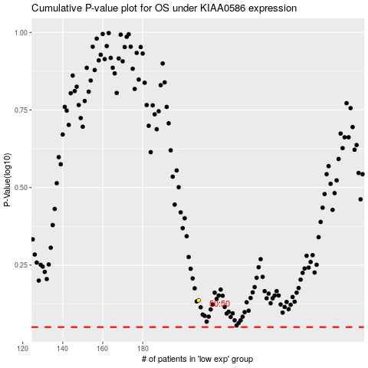

 |  |  |  |  |  | cases_OS | p_OS | rank | exp
 |  |  |  |  |  |  | cases_RFS | p_RFS | rank | exp

