KIAA0652 _multivariate
Reported by Tex Li-Hsing Chi. tex@gate.sinica.edu.tw 2019-08-18

Table 2. The clinicopathological features of HNSCC cohort and KIAA0652 expression. (Chi square test)
Cutoff at -0.064 (49.8%)
 |  | KIAA0652 expression |  | KIAA0652 expression |  | (Optimised)
 | Features | Low | (%) | High | (%) | Case no | P-value | Remark | Matthews
Gender | Female | 148 | 35.7 | 158 | 38.1 | 415 | 0.3567 | 0 | 0
2 | Male | 59 | 14.2 | 50 | 12
Age at diagnosis | <=65y | 147 | 35.4 | 127 | 30.6 | 415 | 0.0416 | 1 | 0
4 | >65y | 60 | 14.5 | 81 | 19.5
Clinical T Status | T1+T2 | 67 | 16.1 | 82 | 19.8 | 415 | 0.1628 | 0 | 0
6 | T3+T4 | 140 | 33.7 | 126 | 30.4
Clinical N Status | N0 | 94 | 22.7 | 122 | 29.4 | 415 | 0.0093 | 1 | 0
8 | N1-3 | 113 | 27.2 | 86 | 20.7
Clinical M Status | M0 | 204 | 49.2 | 208 | 50.1 | 415 | 0.1232 | 0 | 0
10 | M1 | 3 | 0.7 | 0 | 0
Clinical Stage | Stage I+II | 40 | 9.6 | 62 | 14.9 | 415 | 0.018 | 1 | 0
12 | Stage III+IV | 167 | 40.2 | 146 | 35.2
Surgical Margin status | Negative | 157 | 37.8 | 161 | 38.8 | 415 | 0.729 | 0 | 0
14 | Positive | 50 | 12 | 47 | 11.3
Tobacco Exposure | Low | 72 | 17.3 | 89 | 21.4 | 415 | 0.1071 | 0 | 0
16 | High | 135 | 32.5 | 119 | 28.7

Table 3. Univariate/Multivariate Cox's proportional hazards regression analyses on OS time of KIAA0652 gene expression in HNSCC

 |  | Univariate |  |  |  | Multivariate
 | Features | HR | CI95%(L) | CI95%(H) | P-value | HR | CI95%(L) | CI95%(H) | P-value
1 | Female | 1 |  |  |  | 1
Gender | Male | 1.157 | 0.843 | 1.587 | 0.367 | 1.19 | 0.851 | 1.665 | 0.309
11 | <=65y | 1 |  |  |  | 1
Age at diagnosis | >65y | 1.329 | 0.99 | 1.784 | 0.058 | 1.404 | 1.032 | 1.91 | 0.031
12 | T1+T2 | 1 |  |  |  | 1
Clinical T Status | T3+T4 | 1.409 | 1.028 | 1.931 | 0.033 | 2.225 | 1.177 | 4.209 | 0.014
13 | N0 | 1 |  |  |  | 1
Clinical N Status | N1-3 | 1.185 | 0.89 | 1.577 | 0.246 | 1.233 | 0.863 | 1.76 | 0.249
14 | M0 | 1 |  |  |  | 1
Clinical M Status | M1 | 4.097 | 1.009 | 16.644 | 0.049 | 9.079 | 1.974 | 41.753 | 0.005
15 | Stage I+II | 1 |  |  |  | 1
Clinical Stage | Stage III+IV | 1.245 | 0.882 | 1.759 | 0.213 | 0.492 | 0.228 | 1.059 | 0.07
16 | Negative | 1 |  |  |  | 1
Surgical Margin status | Positive | 1.591 | 1.155 | 2.191 | 0.004 | 1.678 | 1.214 | 2.319 | 0.002
17 | Low | 1 |  |  |  | 1
Tobacco Exposure | High | 1.364 | 1.008 | 1.844 | 0.044 | 1.446 | 1.049 | 1.993 | 0.024
18 | Low | 1 |  |  |  | 1
RNAseq(z-score) | High | 0.894 | 0.671 | 1.19 | 0.441 | 0.903 | 0.672 | 1.213 | 0.499

Table 4. Univariate/Multivariate Cox's proportional hazards regression analyses on RFS time of KIAA0652 gene expression in HNSCC

 |  | Univariate |  |  |  | Multivariate
 | Features | HR | CI95%(L) | CI95%(H) | P-value | HR | CI95%(L) | CI95%(H) | P-value
1 | Female | 1 |  |  |  | 1
Gender | Male | 1.157 | 0.843 | 1.587 | 0.367 | 1.19 | 0.851 | 1.665 | 0.309
11 | <=65y | 1 |  |  |  | 1
Age at diagnosis | >65y | 1.329 | 0.99 | 1.784 | 0.058 | 1.404 | 1.032 | 1.91 | 0.031
12 | T1+T2 | 1 |  |  |  | 1
Clinical T Status | T3+T4 | 1.409 | 1.028 | 1.931 | 0.033 | 2.225 | 1.177 | 4.209 | 0.014
13 | N0 | 1 |  |  |  | 1
Clinical N Status | N1-3 | 1.185 | 0.89 | 1.577 | 0.246 | 1.233 | 0.863 | 1.76 | 0.249
14 | M0 | 1 |  |  |  | 1
Clinical M Status | M1 | 4.097 | 1.009 | 16.644 | 0.049 | 9.079 | 1.974 | 41.753 | 0.005
15 | Stage I+II | 1 |  |  |  | 1
Clinical Stage | Stage III+IV | 1.245 | 0.882 | 1.759 | 0.213 | 0.492 | 0.228 | 1.059 | 0.07
16 | Negative | 1 |  |  |  | 1
Surgical Margin status | Positive | 1.591 | 1.155 | 2.191 | 0.004 | 1.678 | 1.214 | 2.319 | 0.002
17 | Low | 1 |  |  |  | 1
Tobacco Exposure | High | 1.364 | 1.008 | 1.844 | 0.044 | 1.446 | 1.049 | 1.993 | 0.024
18 | Low | 1 |  |  |  | 1
RNAseq(z-score) | High | 0.894 | 0.671 | 1.19 | 0.441 | 0.903 | 0.672 | 1.213 | 0.499

Kaplan-Meier survival estimate: Cutoff at -0.064 (49.8%)



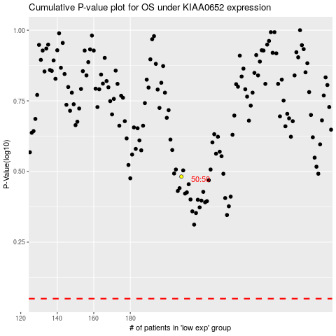

 |  |  |  |  |  | cases_OS | p_OS | rank | exp
 |  |  |  |  |  |  | cases_RFS | p_RFS | rank | exp

