KIAA0753 _multivariate
Reported by Tex Li-Hsing Chi. tex@gate.sinica.edu.tw 2019-08-18

Table 2. The clinicopathological features of HNSCC cohort and KIAA0753 expression. (Chi square test)
Cutoff at -0.11 (49.8%)
 |  | KIAA0753 expression |  | KIAA0753 expression |  | (Optimised)
 | Features | Low | (%) | High | (%) | Case no | P-value | Remark | Matthews
Gender | Female | 135 | 32.5 | 171 | 41.2 | 415 | 1e-04 | 1 | 0
2 | Male | 72 | 17.3 | 37 | 8.9
Age at diagnosis | <=65y | 138 | 33.3 | 136 | 32.8 | 415 | 0.8634 | 0 | 0
4 | >65y | 69 | 16.6 | 72 | 17.3
Clinical T Status | T1+T2 | 83 | 20 | 66 | 15.9 | 415 | 0.0941 | 0 | 0
6 | T3+T4 | 124 | 29.9 | 142 | 34.2
Clinical N Status | N0 | 115 | 27.7 | 101 | 24.3 | 415 | 0.184 | 1 | 0
8 | N1-3 | 92 | 22.2 | 107 | 25.8
Clinical M Status | M0 | 205 | 49.4 | 207 | 49.9 | 415 | 0.6232 | 0 | 0
10 | M1 | 2 | 0.5 | 1 | 0.2
Clinical Stage | Stage I+II | 62 | 14.9 | 40 | 9.6 | 415 | 0.0154 | 1 | 0
12 | Stage III+IV | 145 | 34.9 | 168 | 40.5
Surgical Margin status | Negative | 156 | 37.6 | 162 | 39 | 415 | 0.5636 | 0 | 0
14 | Positive | 51 | 12.3 | 46 | 11.1
Tobacco Exposure | Low | 89 | 21.4 | 72 | 17.3 | 415 | 0.0872 | 0 | 0
16 | High | 118 | 28.4 | 136 | 32.8

Table 3. Univariate/Multivariate Cox's proportional hazards regression analyses on OS time of KIAA0753 gene expression in HNSCC

 |  | Univariate |  |  |  | Multivariate
 | Features | HR | CI95%(L) | CI95%(H) | P-value | HR | CI95%(L) | CI95%(H) | P-value
1 | Female | 1 |  |  |  | 1
Gender | Male | 1.157 | 0.843 | 1.587 | 0.367 | 1.124 | 0.794 | 1.59 | 0.511
11 | <=65y | 1 |  |  |  | 1
Age at diagnosis | >65y | 1.329 | 0.99 | 1.784 | 0.058 | 1.428 | 1.047 | 1.948 | 0.024
12 | T1+T2 | 1 |  |  |  | 1
Clinical T Status | T3+T4 | 1.409 | 1.028 | 1.931 | 0.033 | 2.168 | 1.147 | 4.097 | 0.017
13 | N0 | 1 |  |  |  | 1
Clinical N Status | N1-3 | 1.185 | 0.89 | 1.577 | 0.246 | 1.243 | 0.87 | 1.774 | 0.232
14 | M0 | 1 |  |  |  | 1
Clinical M Status | M1 | 4.097 | 1.009 | 16.644 | 0.049 | 8.466 | 1.834 | 39.087 | 0.006
15 | Stage I+II | 1 |  |  |  | 1
Clinical Stage | Stage III+IV | 1.245 | 0.882 | 1.759 | 0.213 | 0.536 | 0.249 | 1.155 | 0.111
16 | Negative | 1 |  |  |  | 1
Surgical Margin status | Positive | 1.591 | 1.155 | 2.191 | 0.004 | 1.607 | 1.158 | 2.231 | 0.005
17 | Low | 1 |  |  |  | 1
Tobacco Exposure | High | 1.364 | 1.008 | 1.844 | 0.044 | 1.485 | 1.075 | 2.051 | 0.017
18 | Low | 1 |  |  |  | 1
RNAseq(z-score) | High | 0.806 | 0.604 | 1.075 | 0.143 | 0.803 | 0.585 | 1.103 | 0.176

Table 4. Univariate/Multivariate Cox's proportional hazards regression analyses on RFS time of KIAA0753 gene expression in HNSCC

 |  | Univariate |  |  |  | Multivariate
 | Features | HR | CI95%(L) | CI95%(H) | P-value | HR | CI95%(L) | CI95%(H) | P-value
1 | Female | 1 |  |  |  | 1
Gender | Male | 1.157 | 0.843 | 1.587 | 0.367 | 1.124 | 0.794 | 1.59 | 0.511
11 | <=65y | 1 |  |  |  | 1
Age at diagnosis | >65y | 1.329 | 0.99 | 1.784 | 0.058 | 1.428 | 1.047 | 1.948 | 0.024
12 | T1+T2 | 1 |  |  |  | 1
Clinical T Status | T3+T4 | 1.409 | 1.028 | 1.931 | 0.033 | 2.168 | 1.147 | 4.097 | 0.017
13 | N0 | 1 |  |  |  | 1
Clinical N Status | N1-3 | 1.185 | 0.89 | 1.577 | 0.246 | 1.243 | 0.87 | 1.774 | 0.232
14 | M0 | 1 |  |  |  | 1
Clinical M Status | M1 | 4.097 | 1.009 | 16.644 | 0.049 | 8.466 | 1.834 | 39.087 | 0.006
15 | Stage I+II | 1 |  |  |  | 1
Clinical Stage | Stage III+IV | 1.245 | 0.882 | 1.759 | 0.213 | 0.536 | 0.249 | 1.155 | 0.111
16 | Negative | 1 |  |  |  | 1
Surgical Margin status | Positive | 1.591 | 1.155 | 2.191 | 0.004 | 1.607 | 1.158 | 2.231 | 0.005
17 | Low | 1 |  |  |  | 1
Tobacco Exposure | High | 1.364 | 1.008 | 1.844 | 0.044 | 1.485 | 1.075 | 2.051 | 0.017
18 | Low | 1 |  |  |  | 1
RNAseq(z-score) | High | 0.806 | 0.604 | 1.075 | 0.143 | 0.803 | 0.585 | 1.103 | 0.176

Kaplan-Meier survival estimate: Cutoff at -0.11 (49.8%)



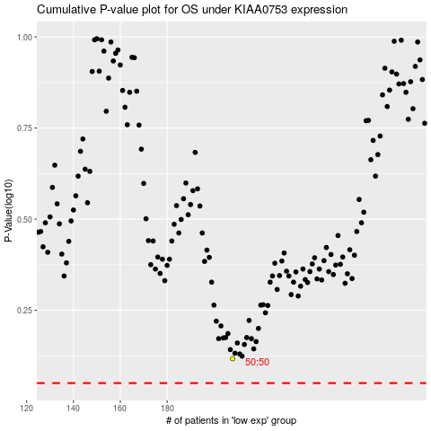

 |  |  |  |  |  | cases_OS | p_OS | rank | exp
 |  |  |  |  |  |  | cases_RFS | p_RFS | rank | exp

