KIAA0776 _multivariate
Reported by Tex Li-Hsing Chi. tex@gate.sinica.edu.tw 2019-08-18

Table 2. The clinicopathological features of HNSCC cohort and KIAA0776 expression. (Chi square test)
Cutoff at -0.152 (50.0%)
 |  | KIAA0776 expression |  | KIAA0776 expression |  | (Optimised)
 | Features | Low | (%) | High | (%) | Case no | P-value | Remark | Matthews
Gender | Female | 162 | 39 | 144 | 34.7 | 415 | 0.0479 | 1 | 0
2 | Male | 45 | 10.8 | 64 | 15.4
Age at diagnosis | <=65y | 140 | 33.7 | 134 | 32.3 | 415 | 0.5574 | 0 | 0
4 | >65y | 67 | 16.1 | 74 | 17.8
Clinical T Status | T1+T2 | 54 | 13 | 95 | 22.9 | 415 | 0 | 1 | 0
6 | T3+T4 | 153 | 36.9 | 113 | 27.2
Clinical N Status | N0 | 100 | 24.1 | 116 | 28 | 415 | 0.1548 | 0 | 0
8 | N1-3 | 107 | 25.8 | 92 | 22.2
Clinical M Status | M0 | 204 | 49.2 | 208 | 50.1 | 415 | 0.1232 | 0 | 0
10 | M1 | 3 | 0.7 | 0 | 0
Clinical Stage | Stage I+II | 30 | 7.2 | 72 | 17.3 | 415 | 0 | 1 | 0
12 | Stage III+IV | 177 | 42.7 | 136 | 32.8
Surgical Margin status | Negative | 158 | 38.1 | 160 | 38.6 | 415 | 0.9081 | 0 | 0
14 | Positive | 49 | 11.8 | 48 | 11.6
Tobacco Exposure | Low | 72 | 17.3 | 89 | 21.4 | 415 | 0.1071 | 0 | 0
16 | High | 135 | 32.5 | 119 | 28.7

Table 3. Univariate/Multivariate Cox's proportional hazards regression analyses on OS time of KIAA0776 gene expression in HNSCC

 |  | Univariate |  |  |  | Multivariate
 | Features | HR | CI95%(L) | CI95%(H) | P-value | HR | CI95%(L) | CI95%(H) | P-value
1 | Female | 1 |  |  |  | 1
Gender | Male | 1.157 | 0.843 | 1.587 | 0.367 | 1.2 | 0.859 | 1.677 | 0.286
11 | <=65y | 1 |  |  |  | 1
Age at diagnosis | >65y | 1.329 | 0.99 | 1.784 | 0.058 | 1.39 | 1.021 | 1.891 | 0.036
12 | T1+T2 | 1 |  |  |  | 1
Clinical T Status | T3+T4 | 1.409 | 1.028 | 1.931 | 0.033 | 2.21 | 1.166 | 4.189 | 0.015
13 | N0 | 1 |  |  |  | 1
Clinical N Status | N1-3 | 1.185 | 0.89 | 1.577 | 0.246 | 1.239 | 0.868 | 1.769 | 0.238
14 | M0 | 1 |  |  |  | 1
Clinical M Status | M1 | 4.097 | 1.009 | 16.644 | 0.049 | 9.521 | 2.055 | 44.115 | 0.004
15 | Stage I+II | 1 |  |  |  | 1
Clinical Stage | Stage III+IV | 1.245 | 0.882 | 1.759 | 0.213 | 0.506 | 0.235 | 1.088 | 0.081
16 | Negative | 1 |  |  |  | 1
Surgical Margin status | Positive | 1.591 | 1.155 | 2.191 | 0.004 | 1.674 | 1.211 | 2.314 | 0.002
17 | Low | 1 |  |  |  | 1
Tobacco Exposure | High | 1.364 | 1.008 | 1.844 | 0.044 | 1.453 | 1.055 | 2.003 | 0.022
18 | Low | 1 |  |  |  | 1
RNAseq(z-score) | High | 0.921 | 0.692 | 1.227 | 0.576 | 1.02 | 0.756 | 1.377 | 0.896

Table 4. Univariate/Multivariate Cox's proportional hazards regression analyses on RFS time of KIAA0776 gene expression in HNSCC

 |  | Univariate |  |  |  | Multivariate
 | Features | HR | CI95%(L) | CI95%(H) | P-value | HR | CI95%(L) | CI95%(H) | P-value
1 | Female | 1 |  |  |  | 1
Gender | Male | 1.157 | 0.843 | 1.587 | 0.367 | 1.2 | 0.859 | 1.677 | 0.286
11 | <=65y | 1 |  |  |  | 1
Age at diagnosis | >65y | 1.329 | 0.99 | 1.784 | 0.058 | 1.39 | 1.021 | 1.891 | 0.036
12 | T1+T2 | 1 |  |  |  | 1
Clinical T Status | T3+T4 | 1.409 | 1.028 | 1.931 | 0.033 | 2.21 | 1.166 | 4.189 | 0.015
13 | N0 | 1 |  |  |  | 1
Clinical N Status | N1-3 | 1.185 | 0.89 | 1.577 | 0.246 | 1.239 | 0.868 | 1.769 | 0.238
14 | M0 | 1 |  |  |  | 1
Clinical M Status | M1 | 4.097 | 1.009 | 16.644 | 0.049 | 9.521 | 2.055 | 44.115 | 0.004
15 | Stage I+II | 1 |  |  |  | 1
Clinical Stage | Stage III+IV | 1.245 | 0.882 | 1.759 | 0.213 | 0.506 | 0.235 | 1.088 | 0.081
16 | Negative | 1 |  |  |  | 1
Surgical Margin status | Positive | 1.591 | 1.155 | 2.191 | 0.004 | 1.674 | 1.211 | 2.314 | 0.002
17 | Low | 1 |  |  |  | 1
Tobacco Exposure | High | 1.364 | 1.008 | 1.844 | 0.044 | 1.453 | 1.055 | 2.003 | 0.022
18 | Low | 1 |  |  |  | 1
RNAseq(z-score) | High | 0.921 | 0.692 | 1.227 | 0.576 | 1.02 | 0.756 | 1.377 | 0.896

Kaplan-Meier survival estimate: Cutoff at -0.152 (50.0%)



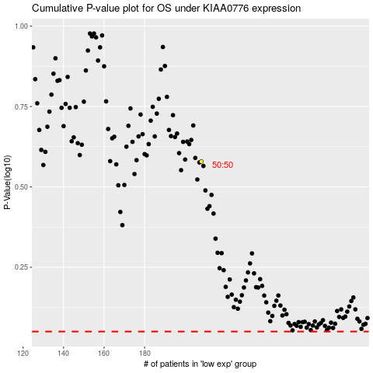

 |  |  |  |  |  | cases_OS | p_OS | rank | exp
 |  |  |  |  |  |  | cases_RFS | p_RFS | rank | exp

