KIAA0895 _multivariate
Reported by Tex Li-Hsing Chi. tex@gate.sinica.edu.tw 2019-08-18

Table 2. The clinicopathological features of HNSCC cohort and KIAA0895 expression. (Chi square test)
Cutoff at -0.186 (49.8%)
 |  | KIAA0895 expression |  | KIAA0895 expression |  | (Optimised)
 | Features | Low | (%) | High | (%) | Case no | P-value | Remark | Matthews
Gender | Female | 158 | 38.1 | 148 | 35.7 | 415 | 0.2774 | 0 | 0
2 | Male | 49 | 11.8 | 60 | 14.5
Age at diagnosis | <=65y | 138 | 33.3 | 136 | 32.8 | 415 | 0.8634 | 0 | 0
4 | >65y | 69 | 16.6 | 72 | 17.3
Clinical T Status | T1+T2 | 77 | 18.6 | 72 | 17.3 | 415 | 0.6556 | 0 | 0
6 | T3+T4 | 130 | 31.3 | 136 | 32.8
Clinical N Status | N0 | 114 | 27.5 | 102 | 24.6 | 415 | 0.2576 | 1 | 0
8 | N1-3 | 93 | 22.4 | 106 | 25.5
Clinical M Status | M0 | 206 | 49.6 | 206 | 49.6 | 415 | 1 | 0 | 0
10 | M1 | 1 | 0.2 | 2 | 0.5
Clinical Stage | Stage I+II | 55 | 13.3 | 47 | 11.3 | 415 | 0.4087 | 0 | 0
12 | Stage III+IV | 152 | 36.6 | 161 | 38.8
Surgical Margin status | Negative | 156 | 37.6 | 162 | 39 | 415 | 0.5636 | 0 | 0
14 | Positive | 51 | 12.3 | 46 | 11.1
Tobacco Exposure | Low | 87 | 21 | 74 | 17.8 | 415 | 0.1911 | 0 | 0
16 | High | 120 | 28.9 | 134 | 32.3

Table 3. Univariate/Multivariate Cox's proportional hazards regression analyses on OS time of KIAA0895 gene expression in HNSCC

 |  | Univariate |  |  |  | Multivariate
 | Features | HR | CI95%(L) | CI95%(H) | P-value | HR | CI95%(L) | CI95%(H) | P-value
1 | Female | 1 |  |  |  | 1
Gender | Male | 1.157 | 0.843 | 1.587 | 0.367 | 1.196 | 0.856 | 1.671 | 0.295
11 | <=65y | 1 |  |  |  | 1
Age at diagnosis | >65y | 1.329 | 0.99 | 1.784 | 0.058 | 1.393 | 1.025 | 1.893 | 0.034
12 | T1+T2 | 1 |  |  |  | 1
Clinical T Status | T3+T4 | 1.409 | 1.028 | 1.931 | 0.033 | 2.212 | 1.169 | 4.184 | 0.015
13 | N0 | 1 |  |  |  | 1
Clinical N Status | N1-3 | 1.185 | 0.89 | 1.577 | 0.246 | 1.237 | 0.867 | 1.766 | 0.241
14 | M0 | 1 |  |  |  | 1
Clinical M Status | M1 | 4.097 | 1.009 | 16.644 | 0.049 | 9.401 | 2.051 | 43.089 | 0.004
15 | Stage I+II | 1 |  |  |  | 1
Clinical Stage | Stage III+IV | 1.245 | 0.882 | 1.759 | 0.213 | 0.501 | 0.233 | 1.077 | 0.077
16 | Negative | 1 |  |  |  | 1
Surgical Margin status | Positive | 1.591 | 1.155 | 2.191 | 0.004 | 1.677 | 1.213 | 2.318 | 0.002
17 | Low | 1 |  |  |  | 1
Tobacco Exposure | High | 1.364 | 1.008 | 1.844 | 0.044 | 1.439 | 1.042 | 1.988 | 0.027
18 | Low | 1 |  |  |  | 1
RNAseq(z-score) | High | 1.086 | 0.816 | 1.446 | 0.572 | 1.062 | 0.793 | 1.421 | 0.688

Table 4. Univariate/Multivariate Cox's proportional hazards regression analyses on RFS time of KIAA0895 gene expression in HNSCC

 |  | Univariate |  |  |  | Multivariate
 | Features | HR | CI95%(L) | CI95%(H) | P-value | HR | CI95%(L) | CI95%(H) | P-value
1 | Female | 1 |  |  |  | 1
Gender | Male | 1.157 | 0.843 | 1.587 | 0.367 | 1.196 | 0.856 | 1.671 | 0.295
11 | <=65y | 1 |  |  |  | 1
Age at diagnosis | >65y | 1.329 | 0.99 | 1.784 | 0.058 | 1.393 | 1.025 | 1.893 | 0.034
12 | T1+T2 | 1 |  |  |  | 1
Clinical T Status | T3+T4 | 1.409 | 1.028 | 1.931 | 0.033 | 2.212 | 1.169 | 4.184 | 0.015
13 | N0 | 1 |  |  |  | 1
Clinical N Status | N1-3 | 1.185 | 0.89 | 1.577 | 0.246 | 1.237 | 0.867 | 1.766 | 0.241
14 | M0 | 1 |  |  |  | 1
Clinical M Status | M1 | 4.097 | 1.009 | 16.644 | 0.049 | 9.401 | 2.051 | 43.089 | 0.004
15 | Stage I+II | 1 |  |  |  | 1
Clinical Stage | Stage III+IV | 1.245 | 0.882 | 1.759 | 0.213 | 0.501 | 0.233 | 1.077 | 0.077
16 | Negative | 1 |  |  |  | 1
Surgical Margin status | Positive | 1.591 | 1.155 | 2.191 | 0.004 | 1.677 | 1.213 | 2.318 | 0.002
17 | Low | 1 |  |  |  | 1
Tobacco Exposure | High | 1.364 | 1.008 | 1.844 | 0.044 | 1.439 | 1.042 | 1.988 | 0.027
18 | Low | 1 |  |  |  | 1
RNAseq(z-score) | High | 1.086 | 0.816 | 1.446 | 0.572 | 1.062 | 0.793 | 1.421 | 0.688

Kaplan-Meier survival estimate: Cutoff at -0.186 (49.8%)



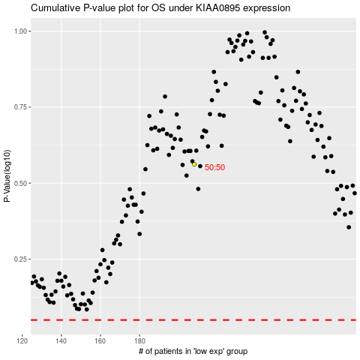

 |  |  |  |  |  | cases_OS | p_OS | rank | exp
 |  |  |  |  |  |  | cases_RFS | p_RFS | rank | exp

