KIAA0907 _multivariate
Reported by Tex Li-Hsing Chi. tex@gate.sinica.edu.tw 2019-08-18

Table 2. The clinicopathological features of HNSCC cohort and KIAA0907 expression. (Chi square test)
Cutoff at -0.199 (49.8%)
 |  | KIAA0907 expression |  | KIAA0907 expression |  | (Optimised)
 | Features | Low | (%) | High | (%) | Case no | P-value | Remark | Matthews
Gender | Female | 140 | 33.7 | 166 | 40 | 415 | 0.0068 | 1 | 0
2 | Male | 67 | 16.1 | 42 | 10.1
Age at diagnosis | <=65y | 133 | 32 | 141 | 34 | 415 | 0.5111 | 0 | 0
4 | >65y | 74 | 17.8 | 67 | 16.1
Clinical T Status | T1+T2 | 74 | 17.8 | 75 | 18.1 | 415 | 1 | 0 | 0
6 | T3+T4 | 133 | 32 | 133 | 32
Clinical N Status | N0 | 109 | 26.3 | 107 | 25.8 | 415 | 0.8812 | 0 | 0
8 | N1-3 | 98 | 23.6 | 101 | 24.3
Clinical M Status | M0 | 206 | 49.6 | 206 | 49.6 | 415 | 1 | 0 | 0
10 | M1 | 1 | 0.2 | 2 | 0.5
Clinical Stage | Stage I+II | 55 | 13.3 | 47 | 11.3 | 415 | 0.4087 | 0 | 0
12 | Stage III+IV | 152 | 36.6 | 161 | 38.8
Surgical Margin status | Negative | 169 | 40.7 | 149 | 35.9 | 415 | 0.0201 | 1 | 0
14 | Positive | 38 | 9.2 | 59 | 14.2
Tobacco Exposure | Low | 89 | 21.4 | 72 | 17.3 | 415 | 0.0872 | 0 | 0
16 | High | 118 | 28.4 | 136 | 32.8

Table 3. Univariate/Multivariate Cox's proportional hazards regression analyses on OS time of KIAA0907 gene expression in HNSCC

 |  | Univariate |  |  |  | Multivariate
 | Features | HR | CI95%(L) | CI95%(H) | P-value | HR | CI95%(L) | CI95%(H) | P-value
1 | Female | 1 |  |  |  | 1
Gender | Male | 1.157 | 0.843 | 1.587 | 0.367 | 1.165 | 0.83 | 1.635 | 0.377
11 | <=65y | 1 |  |  |  | 1
Age at diagnosis | >65y | 1.329 | 0.99 | 1.784 | 0.058 | 1.407 | 1.034 | 1.914 | 0.03
12 | T1+T2 | 1 |  |  |  | 1
Clinical T Status | T3+T4 | 1.409 | 1.028 | 1.931 | 0.033 | 2.155 | 1.139 | 4.079 | 0.018
13 | N0 | 1 |  |  |  | 1
Clinical N Status | N1-3 | 1.185 | 0.89 | 1.577 | 0.246 | 1.232 | 0.864 | 1.758 | 0.249
14 | M0 | 1 |  |  |  | 1
Clinical M Status | M1 | 4.097 | 1.009 | 16.644 | 0.049 | 9.335 | 2.037 | 42.781 | 0.004
15 | Stage I+II | 1 |  |  |  | 1
Clinical Stage | Stage III+IV | 1.245 | 0.882 | 1.759 | 0.213 | 0.526 | 0.244 | 1.133 | 0.101
16 | Negative | 1 |  |  |  | 1
Surgical Margin status | Positive | 1.591 | 1.155 | 2.191 | 0.004 | 1.696 | 1.227 | 2.345 | 0.001
17 | Low | 1 |  |  |  | 1
Tobacco Exposure | High | 1.364 | 1.008 | 1.844 | 0.044 | 1.482 | 1.073 | 2.047 | 0.017
18 | Low | 1 |  |  |  | 1
RNAseq(z-score) | High | 0.886 | 0.665 | 1.181 | 0.408 | 0.844 | 0.626 | 1.138 | 0.266

Table 4. Univariate/Multivariate Cox's proportional hazards regression analyses on RFS time of KIAA0907 gene expression in HNSCC

 |  | Univariate |  |  |  | Multivariate
 | Features | HR | CI95%(L) | CI95%(H) | P-value | HR | CI95%(L) | CI95%(H) | P-value
1 | Female | 1 |  |  |  | 1
Gender | Male | 1.157 | 0.843 | 1.587 | 0.367 | 1.165 | 0.83 | 1.635 | 0.377
11 | <=65y | 1 |  |  |  | 1
Age at diagnosis | >65y | 1.329 | 0.99 | 1.784 | 0.058 | 1.407 | 1.034 | 1.914 | 0.03
12 | T1+T2 | 1 |  |  |  | 1
Clinical T Status | T3+T4 | 1.409 | 1.028 | 1.931 | 0.033 | 2.155 | 1.139 | 4.079 | 0.018
13 | N0 | 1 |  |  |  | 1
Clinical N Status | N1-3 | 1.185 | 0.89 | 1.577 | 0.246 | 1.232 | 0.864 | 1.758 | 0.249
14 | M0 | 1 |  |  |  | 1
Clinical M Status | M1 | 4.097 | 1.009 | 16.644 | 0.049 | 9.335 | 2.037 | 42.781 | 0.004
15 | Stage I+II | 1 |  |  |  | 1
Clinical Stage | Stage III+IV | 1.245 | 0.882 | 1.759 | 0.213 | 0.526 | 0.244 | 1.133 | 0.101
16 | Negative | 1 |  |  |  | 1
Surgical Margin status | Positive | 1.591 | 1.155 | 2.191 | 0.004 | 1.696 | 1.227 | 2.345 | 0.001
17 | Low | 1 |  |  |  | 1
Tobacco Exposure | High | 1.364 | 1.008 | 1.844 | 0.044 | 1.482 | 1.073 | 2.047 | 0.017
18 | Low | 1 |  |  |  | 1
RNAseq(z-score) | High | 0.886 | 0.665 | 1.181 | 0.408 | 0.844 | 0.626 | 1.138 | 0.266

Kaplan-Meier survival estimate: Cutoff at -0.199 (49.8%)



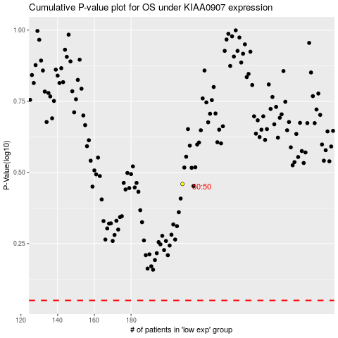

 |  |  |  |  |  | cases_OS | p_OS | rank | exp
 |  |  |  |  |  |  | cases_RFS | p_RFS | rank | exp

