KIAA0947 _multivariate
Reported by Tex Li-Hsing Chi. tex@gate.sinica.edu.tw 2019-08-18

Table 2. The clinicopathological features of HNSCC cohort and KIAA0947 expression. (Chi square test)
Cutoff at -0.144 (49.8%)
 |  | KIAA0947 expression |  | KIAA0947 expression |  | (Optimised)
 | Features | Low | (%) | High | (%) | Case no | P-value | Remark | Matthews
Gender | Female | 144 | 34.7 | 162 | 39 | 415 | 0.0697 | 0 | 0
2 | Male | 63 | 15.2 | 46 | 11.1
Age at diagnosis | <=65y | 129 | 31.1 | 145 | 34.9 | 415 | 0.1372 | 0 | 0
4 | >65y | 78 | 18.8 | 63 | 15.2
Clinical T Status | T1+T2 | 80 | 19.3 | 69 | 16.6 | 415 | 0.2891 | 0 | 0
6 | T3+T4 | 127 | 30.6 | 139 | 33.5
Clinical N Status | N0 | 108 | 26 | 108 | 26 | 415 | 1 | 0 | 0
8 | N1-3 | 99 | 23.9 | 100 | 24.1
Clinical M Status | M0 | 204 | 49.2 | 208 | 50.1 | 415 | 0.1232 | 0 | 0
10 | M1 | 3 | 0.7 | 0 | 0
Clinical Stage | Stage I+II | 53 | 12.8 | 49 | 11.8 | 415 | 0.7113 | 0 | 0
12 | Stage III+IV | 154 | 37.1 | 159 | 38.3
Surgical Margin status | Negative | 153 | 36.9 | 165 | 39.8 | 415 | 0.2036 | 0 | 0
14 | Positive | 54 | 13 | 43 | 10.4
Tobacco Exposure | Low | 94 | 22.7 | 67 | 16.1 | 415 | 0.0065 | 1 | 0
16 | High | 113 | 27.2 | 141 | 34

Table 3. Univariate/Multivariate Cox's proportional hazards regression analyses on OS time of KIAA0947 gene expression in HNSCC

 |  | Univariate |  |  |  | Multivariate
 | Features | HR | CI95%(L) | CI95%(H) | P-value | HR | CI95%(L) | CI95%(H) | P-value
1 | Female | 1 |  |  |  | 1
Gender | Male | 1.157 | 0.843 | 1.587 | 0.367 | 1.221 | 0.873 | 1.709 | 0.244
11 | <=65y | 1 |  |  |  | 1
Age at diagnosis | >65y | 1.329 | 0.99 | 1.784 | 0.058 | 1.407 | 1.034 | 1.914 | 0.03
12 | T1+T2 | 1 |  |  |  | 1
Clinical T Status | T3+T4 | 1.409 | 1.028 | 1.931 | 0.033 | 2.16 | 1.141 | 4.089 | 0.018
13 | N0 | 1 |  |  |  | 1
Clinical N Status | N1-3 | 1.185 | 0.89 | 1.577 | 0.246 | 1.24 | 0.869 | 1.769 | 0.236
14 | M0 | 1 |  |  |  | 1
Clinical M Status | M1 | 4.097 | 1.009 | 16.644 | 0.049 | 9.932 | 2.155 | 45.781 | 0.003
15 | Stage I+II | 1 |  |  |  | 1
Clinical Stage | Stage III+IV | 1.245 | 0.882 | 1.759 | 0.213 | 0.512 | 0.238 | 1.099 | 0.086
16 | Negative | 1 |  |  |  | 1
Surgical Margin status | Positive | 1.591 | 1.155 | 2.191 | 0.004 | 1.68 | 1.216 | 2.321 | 0.002
17 | Low | 1 |  |  |  | 1
Tobacco Exposure | High | 1.364 | 1.008 | 1.844 | 0.044 | 1.442 | 1.046 | 1.986 | 0.025
18 | Low | 1 |  |  |  | 1
RNAseq(z-score) | High | 1.105 | 0.829 | 1.472 | 0.497 | 1.133 | 0.843 | 1.524 | 0.407

Table 4. Univariate/Multivariate Cox's proportional hazards regression analyses on RFS time of KIAA0947 gene expression in HNSCC

 |  | Univariate |  |  |  | Multivariate
 | Features | HR | CI95%(L) | CI95%(H) | P-value | HR | CI95%(L) | CI95%(H) | P-value
1 | Female | 1 |  |  |  | 1
Gender | Male | 1.157 | 0.843 | 1.587 | 0.367 | 1.221 | 0.873 | 1.709 | 0.244
11 | <=65y | 1 |  |  |  | 1
Age at diagnosis | >65y | 1.329 | 0.99 | 1.784 | 0.058 | 1.407 | 1.034 | 1.914 | 0.03
12 | T1+T2 | 1 |  |  |  | 1
Clinical T Status | T3+T4 | 1.409 | 1.028 | 1.931 | 0.033 | 2.16 | 1.141 | 4.089 | 0.018
13 | N0 | 1 |  |  |  | 1
Clinical N Status | N1-3 | 1.185 | 0.89 | 1.577 | 0.246 | 1.24 | 0.869 | 1.769 | 0.236
14 | M0 | 1 |  |  |  | 1
Clinical M Status | M1 | 4.097 | 1.009 | 16.644 | 0.049 | 9.932 | 2.155 | 45.781 | 0.003
15 | Stage I+II | 1 |  |  |  | 1
Clinical Stage | Stage III+IV | 1.245 | 0.882 | 1.759 | 0.213 | 0.512 | 0.238 | 1.099 | 0.086
16 | Negative | 1 |  |  |  | 1
Surgical Margin status | Positive | 1.591 | 1.155 | 2.191 | 0.004 | 1.68 | 1.216 | 2.321 | 0.002
17 | Low | 1 |  |  |  | 1
Tobacco Exposure | High | 1.364 | 1.008 | 1.844 | 0.044 | 1.442 | 1.046 | 1.986 | 0.025
18 | Low | 1 |  |  |  | 1
RNAseq(z-score) | High | 1.105 | 0.829 | 1.472 | 0.497 | 1.133 | 0.843 | 1.524 | 0.407

Kaplan-Meier survival estimate: Cutoff at -0.144 (49.8%)



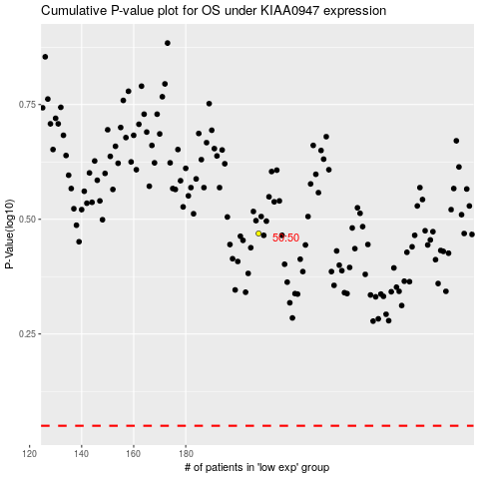

 |  |  |  |  |  | cases_OS | p_OS | rank | exp
 |  |  |  |  |  |  | cases_RFS | p_RFS | rank | exp

