KIAA1045 _multivariate
Reported by Tex Li-Hsing Chi. tex@gate.sinica.edu.tw 2019-08-18

Table 2. The clinicopathological features of HNSCC cohort and KIAA1045 expression. (Chi square test)
Cutoff at -0.205 (50.0%)
 |  | KIAA1045 expression |  | KIAA1045 expression |  | (Optimised)
 | Features | Low | (%) | High | (%) | Case no | P-value | Remark | Matthews
Gender | Female | 149 | 35.9 | 157 | 37.8 | 415 | 0.4848 | 0 | 0
2 | Male | 58 | 14 | 51 | 12.3
Age at diagnosis | <=65y | 137 | 33 | 137 | 33 | 415 | 1 | 0 | 0
4 | >65y | 70 | 16.9 | 71 | 17.1
Clinical T Status | T1+T2 | 80 | 19.3 | 69 | 16.6 | 415 | 0.2891 | 0 | 0
6 | T3+T4 | 127 | 30.6 | 139 | 33.5
Clinical N Status | N0 | 107 | 25.8 | 109 | 26.3 | 415 | 0.9624 | 0 | 0
8 | N1-3 | 100 | 24.1 | 99 | 23.9
Clinical M Status | M0 | 206 | 49.6 | 206 | 49.6 | 415 | 1 | 0 | 0
10 | M1 | 1 | 0.2 | 2 | 0.5
Clinical Stage | Stage I+II | 52 | 12.5 | 50 | 12 | 415 | 0.8871 | 0 | 0
12 | Stage III+IV | 155 | 37.3 | 158 | 38.1
Surgical Margin status | Negative | 159 | 38.3 | 159 | 38.3 | 415 | 1 | 0 | 0
14 | Positive | 48 | 11.6 | 49 | 11.8
Tobacco Exposure | Low | 88 | 21.2 | 73 | 17.6 | 415 | 0.1314 | 0 | 0
16 | High | 119 | 28.7 | 135 | 32.5

Table 3. Univariate/Multivariate Cox's proportional hazards regression analyses on OS time of KIAA1045 gene expression in HNSCC

 |  | Univariate |  |  |  | Multivariate
 | Features | HR | CI95%(L) | CI95%(H) | P-value | HR | CI95%(L) | CI95%(H) | P-value
1 | Female | 1 |  |  |  | 1
Gender | Male | 1.157 | 0.843 | 1.587 | 0.367 | 1.219 | 0.871 | 1.705 | 0.248
11 | <=65y | 1 |  |  |  | 1
Age at diagnosis | >65y | 1.329 | 0.99 | 1.784 | 0.058 | 1.388 | 1.021 | 1.888 | 0.036
12 | T1+T2 | 1 |  |  |  | 1
Clinical T Status | T3+T4 | 1.409 | 1.028 | 1.931 | 0.033 | 2.17 | 1.147 | 4.107 | 0.017
13 | N0 | 1 |  |  |  | 1
Clinical N Status | N1-3 | 1.185 | 0.89 | 1.577 | 0.246 | 1.253 | 0.877 | 1.79 | 0.215
14 | M0 | 1 |  |  |  | 1
Clinical M Status | M1 | 4.097 | 1.009 | 16.644 | 0.049 | 8.875 | 1.929 | 40.836 | 0.005
15 | Stage I+II | 1 |  |  |  | 1
Clinical Stage | Stage III+IV | 1.245 | 0.882 | 1.759 | 0.213 | 0.507 | 0.236 | 1.088 | 0.081
16 | Negative | 1 |  |  |  | 1
Surgical Margin status | Positive | 1.591 | 1.155 | 2.191 | 0.004 | 1.685 | 1.219 | 2.331 | 0.002
17 | Low | 1 |  |  |  | 1
Tobacco Exposure | High | 1.364 | 1.008 | 1.844 | 0.044 | 1.455 | 1.055 | 2.006 | 0.022
18 | Low | 1 |  |  |  | 1
RNAseq(z-score) | High | 1.201 | 0.898 | 1.605 | 0.216 | 1.179 | 0.88 | 1.581 | 0.27

Table 4. Univariate/Multivariate Cox's proportional hazards regression analyses on RFS time of KIAA1045 gene expression in HNSCC

 |  | Univariate |  |  |  | Multivariate
 | Features | HR | CI95%(L) | CI95%(H) | P-value | HR | CI95%(L) | CI95%(H) | P-value
1 | Female | 1 |  |  |  | 1
Gender | Male | 1.157 | 0.843 | 1.587 | 0.367 | 1.219 | 0.871 | 1.705 | 0.248
11 | <=65y | 1 |  |  |  | 1
Age at diagnosis | >65y | 1.329 | 0.99 | 1.784 | 0.058 | 1.388 | 1.021 | 1.888 | 0.036
12 | T1+T2 | 1 |  |  |  | 1
Clinical T Status | T3+T4 | 1.409 | 1.028 | 1.931 | 0.033 | 2.17 | 1.147 | 4.107 | 0.017
13 | N0 | 1 |  |  |  | 1
Clinical N Status | N1-3 | 1.185 | 0.89 | 1.577 | 0.246 | 1.253 | 0.877 | 1.79 | 0.215
14 | M0 | 1 |  |  |  | 1
Clinical M Status | M1 | 4.097 | 1.009 | 16.644 | 0.049 | 8.875 | 1.929 | 40.836 | 0.005
15 | Stage I+II | 1 |  |  |  | 1
Clinical Stage | Stage III+IV | 1.245 | 0.882 | 1.759 | 0.213 | 0.507 | 0.236 | 1.088 | 0.081
16 | Negative | 1 |  |  |  | 1
Surgical Margin status | Positive | 1.591 | 1.155 | 2.191 | 0.004 | 1.685 | 1.219 | 2.331 | 0.002
17 | Low | 1 |  |  |  | 1
Tobacco Exposure | High | 1.364 | 1.008 | 1.844 | 0.044 | 1.455 | 1.055 | 2.006 | 0.022
18 | Low | 1 |  |  |  | 1
RNAseq(z-score) | High | 1.201 | 0.898 | 1.605 | 0.216 | 1.179 | 0.88 | 1.581 | 0.27

Kaplan-Meier survival estimate: Cutoff at -0.205 (50.0%)



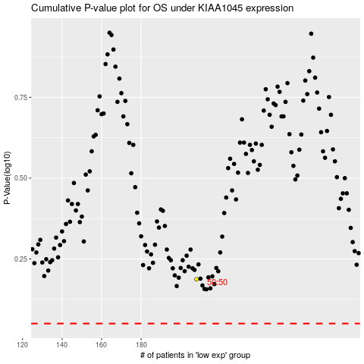

 |  |  |  |  |  | cases_OS | p_OS | rank | exp
 |  |  |  |  |  |  | cases_RFS | p_RFS | rank | exp

