KIAA1143 _multivariate
Reported by Tex Li-Hsing Chi. tex@gate.sinica.edu.tw 2019-08-18

Table 2. The clinicopathological features of HNSCC cohort and KIAA1143 expression. (Chi square test)
Cutoff at -0.275 (49.8%)
 |  | KIAA1143 expression |  | KIAA1143 expression |  | (Optimised)
 | Features | Low | (%) | High | (%) | Case no | P-value | Remark | Matthews
Gender | Female | 160 | 38.6 | 146 | 35.2 | 415 | 0.1254 | 0 | 0
2 | Male | 47 | 11.3 | 62 | 14.9
Age at diagnosis | <=65y | 135 | 32.5 | 139 | 33.5 | 415 | 0.8084 | 0 | 0
4 | >65y | 72 | 17.3 | 69 | 16.6
Clinical T Status | T1+T2 | 63 | 15.2 | 86 | 20.7 | 415 | 0.0268 | 1 | 0
6 | T3+T4 | 144 | 34.7 | 122 | 29.4
Clinical N Status | N0 | 102 | 24.6 | 114 | 27.5 | 415 | 0.3031 | 0 | 0
8 | N1-3 | 105 | 25.3 | 94 | 22.7
Clinical M Status | M0 | 205 | 49.4 | 207 | 49.9 | 415 | 0.6232 | 0 | 0
10 | M1 | 2 | 0.5 | 1 | 0.2
Clinical Stage | Stage I+II | 39 | 9.4 | 63 | 15.2 | 415 | 0.0095 | 1 | 0
12 | Stage III+IV | 168 | 40.5 | 145 | 34.9
Surgical Margin status | Negative | 162 | 39 | 156 | 37.6 | 415 | 0.4867 | 0 | 0
14 | Positive | 45 | 10.8 | 52 | 12.5
Tobacco Exposure | Low | 79 | 19 | 82 | 19.8 | 415 | 0.8405 | 0 | 0
16 | High | 128 | 30.8 | 126 | 30.4

Table 3. Univariate/Multivariate Cox's proportional hazards regression analyses on OS time of KIAA1143 gene expression in HNSCC

 |  | Univariate |  |  |  | Multivariate
 | Features | HR | CI95%(L) | CI95%(H) | P-value | HR | CI95%(L) | CI95%(H) | P-value
1 | Female | 1 |  |  |  | 1
Gender | Male | 1.157 | 0.843 | 1.587 | 0.367 | 1.207 | 0.864 | 1.686 | 0.271
11 | <=65y | 1 |  |  |  | 1
Age at diagnosis | >65y | 1.329 | 0.99 | 1.784 | 0.058 | 1.386 | 1.02 | 1.884 | 0.037
12 | T1+T2 | 1 |  |  |  | 1
Clinical T Status | T3+T4 | 1.409 | 1.028 | 1.931 | 0.033 | 2.203 | 1.166 | 4.165 | 0.015
13 | N0 | 1 |  |  |  | 1
Clinical N Status | N1-3 | 1.185 | 0.89 | 1.577 | 0.246 | 1.249 | 0.875 | 1.783 | 0.221
14 | M0 | 1 |  |  |  | 1
Clinical M Status | M1 | 4.097 | 1.009 | 16.644 | 0.049 | 9.334 | 2.036 | 42.792 | 0.004
15 | Stage I+II | 1 |  |  |  | 1
Clinical Stage | Stage III+IV | 1.245 | 0.882 | 1.759 | 0.213 | 0.491 | 0.228 | 1.059 | 0.07
16 | Negative | 1 |  |  |  | 1
Surgical Margin status | Positive | 1.591 | 1.155 | 2.191 | 0.004 | 1.677 | 1.214 | 2.318 | 0.002
17 | Low | 1 |  |  |  | 1
Tobacco Exposure | High | 1.364 | 1.008 | 1.844 | 0.044 | 1.453 | 1.054 | 2.003 | 0.022
18 | Low | 1 |  |  |  | 1
RNAseq(z-score) | High | 0.885 | 0.665 | 1.18 | 0.406 | 0.91 | 0.678 | 1.222 | 0.532

Table 4. Univariate/Multivariate Cox's proportional hazards regression analyses on RFS time of KIAA1143 gene expression in HNSCC

 |  | Univariate |  |  |  | Multivariate
 | Features | HR | CI95%(L) | CI95%(H) | P-value | HR | CI95%(L) | CI95%(H) | P-value
1 | Female | 1 |  |  |  | 1
Gender | Male | 1.157 | 0.843 | 1.587 | 0.367 | 1.207 | 0.864 | 1.686 | 0.271
11 | <=65y | 1 |  |  |  | 1
Age at diagnosis | >65y | 1.329 | 0.99 | 1.784 | 0.058 | 1.386 | 1.02 | 1.884 | 0.037
12 | T1+T2 | 1 |  |  |  | 1
Clinical T Status | T3+T4 | 1.409 | 1.028 | 1.931 | 0.033 | 2.203 | 1.166 | 4.165 | 0.015
13 | N0 | 1 |  |  |  | 1
Clinical N Status | N1-3 | 1.185 | 0.89 | 1.577 | 0.246 | 1.249 | 0.875 | 1.783 | 0.221
14 | M0 | 1 |  |  |  | 1
Clinical M Status | M1 | 4.097 | 1.009 | 16.644 | 0.049 | 9.334 | 2.036 | 42.792 | 0.004
15 | Stage I+II | 1 |  |  |  | 1
Clinical Stage | Stage III+IV | 1.245 | 0.882 | 1.759 | 0.213 | 0.491 | 0.228 | 1.059 | 0.07
16 | Negative | 1 |  |  |  | 1
Surgical Margin status | Positive | 1.591 | 1.155 | 2.191 | 0.004 | 1.677 | 1.214 | 2.318 | 0.002
17 | Low | 1 |  |  |  | 1
Tobacco Exposure | High | 1.364 | 1.008 | 1.844 | 0.044 | 1.453 | 1.054 | 2.003 | 0.022
18 | Low | 1 |  |  |  | 1
RNAseq(z-score) | High | 0.885 | 0.665 | 1.18 | 0.406 | 0.91 | 0.678 | 1.222 | 0.532

Kaplan-Meier survival estimate: Cutoff at -0.275 (49.8%)



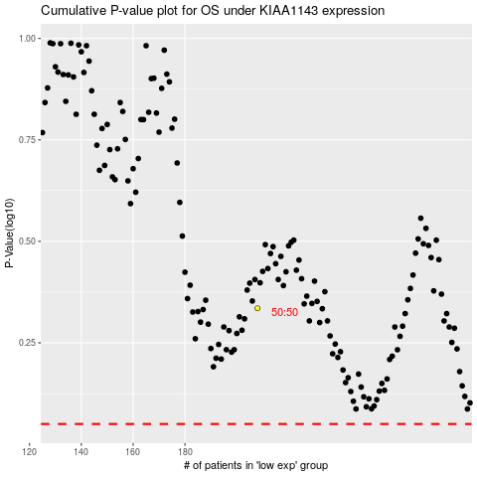

 |  |  |  |  |  | cases_OS | p_OS | rank | exp
 |  |  |  |  |  |  | cases_RFS | p_RFS | rank | exp

