KIAA1161 _multivariate
Reported by Tex Li-Hsing Chi. tex@gate.sinica.edu.tw 2019-08-18

Table 2. The clinicopathological features of HNSCC cohort and KIAA1161 expression. (Chi square test)
Cutoff at -0.253 (49.8%)
 |  | KIAA1161 expression |  | KIAA1161 expression |  | (Optimised)
 | Features | Low | (%) | High | (%) | Case no | P-value | Remark | Matthews
Gender | Female | 154 | 37.1 | 152 | 36.6 | 415 | 0.8463 | 0 | 0
2 | Male | 53 | 12.8 | 56 | 13.5
Age at diagnosis | <=65y | 149 | 35.9 | 125 | 30.1 | 415 | 0.0142 | 1 | 0
4 | >65y | 58 | 14 | 83 | 20
Clinical T Status | T1+T2 | 68 | 16.4 | 81 | 19.5 | 415 | 0.2336 | 0 | 0
6 | T3+T4 | 139 | 33.5 | 127 | 30.6
Clinical N Status | N0 | 100 | 24.1 | 116 | 28 | 415 | 0.1548 | 0 | 0
8 | N1-3 | 107 | 25.8 | 92 | 22.2
Clinical M Status | M0 | 204 | 49.2 | 208 | 50.1 | 415 | 0.1232 | 0 | 0
10 | M1 | 3 | 0.7 | 0 | 0
Clinical Stage | Stage I+II | 39 | 9.4 | 63 | 15.2 | 415 | 0.0095 | 1 | 0
12 | Stage III+IV | 168 | 40.5 | 145 | 34.9
Surgical Margin status | Negative | 154 | 37.1 | 164 | 39.5 | 415 | 0.2984 | 0 | 0
14 | Positive | 53 | 12.8 | 44 | 10.6
Tobacco Exposure | Low | 70 | 16.9 | 91 | 21.9 | 415 | 0.0439 | 1 | 0
16 | High | 137 | 33 | 117 | 28.2

Table 3. Univariate/Multivariate Cox's proportional hazards regression analyses on OS time of KIAA1161 gene expression in HNSCC

 |  | Univariate |  |  |  | Multivariate
 | Features | HR | CI95%(L) | CI95%(H) | P-value | HR | CI95%(L) | CI95%(H) | P-value
1 | Female | 1 |  |  |  | 1
Gender | Male | 1.157 | 0.843 | 1.587 | 0.367 | 1.226 | 0.876 | 1.716 | 0.235
11 | <=65y | 1 |  |  |  | 1
Age at diagnosis | >65y | 1.329 | 0.99 | 1.784 | 0.058 | 1.379 | 1.014 | 1.876 | 0.04
12 | T1+T2 | 1 |  |  |  | 1
Clinical T Status | T3+T4 | 1.409 | 1.028 | 1.931 | 0.033 | 2.212 | 1.169 | 4.183 | 0.015
13 | N0 | 1 |  |  |  | 1
Clinical N Status | N1-3 | 1.185 | 0.89 | 1.577 | 0.246 | 1.244 | 0.871 | 1.775 | 0.229
14 | M0 | 1 |  |  |  | 1
Clinical M Status | M1 | 4.097 | 1.009 | 16.644 | 0.049 | 10.452 | 2.257 | 48.407 | 0.003
15 | Stage I+II | 1 |  |  |  | 1
Clinical Stage | Stage III+IV | 1.245 | 0.882 | 1.759 | 0.213 | 0.514 | 0.239 | 1.104 | 0.088
16 | Negative | 1 |  |  |  | 1
Surgical Margin status | Positive | 1.591 | 1.155 | 2.191 | 0.004 | 1.726 | 1.244 | 2.395 | 0.001
17 | Low | 1 |  |  |  | 1
Tobacco Exposure | High | 1.364 | 1.008 | 1.844 | 0.044 | 1.481 | 1.072 | 2.044 | 0.017
18 | Low | 1 |  |  |  | 1
RNAseq(z-score) | High | 1.086 | 0.814 | 1.449 | 0.573 | 1.212 | 0.901 | 1.63 | 0.205

Table 4. Univariate/Multivariate Cox's proportional hazards regression analyses on RFS time of KIAA1161 gene expression in HNSCC

 |  | Univariate |  |  |  | Multivariate
 | Features | HR | CI95%(L) | CI95%(H) | P-value | HR | CI95%(L) | CI95%(H) | P-value
1 | Female | 1 |  |  |  | 1
Gender | Male | 1.157 | 0.843 | 1.587 | 0.367 | 1.226 | 0.876 | 1.716 | 0.235
11 | <=65y | 1 |  |  |  | 1
Age at diagnosis | >65y | 1.329 | 0.99 | 1.784 | 0.058 | 1.379 | 1.014 | 1.876 | 0.04
12 | T1+T2 | 1 |  |  |  | 1
Clinical T Status | T3+T4 | 1.409 | 1.028 | 1.931 | 0.033 | 2.212 | 1.169 | 4.183 | 0.015
13 | N0 | 1 |  |  |  | 1
Clinical N Status | N1-3 | 1.185 | 0.89 | 1.577 | 0.246 | 1.244 | 0.871 | 1.775 | 0.229
14 | M0 | 1 |  |  |  | 1
Clinical M Status | M1 | 4.097 | 1.009 | 16.644 | 0.049 | 10.452 | 2.257 | 48.407 | 0.003
15 | Stage I+II | 1 |  |  |  | 1
Clinical Stage | Stage III+IV | 1.245 | 0.882 | 1.759 | 0.213 | 0.514 | 0.239 | 1.104 | 0.088
16 | Negative | 1 |  |  |  | 1
Surgical Margin status | Positive | 1.591 | 1.155 | 2.191 | 0.004 | 1.726 | 1.244 | 2.395 | 0.001
17 | Low | 1 |  |  |  | 1
Tobacco Exposure | High | 1.364 | 1.008 | 1.844 | 0.044 | 1.481 | 1.072 | 2.044 | 0.017
18 | Low | 1 |  |  |  | 1
RNAseq(z-score) | High | 1.086 | 0.814 | 1.449 | 0.573 | 1.212 | 0.901 | 1.63 | 0.205

Kaplan-Meier survival estimate: Cutoff at -0.253 (49.8%)



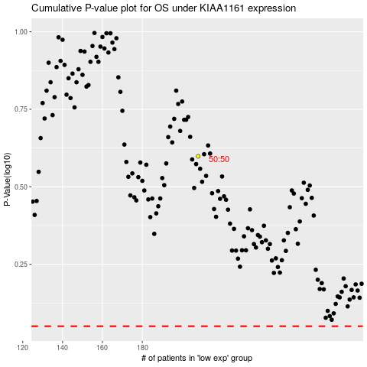

 |  |  |  |  |  | cases_OS | p_OS | rank | exp
 |  |  |  |  |  |  | cases_RFS | p_RFS | rank | exp

