KIAA1191 _multivariate
Reported by Tex Li-Hsing Chi. tex@gate.sinica.edu.tw 2019-08-18

Table 2. The clinicopathological features of HNSCC cohort and KIAA1191 expression. (Chi square test)
Cutoff at 0.206 (69.8%)
 |  | KIAA1191 expression |  | KIAA1191 expression |  | (Optimised)
 | Features | Low | (%) | High | (%) | Case no | P-value | Remark | Matthews
Gender | Female | 209 | 50.4 | 97 | 23.4 | 415 | 0.2923 | 0 | 0
2 | Male | 81 | 19.5 | 28 | 6.7
Age at diagnosis | <=65y | 190 | 45.8 | 84 | 20.2 | 415 | 0.8266 | 0 | 0
4 | >65y | 100 | 24.1 | 41 | 9.9
Clinical T Status | T1+T2 | 107 | 25.8 | 42 | 10.1 | 415 | 0.5956 | 0 | 0
6 | T3+T4 | 183 | 44.1 | 83 | 20
Clinical N Status | N0 | 155 | 37.3 | 61 | 14.7 | 415 | 0.4458 | 0 | 0
8 | N1-3 | 135 | 32.5 | 64 | 15.4
Clinical M Status | M0 | 289 | 69.6 | 123 | 29.6 | 415 | 0.2169 | 0 | 0
10 | M1 | 1 | 0.2 | 2 | 0.5
Clinical Stage | Stage I+II | 77 | 18.6 | 25 | 6 | 415 | 0.1943 | 0 | 0
12 | Stage III+IV | 213 | 51.3 | 100 | 24.1
Surgical Margin status | Negative | 228 | 54.9 | 90 | 21.7 | 415 | 0.1644 | 0 | 0
14 | Positive | 62 | 14.9 | 35 | 8.4
Tobacco Exposure | Low | 119 | 28.7 | 42 | 10.1 | 415 | 0.1875 | 0 | 0
16 | High | 171 | 41.2 | 83 | 20

Table 3. Univariate/Multivariate Cox's proportional hazards regression analyses on OS time of KIAA1191 gene expression in HNSCC

 |  | Univariate |  |  |  | Multivariate
 | Features | HR | CI95%(L) | CI95%(H) | P-value | HR | CI95%(L) | CI95%(H) | P-value
1 | Female | 1 |  |  |  | 1
Gender | Male | 1.157 | 0.843 | 1.587 | 0.367 | 1.222 | 0.875 | 1.706 | 0.239
11 | <=65y | 1 |  |  |  | 1
Age at diagnosis | >65y | 1.329 | 0.99 | 1.784 | 0.058 | 1.426 | 1.049 | 1.94 | 0.024
12 | T1+T2 | 1 |  |  |  | 1
Clinical T Status | T3+T4 | 1.409 | 1.028 | 1.931 | 0.033 | 2.28 | 1.204 | 4.318 | 0.011
13 | N0 | 1 |  |  |  | 1
Clinical N Status | N1-3 | 1.185 | 0.89 | 1.577 | 0.246 | 1.262 | 0.885 | 1.801 | 0.198
14 | M0 | 1 |  |  |  | 1
Clinical M Status | M1 | 4.097 | 1.009 | 16.644 | 0.049 | 8.851 | 1.927 | 40.644 | 0.005
15 | Stage I+II | 1 |  |  |  | 1
Clinical Stage | Stage III+IV | 1.245 | 0.882 | 1.759 | 0.213 | 0.477 | 0.222 | 1.026 | 0.058
16 | Negative | 1 |  |  |  | 1
Surgical Margin status | Positive | 1.591 | 1.155 | 2.191 | 0.004 | 1.655 | 1.197 | 2.286 | 0.002
17 | Low | 1 |  |  |  | 1
Tobacco Exposure | High | 1.364 | 1.008 | 1.844 | 0.044 | 1.44 | 1.045 | 1.984 | 0.026
18 | Low | 1 |  |  |  | 1
RNAseq(z-score) | High | 1.365 | 1.004 | 1.856 | 0.047 | 1.392 | 1.019 | 1.9 | 0.038

Table 4. Univariate/Multivariate Cox's proportional hazards regression analyses on RFS time of KIAA1191 gene expression in HNSCC

 |  | Univariate |  |  |  | Multivariate
 | Features | HR | CI95%(L) | CI95%(H) | P-value | HR | CI95%(L) | CI95%(H) | P-value
1 | Female | 1 |  |  |  | 1
Gender | Male | 1.157 | 0.843 | 1.587 | 0.367 | 1.222 | 0.875 | 1.706 | 0.239
11 | <=65y | 1 |  |  |  | 1
Age at diagnosis | >65y | 1.329 | 0.99 | 1.784 | 0.058 | 1.426 | 1.049 | 1.94 | 0.024
12 | T1+T2 | 1 |  |  |  | 1
Clinical T Status | T3+T4 | 1.409 | 1.028 | 1.931 | 0.033 | 2.28 | 1.204 | 4.318 | 0.011
13 | N0 | 1 |  |  |  | 1
Clinical N Status | N1-3 | 1.185 | 0.89 | 1.577 | 0.246 | 1.262 | 0.885 | 1.801 | 0.198
14 | M0 | 1 |  |  |  | 1
Clinical M Status | M1 | 4.097 | 1.009 | 16.644 | 0.049 | 8.851 | 1.927 | 40.644 | 0.005
15 | Stage I+II | 1 |  |  |  | 1
Clinical Stage | Stage III+IV | 1.245 | 0.882 | 1.759 | 0.213 | 0.477 | 0.222 | 1.026 | 0.058
16 | Negative | 1 |  |  |  | 1
Surgical Margin status | Positive | 1.591 | 1.155 | 2.191 | 0.004 | 1.655 | 1.197 | 2.286 | 0.002
17 | Low | 1 |  |  |  | 1
Tobacco Exposure | High | 1.364 | 1.008 | 1.844 | 0.044 | 1.44 | 1.045 | 1.984 | 0.026
18 | Low | 1 |  |  |  | 1
RNAseq(z-score) | High | 1.365 | 1.004 | 1.856 | 0.047 | 1.392 | 1.019 | 1.9 | 0.038

Kaplan-Meier survival estimate: Cutoff at 0.206 (69.8%)



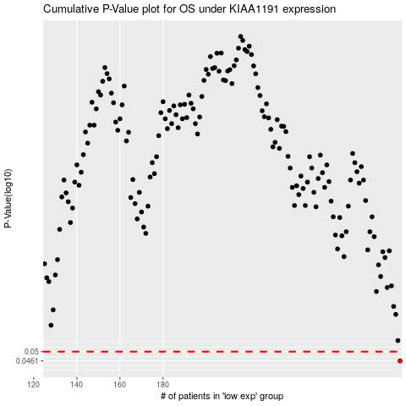

 |  |  |  |  |  | cases_OS | p_OS | rank | exp
 |  |  |  |  |  | 290 | 0.0461 | 164 | 0.20622333562
 |  |  |  |  |  |  | cases_RFS | p_RFS | rank | exp
 |  |  |  |  |  |  | 289 | 0.0461 | 311 | 0.20142019328

