KIAA1217 _multivariate
Reported by Tex Li-Hsing Chi. tex@gate.sinica.edu.tw 2019-08-18

Table 2. The clinicopathological features of HNSCC cohort and KIAA1217 expression. (Chi square test)
Cutoff at 0.193 (66.4%)
 |  | KIAA1217 expression |  | KIAA1217 expression |  | (Optimised)
 | Features | Low | (%) | High | (%) | Case no | P-value | Remark | Matthews
Gender | Female | 206 | 49.6 | 100 | 24.1 | 415 | 0.6379 | 0 | 0
2 | Male | 70 | 16.9 | 39 | 9.4
Age at diagnosis | <=65y | 188 | 45.3 | 86 | 20.7 | 415 | 0.2468 | 0 | 0
4 | >65y | 88 | 21.2 | 53 | 12.8
Clinical T Status | T1+T2 | 96 | 23.1 | 53 | 12.8 | 415 | 0.5738 | 0 | 0
6 | T3+T4 | 180 | 43.4 | 86 | 20.7
Clinical N Status | N0 | 142 | 34.2 | 74 | 17.8 | 415 | 0.8103 | 0 | 0
8 | N1-3 | 134 | 32.3 | 65 | 15.7
Clinical M Status | M0 | 273 | 65.8 | 139 | 33.5 | 415 | 0.554 | 0 | 0
10 | M1 | 3 | 0.7 | 0 | 0
Clinical Stage | Stage I+II | 68 | 16.4 | 34 | 8.2 | 415 | 1 | 0 | 0
12 | Stage III+IV | 208 | 50.1 | 105 | 25.3
Surgical Margin status | Negative | 206 | 49.6 | 112 | 27 | 415 | 0.219 | 0 | 0
14 | Positive | 70 | 16.9 | 27 | 6.5
Tobacco Exposure | Low | 110 | 26.5 | 51 | 12.3 | 415 | 0.5938 | 0 | 0
16 | High | 166 | 40 | 88 | 21.2

Table 3. Univariate/Multivariate Cox's proportional hazards regression analyses on OS time of KIAA1217 gene expression in HNSCC

 |  | Univariate |  |  |  | Multivariate
 | Features | HR | CI95%(L) | CI95%(H) | P-value | HR | CI95%(L) | CI95%(H) | P-value
1 | Female | 1 |  |  |  | 1
Gender | Male | 1.157 | 0.843 | 1.587 | 0.367 | 1.219 | 0.872 | 1.704 | 0.247
11 | <=65y | 1 |  |  |  | 1
Age at diagnosis | >65y | 1.329 | 0.99 | 1.784 | 0.058 | 1.408 | 1.035 | 1.914 | 0.029
12 | T1+T2 | 1 |  |  |  | 1
Clinical T Status | T3+T4 | 1.409 | 1.028 | 1.931 | 0.033 | 2.08 | 1.099 | 3.935 | 0.024
13 | N0 | 1 |  |  |  | 1
Clinical N Status | N1-3 | 1.185 | 0.89 | 1.577 | 0.246 | 1.22 | 0.854 | 1.742 | 0.275
14 | M0 | 1 |  |  |  | 1
Clinical M Status | M1 | 4.097 | 1.009 | 16.644 | 0.049 | 8.098 | 1.758 | 37.297 | 0.007
15 | Stage I+II | 1 |  |  |  | 1
Clinical Stage | Stage III+IV | 1.245 | 0.882 | 1.759 | 0.213 | 0.528 | 0.246 | 1.133 | 0.101
16 | Negative | 1 |  |  |  | 1
Surgical Margin status | Positive | 1.591 | 1.155 | 2.191 | 0.004 | 1.604 | 1.16 | 2.22 | 0.004
17 | Low | 1 |  |  |  | 1
Tobacco Exposure | High | 1.364 | 1.008 | 1.844 | 0.044 | 1.498 | 1.087 | 2.065 | 0.013
18 | Low | 1 |  |  |  | 1
RNAseq(z-score) | High | 0.674 | 0.493 | 0.922 | 0.014 | 0.7 | 0.51 | 0.962 | 0.028

Table 4. Univariate/Multivariate Cox's proportional hazards regression analyses on RFS time of KIAA1217 gene expression in HNSCC

 |  | Univariate |  |  |  | Multivariate
 | Features | HR | CI95%(L) | CI95%(H) | P-value | HR | CI95%(L) | CI95%(H) | P-value
1 | Female | 1 |  |  |  | 1
Gender | Male | 1.157 | 0.843 | 1.587 | 0.367 | 1.219 | 0.872 | 1.704 | 0.247
11 | <=65y | 1 |  |  |  | 1
Age at diagnosis | >65y | 1.329 | 0.99 | 1.784 | 0.058 | 1.408 | 1.035 | 1.914 | 0.029
12 | T1+T2 | 1 |  |  |  | 1
Clinical T Status | T3+T4 | 1.409 | 1.028 | 1.931 | 0.033 | 2.08 | 1.099 | 3.935 | 0.024
13 | N0 | 1 |  |  |  | 1
Clinical N Status | N1-3 | 1.185 | 0.89 | 1.577 | 0.246 | 1.22 | 0.854 | 1.742 | 0.275
14 | M0 | 1 |  |  |  | 1
Clinical M Status | M1 | 4.097 | 1.009 | 16.644 | 0.049 | 8.098 | 1.758 | 37.297 | 0.007
15 | Stage I+II | 1 |  |  |  | 1
Clinical Stage | Stage III+IV | 1.245 | 0.882 | 1.759 | 0.213 | 0.528 | 0.246 | 1.133 | 0.101
16 | Negative | 1 |  |  |  | 1
Surgical Margin status | Positive | 1.591 | 1.155 | 2.191 | 0.004 | 1.604 | 1.16 | 2.22 | 0.004
17 | Low | 1 |  |  |  | 1
Tobacco Exposure | High | 1.364 | 1.008 | 1.844 | 0.044 | 1.498 | 1.087 | 2.065 | 0.013
18 | Low | 1 |  |  |  | 1
RNAseq(z-score) | High | 0.674 | 0.493 | 0.922 | 0.014 | 0.7 | 0.51 | 0.962 | 0.028

Kaplan-Meier survival estimate: Cutoff at 0.193 (66.4%)

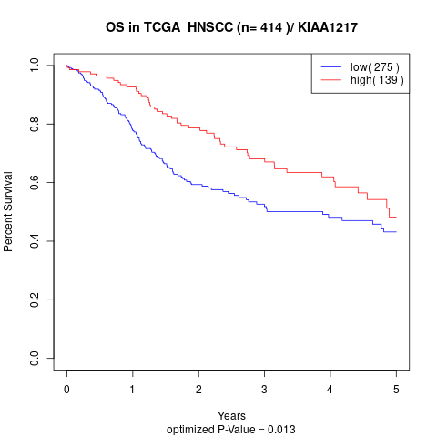

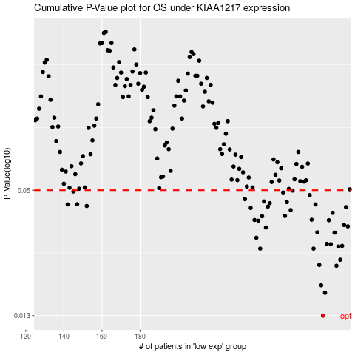

 |  |  |  |  |  | cases_OS | p_OS | rank | exp
 |  |  |  |  |  | 276 | 0.013 | 169 | 0.19291850751
 |  |  |  |  |  | 277 | 0.0166 | 230 | 0.19353526831
 |  |  |  |  |  | 275 | 0.018 | 52 | 0.17545622771
 |  |  |  |  |  | 283 | 0.0222 | 300 | 0.23457449116
 |  |  |  |  |  | 274 | 0.0224 | 76 | 0.17444260717
 |  |  |  |  |  | 285 | 0.0237 | 330 | 0.25629851963
 |  |  |  |  |  | 271 | 0.0267 | 26 | 0.16171248683
 |  |  |  |  |  | 243 | 0.0267 | 63 | -0.017329540256
 |  |  |  |  |  | 284 | 0.0273 | 278 | 0.23502707822
 |  |  |  |  |  | 286 | 0.0275 | 130 | 0.28003617697
 |  |  |  |  |  | 280 | 0.028 | 35 | 0.22463675326
 |  |  |  |  |  | 278 | 0.0281 | 106 | 0.2042046811
 |  |  |  |  |  | 241 | 0.03 | 170 | -0.01943522073
 |  |  |  |  |  | 282 | 0.0317 | 213 | 0.22624645306
 |  |  |  |  |  | 273 | 0.0318 | 191 | 0.17075836199
 |  |  |  |  |  | 246 | 0.0335 | 112 | -0.014034483851
 |  |  |  |  |  | 289 | 0.0339 | 232 | 0.30017885813
 |  |  |  |  |  | 287 | 0.0344 | 31 | 0.28631990233
 |  |  |  |  |  | 242 | 0.036 | 97 | -0.018098817929
 |  |  |  |  |  | 279 | 0.0362 | 181 | 0.2054733989
 |  |  |  |  |  | 240 | 0.0363 | 209 | -0.021093052095
 |  |  |  |  |  | 270 | 0.0364 | 88 | 0.14703040617
 |  |  |  |  |  | 244 | 0.0378 | 381 | -0.015289589441
 |  |  |  |  |  | 256 | 0.0379 | 156 | 0.044393317352
 |  |  |  |  |  | 281 | 0.0392 | 338 | 0.22555328342
 |  |  |  |  |  | 259 | 0.0404 | 132 | 0.078205887535
 |  |  |  |  |  | 238 | 0.0413 | 165 | -0.033101725503
 |  |  |  |  |  | 288 | 0.0417 | 215 | 0.29475142327
 |  |  |  |  |  | 247 | 0.0419 | 94 | -0.004817967268
 |  |  |  |  |  | 152 | 0.0422 | 271 | -0.49693585224
 |  |  |  |  |  | 142 | 0.0429 | 47 | -0.54315643735
 |  |  |  |  |  | 272 | 0.0429 | 138 | 0.16685128274
 |  |  |  |  |  | 147 | 0.043 | 310 | -0.52281303255
 |  |  |  |  |  | 248 | 0.0435 | 189 | -0.0032910687835
 |  |  |  |  |  | 257 | 0.044 | 91 | 0.05158003587
 |  |  |  |  |  | 245 | 0.0443 | 58 | -0.015012532158
 |  |  |  |  |  | 235 | 0.0454 | 194 | -0.048447495225
 |  |  |  |  |  | 269 | 0.0474 | 284 | 0.14601806413
 |  |  |  |  |  | 255 | 0.0488 | 258 | 0.041564234596
 |  |  |  |  |  | 145 | 0.0493 | 136 | -0.53071473033
 |  |  |  |  |  | 260 | 0.0498 | 367 | 0.082425596301
 |  |  |  |  |  |  | cases_RFS | p_RFS | rank | exp
 |  |  |  |  |  |  | 275 | 0.013 | 52 | 0.17545622771
 |  |  |  |  |  |  | 276 | 0.0166 | 169 | 0.19291850751
 |  |  |  |  |  |  | 274 | 0.018 | 76 | 0.17444260717
 |  |  |  |  |  |  | 282 | 0.0222 | 213 | 0.22624645306
 |  |  |  |  |  |  | 273 | 0.0224 | 191 | 0.17075836199
 |  |  |  |  |  |  | 284 | 0.0237 | 278 | 0.23502707822
 |  |  |  |  |  |  | 270 | 0.0267 | 88 | 0.14703040617
 |  |  |  |  |  |  | 242 | 0.0267 | 97 | -0.018098817929
 |  |  |  |  |  |  | 283 | 0.0273 | 300 | 0.23457449116
 |  |  |  |  |  |  | 285 | 0.0275 | 330 | 0.25629851963
 |  |  |  |  |  |  | 279 | 0.028 | 181 | 0.2054733989
 |  |  |  |  |  |  | 277 | 0.0281 | 230 | 0.19353526831
 |  |  |  |  |  |  | 240 | 0.03 | 209 | -0.021093052095
 |  |  |  |  |  |  | 281 | 0.0317 | 338 | 0.22555328342
 |  |  |  |  |  |  | 272 | 0.0318 | 138 | 0.16685128274
 |  |  |  |  |  |  | 245 | 0.0335 | 58 | -0.015012532158
 |  |  |  |  |  |  | 288 | 0.0339 | 215 | 0.29475142327
 |  |  |  |  |  |  | 286 | 0.0344 | 130 | 0.28003617697
 |  |  |  |  |  |  | 241 | 0.036 | 170 | -0.01943522073
 |  |  |  |  |  |  | 278 | 0.0362 | 106 | 0.2042046811
 |  |  |  |  |  |  | 239 | 0.0363 | 297 | -0.029216907096
 |  |  |  |  |  |  | 269 | 0.0364 | 284 | 0.14601806413
 |  |  |  |  |  |  | 243 | 0.0378 | 63 | -0.017329540256
 |  |  |  |  |  |  | 255 | 0.0379 | 258 | 0.041564234596
 |  |  |  |  |  |  | 280 | 0.0392 | 35 | 0.22463675326
 |  |  |  |  |  |  | 258 | 0.0404 | 180 | 0.067914984322
 |  |  |  |  |  |  | 237 | 0.0413 | 124 | -0.039540599933
 |  |  |  |  |  |  | 287 | 0.0417 | 31 | 0.28631990233
 |  |  |  |  |  |  | 246 | 0.0419 | 112 | -0.014034483851
 |  |  |  |  |  |  | 151 | 0.0422 | 249 | -0.51424561516
 |  |  |  |  |  |  | 271 | 0.0429 | 26 | 0.16171248683
 |  |  |  |  |  |  | 141 | 0.0429 | 155 | -0.546414267
 |  |  |  |  |  |  | 146 | 0.043 | 61 | -0.52738440251
 |  |  |  |  |  |  | 247 | 0.0435 | 94 | -0.004817967268
 |  |  |  |  |  |  | 256 | 0.044 | 156 | 0.044393317352
 |  |  |  |  |  |  | 244 | 0.0443 | 381 | -0.015289589441
 |  |  |  |  |  |  | 234 | 0.0454 | 229 | -0.075294376031
 |  |  |  |  |  |  | 268 | 0.0474 | 281 | 0.13815795503
 |  |  |  |  |  |  | 254 | 0.0488 | 409 | 0.041235360682
 |  |  |  |  |  |  | 144 | 0.0493 | 23 | -0.53580178482
 |  |  |  |  |  |  | 259 | 0.0498 | 132 | 0.078205887535

