KIAA1257 _multivariate
Reported by Tex Li-Hsing Chi. tex@gate.sinica.edu.tw 2019-08-18

Table 2. The clinicopathological features of HNSCC cohort and KIAA1257 expression. (Chi square test)
Cutoff at -0.285 (50.0%)
 |  | KIAA1257 expression |  | KIAA1257 expression |  | (Optimised)
 | Features | Low | (%) | High | (%) | Case no | P-value | Remark | Matthews
Gender | Female | 154 | 37.1 | 152 | 36.6 | 415 | 0.8463 | 0 | 0
2 | Male | 53 | 12.8 | 56 | 13.5
Age at diagnosis | <=65y | 136 | 32.8 | 138 | 33.3 | 415 | 0.9719 | 0 | 0
4 | >65y | 71 | 17.1 | 70 | 16.9
Clinical T Status | T1+T2 | 87 | 21 | 62 | 14.9 | 415 | 0.0127 | 1 | 0
6 | T3+T4 | 120 | 28.9 | 146 | 35.2
Clinical N Status | N0 | 97 | 23.4 | 119 | 28.7 | 415 | 0.0442 | 1 | 0
8 | N1-3 | 110 | 26.5 | 89 | 21.4
Clinical M Status | M0 | 204 | 49.2 | 208 | 50.1 | 415 | 0.1232 | 0 | 0
10 | M1 | 3 | 0.7 | 0 | 0
Clinical Stage | Stage I+II | 60 | 14.5 | 42 | 10.1 | 415 | 0.0493 | 1 | 0
12 | Stage III+IV | 147 | 35.4 | 166 | 40
Surgical Margin status | Negative | 153 | 36.9 | 165 | 39.8 | 415 | 0.2036 | 0 | 0
14 | Positive | 54 | 13 | 43 | 10.4
Tobacco Exposure | Low | 95 | 22.9 | 66 | 15.9 | 415 | 0.0035 | 1 | 0
16 | High | 112 | 27 | 142 | 34.2

Table 3. Univariate/Multivariate Cox's proportional hazards regression analyses on OS time of KIAA1257 gene expression in HNSCC

 |  | Univariate |  |  |  | Multivariate
 | Features | HR | CI95%(L) | CI95%(H) | P-value | HR | CI95%(L) | CI95%(H) | P-value
1 | Female | 1 |  |  |  | 1
Gender | Male | 1.157 | 0.843 | 1.587 | 0.367 | 1.22 | 0.872 | 1.706 | 0.245
11 | <=65y | 1 |  |  |  | 1
Age at diagnosis | >65y | 1.329 | 0.99 | 1.784 | 0.058 | 1.386 | 1.019 | 1.884 | 0.038
12 | T1+T2 | 1 |  |  |  | 1
Clinical T Status | T3+T4 | 1.409 | 1.028 | 1.931 | 0.033 | 2.191 | 1.159 | 4.141 | 0.016
13 | N0 | 1 |  |  |  | 1
Clinical N Status | N1-3 | 1.185 | 0.89 | 1.577 | 0.246 | 1.197 | 0.836 | 1.716 | 0.327
14 | M0 | 1 |  |  |  | 1
Clinical M Status | M1 | 4.097 | 1.009 | 16.644 | 0.049 | 8.66 | 1.88 | 39.895 | 0.006
15 | Stage I+II | 1 |  |  |  | 1
Clinical Stage | Stage III+IV | 1.245 | 0.882 | 1.759 | 0.213 | 0.527 | 0.245 | 1.133 | 0.101
16 | Negative | 1 |  |  |  | 1
Surgical Margin status | Positive | 1.591 | 1.155 | 2.191 | 0.004 | 1.644 | 1.189 | 2.273 | 0.003
17 | Low | 1 |  |  |  | 1
Tobacco Exposure | High | 1.364 | 1.008 | 1.844 | 0.044 | 1.526 | 1.096 | 2.125 | 0.012
18 | Low | 1 |  |  |  | 1
RNAseq(z-score) | High | 0.853 | 0.64 | 1.136 | 0.277 | 0.826 | 0.61 | 1.118 | 0.216

Table 4. Univariate/Multivariate Cox's proportional hazards regression analyses on RFS time of KIAA1257 gene expression in HNSCC

 |  | Univariate |  |  |  | Multivariate
 | Features | HR | CI95%(L) | CI95%(H) | P-value | HR | CI95%(L) | CI95%(H) | P-value
1 | Female | 1 |  |  |  | 1
Gender | Male | 1.157 | 0.843 | 1.587 | 0.367 | 1.22 | 0.872 | 1.706 | 0.245
11 | <=65y | 1 |  |  |  | 1
Age at diagnosis | >65y | 1.329 | 0.99 | 1.784 | 0.058 | 1.386 | 1.019 | 1.884 | 0.038
12 | T1+T2 | 1 |  |  |  | 1
Clinical T Status | T3+T4 | 1.409 | 1.028 | 1.931 | 0.033 | 2.191 | 1.159 | 4.141 | 0.016
13 | N0 | 1 |  |  |  | 1
Clinical N Status | N1-3 | 1.185 | 0.89 | 1.577 | 0.246 | 1.197 | 0.836 | 1.716 | 0.327
14 | M0 | 1 |  |  |  | 1
Clinical M Status | M1 | 4.097 | 1.009 | 16.644 | 0.049 | 8.66 | 1.88 | 39.895 | 0.006
15 | Stage I+II | 1 |  |  |  | 1
Clinical Stage | Stage III+IV | 1.245 | 0.882 | 1.759 | 0.213 | 0.527 | 0.245 | 1.133 | 0.101
16 | Negative | 1 |  |  |  | 1
Surgical Margin status | Positive | 1.591 | 1.155 | 2.191 | 0.004 | 1.644 | 1.189 | 2.273 | 0.003
17 | Low | 1 |  |  |  | 1
Tobacco Exposure | High | 1.364 | 1.008 | 1.844 | 0.044 | 1.526 | 1.096 | 2.125 | 0.012
18 | Low | 1 |  |  |  | 1
RNAseq(z-score) | High | 0.853 | 0.64 | 1.136 | 0.277 | 0.826 | 0.61 | 1.118 | 0.216

Kaplan-Meier survival estimate: Cutoff at -0.285 (50.0%)



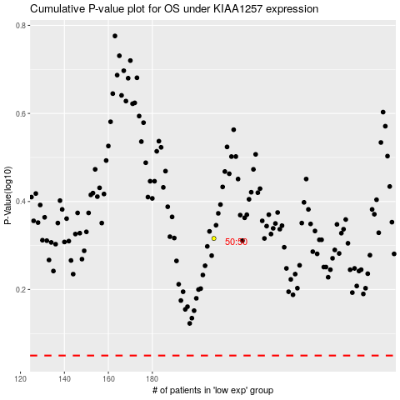

 |  |  |  |  |  | cases_OS | p_OS | rank | exp
 |  |  |  |  |  |  | cases_RFS | p_RFS | rank | exp

