KIAA1267 _multivariate
Reported by Tex Li-Hsing Chi. tex@gate.sinica.edu.tw 2019-08-18

Table 2. The clinicopathological features of HNSCC cohort and KIAA1267 expression. (Chi square test)
Cutoff at -0.11 (49.8%)
 |  | KIAA1267 expression |  | KIAA1267 expression |  | (Optimised)
 | Features | Low | (%) | High | (%) | Case no | P-value | Remark | Matthews
Gender | Female | 142 | 34.2 | 164 | 39.5 | 415 | 0.0238 | 1 | 0
2 | Male | 65 | 15.7 | 44 | 10.6
Age at diagnosis | <=65y | 126 | 30.4 | 148 | 35.7 | 415 | 0.035 | 1 | 0
4 | >65y | 81 | 19.5 | 60 | 14.5
Clinical T Status | T1+T2 | 80 | 19.3 | 69 | 16.6 | 415 | 0.2891 | 0 | 0
6 | T3+T4 | 127 | 30.6 | 139 | 33.5
Clinical N Status | N0 | 112 | 27 | 104 | 25.1 | 415 | 0.4599 | 0 | 0
8 | N1-3 | 95 | 22.9 | 104 | 25.1
Clinical M Status | M0 | 205 | 49.4 | 207 | 49.9 | 415 | 0.6232 | 0 | 0
10 | M1 | 2 | 0.5 | 1 | 0.2
Clinical Stage | Stage I+II | 57 | 13.7 | 45 | 10.8 | 415 | 0.1998 | 0 | 0
12 | Stage III+IV | 150 | 36.1 | 163 | 39.3
Surgical Margin status | Negative | 159 | 38.3 | 159 | 38.3 | 415 | 1 | 0 | 0
14 | Positive | 48 | 11.6 | 49 | 11.8
Tobacco Exposure | Low | 102 | 24.6 | 59 | 14.2 | 415 | 0 | 1 | 0
16 | High | 105 | 25.3 | 149 | 35.9

Table 3. Univariate/Multivariate Cox's proportional hazards regression analyses on OS time of KIAA1267 gene expression in HNSCC

 |  | Univariate |  |  |  | Multivariate
 | Features | HR | CI95%(L) | CI95%(H) | P-value | HR | CI95%(L) | CI95%(H) | P-value
1 | Female | 1 |  |  |  | 1
Gender | Male | 1.157 | 0.843 | 1.587 | 0.367 | 1.189 | 0.848 | 1.666 | 0.315
11 | <=65y | 1 |  |  |  | 1
Age at diagnosis | >65y | 1.329 | 0.99 | 1.784 | 0.058 | 1.382 | 1.015 | 1.881 | 0.04
12 | T1+T2 | 1 |  |  |  | 1
Clinical T Status | T3+T4 | 1.409 | 1.028 | 1.931 | 0.033 | 2.197 | 1.162 | 4.154 | 0.015
13 | N0 | 1 |  |  |  | 1
Clinical N Status | N1-3 | 1.185 | 0.89 | 1.577 | 0.246 | 1.239 | 0.868 | 1.767 | 0.237
14 | M0 | 1 |  |  |  | 1
Clinical M Status | M1 | 4.097 | 1.009 | 16.644 | 0.049 | 9.126 | 1.982 | 42.029 | 0.005
15 | Stage I+II | 1 |  |  |  | 1
Clinical Stage | Stage III+IV | 1.245 | 0.882 | 1.759 | 0.213 | 0.512 | 0.238 | 1.101 | 0.087
16 | Negative | 1 |  |  |  | 1
Surgical Margin status | Positive | 1.591 | 1.155 | 2.191 | 0.004 | 1.67 | 1.209 | 2.307 | 0.002
17 | Low | 1 |  |  |  | 1
Tobacco Exposure | High | 1.364 | 1.008 | 1.844 | 0.044 | 1.471 | 1.063 | 2.034 | 0.02
18 | Low | 1 |  |  |  | 1
RNAseq(z-score) | High | 0.934 | 0.702 | 1.244 | 0.641 | 0.927 | 0.686 | 1.253 | 0.622

Table 4. Univariate/Multivariate Cox's proportional hazards regression analyses on RFS time of KIAA1267 gene expression in HNSCC

 |  | Univariate |  |  |  | Multivariate
 | Features | HR | CI95%(L) | CI95%(H) | P-value | HR | CI95%(L) | CI95%(H) | P-value
1 | Female | 1 |  |  |  | 1
Gender | Male | 1.157 | 0.843 | 1.587 | 0.367 | 1.189 | 0.848 | 1.666 | 0.315
11 | <=65y | 1 |  |  |  | 1
Age at diagnosis | >65y | 1.329 | 0.99 | 1.784 | 0.058 | 1.382 | 1.015 | 1.881 | 0.04
12 | T1+T2 | 1 |  |  |  | 1
Clinical T Status | T3+T4 | 1.409 | 1.028 | 1.931 | 0.033 | 2.197 | 1.162 | 4.154 | 0.015
13 | N0 | 1 |  |  |  | 1
Clinical N Status | N1-3 | 1.185 | 0.89 | 1.577 | 0.246 | 1.239 | 0.868 | 1.767 | 0.237
14 | M0 | 1 |  |  |  | 1
Clinical M Status | M1 | 4.097 | 1.009 | 16.644 | 0.049 | 9.126 | 1.982 | 42.029 | 0.005
15 | Stage I+II | 1 |  |  |  | 1
Clinical Stage | Stage III+IV | 1.245 | 0.882 | 1.759 | 0.213 | 0.512 | 0.238 | 1.101 | 0.087
16 | Negative | 1 |  |  |  | 1
Surgical Margin status | Positive | 1.591 | 1.155 | 2.191 | 0.004 | 1.67 | 1.209 | 2.307 | 0.002
17 | Low | 1 |  |  |  | 1
Tobacco Exposure | High | 1.364 | 1.008 | 1.844 | 0.044 | 1.471 | 1.063 | 2.034 | 0.02
18 | Low | 1 |  |  |  | 1
RNAseq(z-score) | High | 0.934 | 0.702 | 1.244 | 0.641 | 0.927 | 0.686 | 1.253 | 0.622

Kaplan-Meier survival estimate: Cutoff at -0.11 (49.8%)



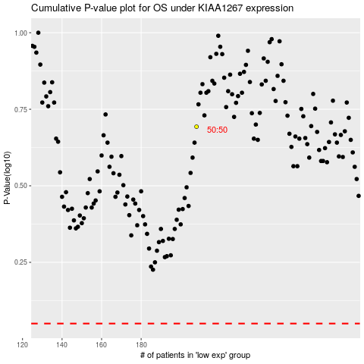

 |  |  |  |  |  | cases_OS | p_OS | rank | exp
 |  |  |  |  |  |  | cases_RFS | p_RFS | rank | exp

