KIAA1310 _multivariate
Reported by Tex Li-Hsing Chi. tex@gate.sinica.edu.tw 2019-08-18

Table 2. The clinicopathological features of HNSCC cohort and KIAA1310 expression. (Chi square test)
Cutoff at 0.145 (69.8%)
 |  | KIAA1310 expression |  | KIAA1310 expression |  | (Optimised)
 | Features | Low | (%) | High | (%) | Case no | P-value | Remark | Matthews
Gender | Female | 208 | 50.1 | 98 | 23.6 | 415 | 0.1949 | 0 | 0
2 | Male | 82 | 19.8 | 27 | 6.5
Age at diagnosis | <=65y | 186 | 44.8 | 88 | 21.2 | 415 | 0.2615 | 0 | 0
4 | >65y | 104 | 25.1 | 37 | 8.9
Clinical T Status | T1+T2 | 110 | 26.5 | 39 | 9.4 | 415 | 0.2302 | 0 | 0
6 | T3+T4 | 180 | 43.4 | 86 | 20.7
Clinical N Status | N0 | 149 | 35.9 | 67 | 16.1 | 415 | 0.7578 | 0 | 0
8 | N1-3 | 141 | 34 | 58 | 14
Clinical M Status | M0 | 288 | 69.4 | 124 | 29.9 | 415 | 1 | 0 | 0
10 | M1 | 2 | 0.5 | 1 | 0.2
Clinical Stage | Stage I+II | 77 | 18.6 | 25 | 6 | 415 | 0.1943 | 0 | 0
12 | Stage III+IV | 213 | 51.3 | 100 | 24.1
Surgical Margin status | Negative | 221 | 53.3 | 97 | 23.4 | 415 | 0.8014 | 0 | 0
14 | Positive | 69 | 16.6 | 28 | 6.7
Tobacco Exposure | Low | 125 | 30.1 | 36 | 8.7 | 415 | 0.0062 | 1 | 0
16 | High | 165 | 39.8 | 89 | 21.4

Table 3. Univariate/Multivariate Cox's proportional hazards regression analyses on OS time of KIAA1310 gene expression in HNSCC

 |  | Univariate |  |  |  | Multivariate
 | Features | HR | CI95%(L) | CI95%(H) | P-value | HR | CI95%(L) | CI95%(H) | P-value
1 | Female | 1 |  |  |  | 1
Gender | Male | 1.157 | 0.843 | 1.587 | 0.367 | 1.169 | 0.834 | 1.638 | 0.365
11 | <=65y | 1 |  |  |  | 1
Age at diagnosis | >65y | 1.329 | 0.99 | 1.784 | 0.058 | 1.379 | 1.014 | 1.875 | 0.041
12 | T1+T2 | 1 |  |  |  | 1
Clinical T Status | T3+T4 | 1.409 | 1.028 | 1.931 | 0.033 | 2.171 | 1.149 | 4.105 | 0.017
13 | N0 | 1 |  |  |  | 1
Clinical N Status | N1-3 | 1.185 | 0.89 | 1.577 | 0.246 | 1.227 | 0.86 | 1.75 | 0.26
14 | M0 | 1 |  |  |  | 1
Clinical M Status | M1 | 4.097 | 1.009 | 16.644 | 0.049 | 8.687 | 1.892 | 39.875 | 0.005
15 | Stage I+II | 1 |  |  |  | 1
Clinical Stage | Stage III+IV | 1.245 | 0.882 | 1.759 | 0.213 | 0.553 | 0.257 | 1.191 | 0.13
16 | Negative | 1 |  |  |  | 1
Surgical Margin status | Positive | 1.591 | 1.155 | 2.191 | 0.004 | 1.6 | 1.157 | 2.213 | 0.004
17 | Low | 1 |  |  |  | 1
Tobacco Exposure | High | 1.364 | 1.008 | 1.844 | 0.044 | 1.511 | 1.094 | 2.087 | 0.012
18 | Low | 1 |  |  |  | 1
RNAseq(z-score) | High | 0.664 | 0.479 | 0.922 | 0.014 | 0.657 | 0.469 | 0.92 | 0.014

Table 4. Univariate/Multivariate Cox's proportional hazards regression analyses on RFS time of KIAA1310 gene expression in HNSCC

 |  | Univariate |  |  |  | Multivariate
 | Features | HR | CI95%(L) | CI95%(H) | P-value | HR | CI95%(L) | CI95%(H) | P-value
1 | Female | 1 |  |  |  | 1
Gender | Male | 1.157 | 0.843 | 1.587 | 0.367 | 1.169 | 0.834 | 1.638 | 0.365
11 | <=65y | 1 |  |  |  | 1
Age at diagnosis | >65y | 1.329 | 0.99 | 1.784 | 0.058 | 1.379 | 1.014 | 1.875 | 0.041
12 | T1+T2 | 1 |  |  |  | 1
Clinical T Status | T3+T4 | 1.409 | 1.028 | 1.931 | 0.033 | 2.171 | 1.149 | 4.105 | 0.017
13 | N0 | 1 |  |  |  | 1
Clinical N Status | N1-3 | 1.185 | 0.89 | 1.577 | 0.246 | 1.227 | 0.86 | 1.75 | 0.26
14 | M0 | 1 |  |  |  | 1
Clinical M Status | M1 | 4.097 | 1.009 | 16.644 | 0.049 | 8.687 | 1.892 | 39.875 | 0.005
15 | Stage I+II | 1 |  |  |  | 1
Clinical Stage | Stage III+IV | 1.245 | 0.882 | 1.759 | 0.213 | 0.553 | 0.257 | 1.191 | 0.13
16 | Negative | 1 |  |  |  | 1
Surgical Margin status | Positive | 1.591 | 1.155 | 2.191 | 0.004 | 1.6 | 1.157 | 2.213 | 0.004
17 | Low | 1 |  |  |  | 1
Tobacco Exposure | High | 1.364 | 1.008 | 1.844 | 0.044 | 1.511 | 1.094 | 2.087 | 0.012
18 | Low | 1 |  |  |  | 1
RNAseq(z-score) | High | 0.664 | 0.479 | 0.922 | 0.014 | 0.657 | 0.469 | 0.92 | 0.014

Kaplan-Meier survival estimate: Cutoff at 0.145 (69.8%)

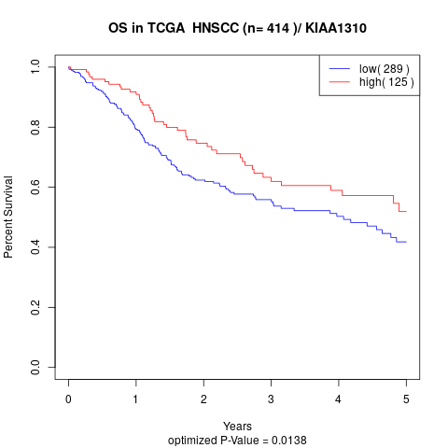

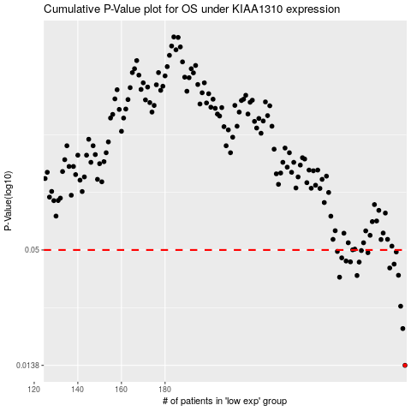

 |  |  |  |  |  | cases_OS | p_OS | rank | exp
 |  |  |  |  |  | 290 | 0.0138 | 59 | 0.14546166725
 |  |  |  |  |  | 289 | 0.0208 | 198 | 0.14372645778
 |  |  |  |  |  | 288 | 0.0267 | 202 | 0.13807864099
 |  |  |  |  |  | 260 | 0.0369 | 121 | 0.02938832956
 |  |  |  |  |  | 268 | 0.0376 | 303 | 0.062738525564
 |  |  |  |  |  | 287 | 0.0377 | 64 | 0.13078438599
 |  |  |  |  |  | 283 | 0.0409 | 109 | 0.119533972
 |  |  |  |  |  | 285 | 0.0427 | 382 | 0.1269631445
 |  |  |  |  |  | 269 | 0.0437 | 294 | 0.066984905423
 |  |  |  |  |  | 265 | 0.0438 | 194 | 0.044943130515
 |  |  |  |  |  | 263 | 0.0442 | 152 | 0.036382170746
 |  |  |  |  |  | 261 | 0.0458 | 111 | 0.031958248361
 |  |  |  |  |  | 273 | 0.0485 | 328 | 0.082062861993
 |  |  |  |  |  | 286 | 0.0489 | 163 | 0.12997654896
 |  |  |  |  |  | 259 | 0.0492 | 97 | 0.027654417372
 |  |  |  |  |  | 270 | 0.0497 | 22 | 0.06937616974
 |  |  |  |  |  |  | cases_RFS | p_RFS | rank | exp
 |  |  |  |  |  |  | 289 | 0.0138 | 198 | 0.14372645778
 |  |  |  |  |  |  | 288 | 0.0208 | 202 | 0.13807864099
 |  |  |  |  |  |  | 287 | 0.0267 | 64 | 0.13078438599
 |  |  |  |  |  |  | 259 | 0.0369 | 97 | 0.027654417372
 |  |  |  |  |  |  | 267 | 0.0376 | 133 | 0.060610795142
 |  |  |  |  |  |  | 286 | 0.0377 | 163 | 0.12997654896
 |  |  |  |  |  |  | 282 | 0.0409 | 70 | 0.11809139264
 |  |  |  |  |  |  | 284 | 0.0427 | 76 | 0.12417324346
 |  |  |  |  |  |  | 268 | 0.0437 | 303 | 0.062738525564
 |  |  |  |  |  |  | 264 | 0.0438 | 265 | 0.037327149182
 |  |  |  |  |  |  | 262 | 0.0442 | 377 | 0.033223841171
 |  |  |  |  |  |  | 260 | 0.0458 | 121 | 0.02938832956
 |  |  |  |  |  |  | 272 | 0.0485 | 237 | 0.080430508578
 |  |  |  |  |  |  | 285 | 0.0489 | 382 | 0.1269631445
 |  |  |  |  |  |  | 258 | 0.0492 | 181 | 0.018956686848
 |  |  |  |  |  |  | 269 | 0.0497 | 294 | 0.066984905423

