KIAA1324L _multivariate
Reported by Tex Li-Hsing Chi. tex@gate.sinica.edu.tw 2019-08-18

Table 2. The clinicopathological features of HNSCC cohort and KIAA1324L expression. (Chi square test)
Cutoff at -0.51 (31.2%)
 |  | KIAA1324L expression |  | KIAA1324L expression |  | (Optimised)
 | Features | Low | (%) | High | (%) | Case no | P-value | Remark | Matthews
Gender | Female | 100 | 24.1 | 206 | 49.6 | 415 | 0.3808 | 0 | 0
2 | Male | 30 | 7.2 | 79 | 19
Age at diagnosis | <=65y | 92 | 22.2 | 182 | 43.9 | 415 | 0.2053 | 0 | 0
4 | >65y | 38 | 9.2 | 103 | 24.8
Clinical T Status | T1+T2 | 52 | 12.5 | 97 | 23.4 | 415 | 0.2871 | 0 | 0
6 | T3+T4 | 78 | 18.8 | 188 | 45.3
Clinical N Status | N0 | 62 | 14.9 | 154 | 37.1 | 415 | 0.2741 | 0 | 0
8 | N1-3 | 68 | 16.4 | 131 | 31.6
Clinical M Status | M0 | 129 | 31.1 | 283 | 68.2 | 415 | 1 | 0 | 0
10 | M1 | 1 | 0.2 | 2 | 0.5
Clinical Stage | Stage I+II | 32 | 7.7 | 70 | 16.9 | 415 | 1 | 0 | 0
12 | Stage III+IV | 98 | 23.6 | 215 | 51.8
Surgical Margin status | Negative | 101 | 24.3 | 217 | 52.3 | 415 | 0.8029 | 0 | 0
14 | Positive | 29 | 7 | 68 | 16.4
Tobacco Exposure | Low | 52 | 12.5 | 109 | 26.3 | 415 | 0.7456 | 0 | 0
16 | High | 78 | 18.8 | 176 | 42.4

Table 3. Univariate/Multivariate Cox's proportional hazards regression analyses on OS time of KIAA1324L gene expression in HNSCC

 |  | Univariate |  |  |  | Multivariate
 | Features | HR | CI95%(L) | CI95%(H) | P-value | HR | CI95%(L) | CI95%(H) | P-value
1 | Female | 1 |  |  |  | 1
Gender | Male | 1.157 | 0.843 | 1.587 | 0.367 | 1.169 | 0.837 | 1.633 | 0.359
11 | <=65y | 1 |  |  |  | 1
Age at diagnosis | >65y | 1.329 | 0.99 | 1.784 | 0.058 | 1.375 | 1.011 | 1.871 | 0.042
12 | T1+T2 | 1 |  |  |  | 1
Clinical T Status | T3+T4 | 1.409 | 1.028 | 1.931 | 0.033 | 2.224 | 1.175 | 4.207 | 0.014
13 | N0 | 1 |  |  |  | 1
Clinical N Status | N1-3 | 1.185 | 0.89 | 1.577 | 0.246 | 1.281 | 0.897 | 1.83 | 0.173
14 | M0 | 1 |  |  |  | 1
Clinical M Status | M1 | 4.097 | 1.009 | 16.644 | 0.049 | 9.76 | 2.126 | 44.799 | 0.003
15 | Stage I+II | 1 |  |  |  | 1
Clinical Stage | Stage III+IV | 1.245 | 0.882 | 1.759 | 0.213 | 0.48 | 0.223 | 1.031 | 0.06
16 | Negative | 1 |  |  |  | 1
Surgical Margin status | Positive | 1.591 | 1.155 | 2.191 | 0.004 | 1.711 | 1.236 | 2.369 | 0.001
17 | Low | 1 |  |  |  | 1
Tobacco Exposure | High | 1.364 | 1.008 | 1.844 | 0.044 | 1.448 | 1.051 | 1.996 | 0.024
18 | Low | 1 |  |  |  | 1
RNAseq(z-score) | High | 1.508 | 1.082 | 2.102 | 0.015 | 1.518 | 1.084 | 2.126 | 0.015

Table 4. Univariate/Multivariate Cox's proportional hazards regression analyses on RFS time of KIAA1324L gene expression in HNSCC

 |  | Univariate |  |  |  | Multivariate
 | Features | HR | CI95%(L) | CI95%(H) | P-value | HR | CI95%(L) | CI95%(H) | P-value
1 | Female | 1 |  |  |  | 1
Gender | Male | 1.157 | 0.843 | 1.587 | 0.367 | 1.169 | 0.837 | 1.633 | 0.359
11 | <=65y | 1 |  |  |  | 1
Age at diagnosis | >65y | 1.329 | 0.99 | 1.784 | 0.058 | 1.375 | 1.011 | 1.871 | 0.042
12 | T1+T2 | 1 |  |  |  | 1
Clinical T Status | T3+T4 | 1.409 | 1.028 | 1.931 | 0.033 | 2.224 | 1.175 | 4.207 | 0.014
13 | N0 | 1 |  |  |  | 1
Clinical N Status | N1-3 | 1.185 | 0.89 | 1.577 | 0.246 | 1.281 | 0.897 | 1.83 | 0.173
14 | M0 | 1 |  |  |  | 1
Clinical M Status | M1 | 4.097 | 1.009 | 16.644 | 0.049 | 9.76 | 2.126 | 44.799 | 0.003
15 | Stage I+II | 1 |  |  |  | 1
Clinical Stage | Stage III+IV | 1.245 | 0.882 | 1.759 | 0.213 | 0.48 | 0.223 | 1.031 | 0.06
16 | Negative | 1 |  |  |  | 1
Surgical Margin status | Positive | 1.591 | 1.155 | 2.191 | 0.004 | 1.711 | 1.236 | 2.369 | 0.001
17 | Low | 1 |  |  |  | 1
Tobacco Exposure | High | 1.364 | 1.008 | 1.844 | 0.044 | 1.448 | 1.051 | 1.996 | 0.024
18 | Low | 1 |  |  |  | 1
RNAseq(z-score) | High | 1.508 | 1.082 | 2.102 | 0.015 | 1.518 | 1.084 | 2.126 | 0.015

Kaplan-Meier survival estimate: Cutoff at -0.51 (31.2%)

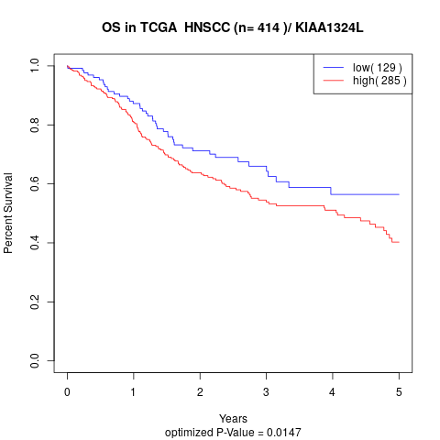

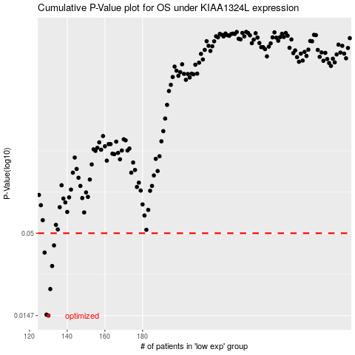

 |  |  |  |  |  | cases_OS | p_OS | rank | exp
 |  |  |  |  |  | 130 | 0.0147 | 124 | -0.51046408368
 |  |  |  |  |  | 129 | 0.0149 | 291 | -0.5106781573
 |  |  |  |  |  | 131 | 0.0218 | 364 | -0.50570959826
 |  |  |  |  |  | 132 | 0.0307 | 387 | -0.50543463544
 |  |  |  |  |  | 128 | 0.0375 | 271 | -0.53241944872
 |  |  |  |  |  | 133 | 0.0417 | 204 | -0.50389766374
 |  |  |  |  |  |  | cases_RFS | p_RFS | rank | exp
 |  |  |  |  |  |  | 129 | 0.0147 | 291 | -0.5106781573
 |  |  |  |  |  |  | 128 | 0.0149 | 271 | -0.53241944872
 |  |  |  |  |  |  | 130 | 0.0218 | 124 | -0.51046408368
 |  |  |  |  |  |  | 131 | 0.0307 | 364 | -0.50570959826
 |  |  |  |  |  |  | 127 | 0.0375 | 205 | -0.5345133964
 |  |  |  |  |  |  | 132 | 0.0417 | 387 | -0.50543463544

