KIAA1377 _multivariate
Reported by Tex Li-Hsing Chi. tex@gate.sinica.edu.tw 2019-08-18

Table 2. The clinicopathological features of HNSCC cohort and KIAA1377 expression. (Chi square test)
Cutoff at -0.102 (67.6%)
 |  | KIAA1377 expression |  | KIAA1377 expression |  | (Optimised)
 | Features | Low | (%) | High | (%) | Case no | P-value | Remark | Matthews
Gender | Female | 203 | 48.9 | 103 | 24.8 | 415 | 0.378 | 0 | 0
2 | Male | 78 | 18.8 | 31 | 7.5
Age at diagnosis | <=65y | 184 | 44.3 | 90 | 21.7 | 415 | 0.8198 | 0 | 0
4 | >65y | 97 | 23.4 | 44 | 10.6
Clinical T Status | T1+T2 | 94 | 22.7 | 55 | 13.3 | 415 | 0.162 | 0 | 0
6 | T3+T4 | 187 | 45.1 | 79 | 19
Clinical N Status | N0 | 146 | 35.2 | 70 | 16.9 | 415 | 1 | 0 | 0
8 | N1-3 | 135 | 32.5 | 64 | 15.4
Clinical M Status | M0 | 279 | 67.2 | 133 | 32 | 415 | 1 | 0 | 0
10 | M1 | 2 | 0.5 | 1 | 0.2
Clinical Stage | Stage I+II | 67 | 16.1 | 35 | 8.4 | 415 | 0.7027 | 0 | 0
12 | Stage III+IV | 214 | 51.6 | 99 | 23.9
Surgical Margin status | Negative | 218 | 52.5 | 100 | 24.1 | 415 | 0.5359 | 0 | 0
14 | Positive | 63 | 15.2 | 34 | 8.2
Tobacco Exposure | Low | 107 | 25.8 | 54 | 13 | 415 | 0.6681 | 0 | 0
16 | High | 174 | 41.9 | 80 | 19.3

Table 3. Univariate/Multivariate Cox's proportional hazards regression analyses on OS time of KIAA1377 gene expression in HNSCC

 |  | Univariate |  |  |  | Multivariate
 | Features | HR | CI95%(L) | CI95%(H) | P-value | HR | CI95%(L) | CI95%(H) | P-value
1 | Female | 1 |  |  |  | 1
Gender | Male | 1.157 | 0.843 | 1.587 | 0.367 | 1.217 | 0.872 | 1.699 | 0.247
11 | <=65y | 1 |  |  |  | 1
Age at diagnosis | >65y | 1.329 | 0.99 | 1.784 | 0.058 | 1.362 | 1.002 | 1.85 | 0.049
12 | T1+T2 | 1 |  |  |  | 1
Clinical T Status | T3+T4 | 1.409 | 1.028 | 1.931 | 0.033 | 2.382 | 1.254 | 4.526 | 0.008
13 | N0 | 1 |  |  |  | 1
Clinical N Status | N1-3 | 1.185 | 0.89 | 1.577 | 0.246 | 1.258 | 0.882 | 1.794 | 0.206
14 | M0 | 1 |  |  |  | 1
Clinical M Status | M1 | 4.097 | 1.009 | 16.644 | 0.049 | 10.513 | 2.285 | 48.373 | 0.003
15 | Stage I+II | 1 |  |  |  | 1
Clinical Stage | Stage III+IV | 1.245 | 0.882 | 1.759 | 0.213 | 0.467 | 0.217 | 1.005 | 0.052
16 | Negative | 1 |  |  |  | 1
Surgical Margin status | Positive | 1.591 | 1.155 | 2.191 | 0.004 | 1.656 | 1.198 | 2.289 | 0.002
17 | Low | 1 |  |  |  | 1
Tobacco Exposure | High | 1.364 | 1.008 | 1.844 | 0.044 | 1.457 | 1.059 | 2.005 | 0.021
18 | Low | 1 |  |  |  | 1
RNAseq(z-score) | High | 1.365 | 1.006 | 1.852 | 0.046 | 1.439 | 1.058 | 1.958 | 0.02

Table 4. Univariate/Multivariate Cox's proportional hazards regression analyses on RFS time of KIAA1377 gene expression in HNSCC

 |  | Univariate |  |  |  | Multivariate
 | Features | HR | CI95%(L) | CI95%(H) | P-value | HR | CI95%(L) | CI95%(H) | P-value
1 | Female | 1 |  |  |  | 1
Gender | Male | 1.157 | 0.843 | 1.587 | 0.367 | 1.217 | 0.872 | 1.699 | 0.247
11 | <=65y | 1 |  |  |  | 1
Age at diagnosis | >65y | 1.329 | 0.99 | 1.784 | 0.058 | 1.362 | 1.002 | 1.85 | 0.049
12 | T1+T2 | 1 |  |  |  | 1
Clinical T Status | T3+T4 | 1.409 | 1.028 | 1.931 | 0.033 | 2.382 | 1.254 | 4.526 | 0.008
13 | N0 | 1 |  |  |  | 1
Clinical N Status | N1-3 | 1.185 | 0.89 | 1.577 | 0.246 | 1.258 | 0.882 | 1.794 | 0.206
14 | M0 | 1 |  |  |  | 1
Clinical M Status | M1 | 4.097 | 1.009 | 16.644 | 0.049 | 10.513 | 2.285 | 48.373 | 0.003
15 | Stage I+II | 1 |  |  |  | 1
Clinical Stage | Stage III+IV | 1.245 | 0.882 | 1.759 | 0.213 | 0.467 | 0.217 | 1.005 | 0.052
16 | Negative | 1 |  |  |  | 1
Surgical Margin status | Positive | 1.591 | 1.155 | 2.191 | 0.004 | 1.656 | 1.198 | 2.289 | 0.002
17 | Low | 1 |  |  |  | 1
Tobacco Exposure | High | 1.364 | 1.008 | 1.844 | 0.044 | 1.457 | 1.059 | 2.005 | 0.021
18 | Low | 1 |  |  |  | 1
RNAseq(z-score) | High | 1.365 | 1.006 | 1.852 | 0.046 | 1.439 | 1.058 | 1.958 | 0.02

Kaplan-Meier survival estimate: Cutoff at -0.102 (67.6%)



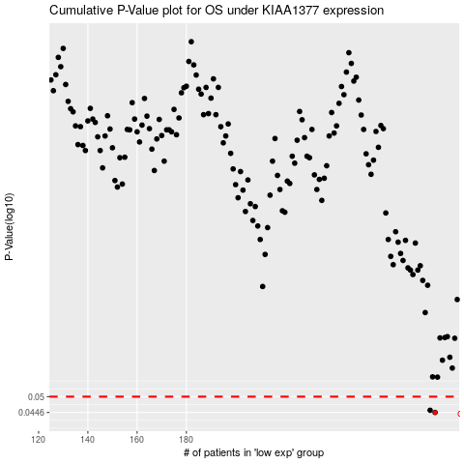

 |  |  |  |  |  | cases_OS | p_OS | rank | exp
 |  |  |  |  |  | 281 | 0.0446 | 237 | -0.10203038536
 |  |  |  |  |  | 279 | 0.0453 | 143 | -0.10336501575
 |  |  |  |  |  |  | cases_RFS | p_RFS | rank | exp
 |  |  |  |  |  |  | 280 | 0.0446 | 165 | -0.10245554462
 |  |  |  |  |  |  | 278 | 0.0453 | 271 | -0.10340291038

