KIAA1383 _multivariate
Reported by Tex Li-Hsing Chi. tex@gate.sinica.edu.tw 2019-08-18

Table 2. The clinicopathological features of HNSCC cohort and KIAA1383 expression. (Chi square test)
Cutoff at -0.379 (49.8%)
 |  | KIAA1383 expression |  | KIAA1383 expression |  | (Optimised)
 | Features | Low | (%) | High | (%) | Case no | P-value | Remark | Matthews
Gender | Female | 153 | 36.9 | 153 | 36.9 | 415 | 1 | 0 | 0
2 | Male | 54 | 13 | 55 | 13.3
Age at diagnosis | <=65y | 132 | 31.8 | 142 | 34.2 | 415 | 0.3874 | 0 | 0
4 | >65y | 75 | 18.1 | 66 | 15.9
Clinical T Status | T1+T2 | 62 | 14.9 | 87 | 21 | 415 | 0.0156 | 1 | 0
6 | T3+T4 | 145 | 34.9 | 121 | 29.2
Clinical N Status | N0 | 110 | 26.5 | 106 | 25.5 | 415 | 0.7294 | 0 | 0
8 | N1-3 | 97 | 23.4 | 102 | 24.6
Clinical M Status | M0 | 204 | 49.2 | 208 | 50.1 | 415 | 0.1232 | 0 | 0
10 | M1 | 3 | 0.7 | 0 | 0
Clinical Stage | Stage I+II | 43 | 10.4 | 59 | 14.2 | 415 | 0.0925 | 0 | 0
12 | Stage III+IV | 164 | 39.5 | 149 | 35.9
Surgical Margin status | Negative | 157 | 37.8 | 161 | 38.8 | 415 | 0.729 | 0 | 0
14 | Positive | 50 | 12 | 47 | 11.3
Tobacco Exposure | Low | 91 | 21.9 | 70 | 16.9 | 415 | 0.0346 | 1 | 0
16 | High | 116 | 28 | 138 | 33.3

Table 3. Univariate/Multivariate Cox's proportional hazards regression analyses on OS time of KIAA1383 gene expression in HNSCC

 |  | Univariate |  |  |  | Multivariate
 | Features | HR | CI95%(L) | CI95%(H) | P-value | HR | CI95%(L) | CI95%(H) | P-value
1 | Female | 1 |  |  |  | 1
Gender | Male | 1.157 | 0.843 | 1.587 | 0.367 | 1.205 | 0.862 | 1.685 | 0.275
11 | <=65y | 1 |  |  |  | 1
Age at diagnosis | >65y | 1.329 | 0.99 | 1.784 | 0.058 | 1.385 | 1.019 | 1.884 | 0.038
12 | T1+T2 | 1 |  |  |  | 1
Clinical T Status | T3+T4 | 1.409 | 1.028 | 1.931 | 0.033 | 2.189 | 1.158 | 4.14 | 0.016
13 | N0 | 1 |  |  |  | 1
Clinical N Status | N1-3 | 1.185 | 0.89 | 1.577 | 0.246 | 1.248 | 0.874 | 1.782 | 0.222
14 | M0 | 1 |  |  |  | 1
Clinical M Status | M1 | 4.097 | 1.009 | 16.644 | 0.049 | 8.944 | 1.936 | 41.315 | 0.005
15 | Stage I+II | 1 |  |  |  | 1
Clinical Stage | Stage III+IV | 1.245 | 0.882 | 1.759 | 0.213 | 0.499 | 0.232 | 1.072 | 0.075
16 | Negative | 1 |  |  |  | 1
Surgical Margin status | Positive | 1.591 | 1.155 | 2.191 | 0.004 | 1.677 | 1.213 | 2.318 | 0.002
17 | Low | 1 |  |  |  | 1
Tobacco Exposure | High | 1.364 | 1.008 | 1.844 | 0.044 | 1.469 | 1.064 | 2.029 | 0.02
18 | Low | 1 |  |  |  | 1
RNAseq(z-score) | High | 0.896 | 0.673 | 1.193 | 0.451 | 0.909 | 0.679 | 1.218 | 0.524

Table 4. Univariate/Multivariate Cox's proportional hazards regression analyses on RFS time of KIAA1383 gene expression in HNSCC

 |  | Univariate |  |  |  | Multivariate
 | Features | HR | CI95%(L) | CI95%(H) | P-value | HR | CI95%(L) | CI95%(H) | P-value
1 | Female | 1 |  |  |  | 1
Gender | Male | 1.157 | 0.843 | 1.587 | 0.367 | 1.205 | 0.862 | 1.685 | 0.275
11 | <=65y | 1 |  |  |  | 1
Age at diagnosis | >65y | 1.329 | 0.99 | 1.784 | 0.058 | 1.385 | 1.019 | 1.884 | 0.038
12 | T1+T2 | 1 |  |  |  | 1
Clinical T Status | T3+T4 | 1.409 | 1.028 | 1.931 | 0.033 | 2.189 | 1.158 | 4.14 | 0.016
13 | N0 | 1 |  |  |  | 1
Clinical N Status | N1-3 | 1.185 | 0.89 | 1.577 | 0.246 | 1.248 | 0.874 | 1.782 | 0.222
14 | M0 | 1 |  |  |  | 1
Clinical M Status | M1 | 4.097 | 1.009 | 16.644 | 0.049 | 8.944 | 1.936 | 41.315 | 0.005
15 | Stage I+II | 1 |  |  |  | 1
Clinical Stage | Stage III+IV | 1.245 | 0.882 | 1.759 | 0.213 | 0.499 | 0.232 | 1.072 | 0.075
16 | Negative | 1 |  |  |  | 1
Surgical Margin status | Positive | 1.591 | 1.155 | 2.191 | 0.004 | 1.677 | 1.213 | 2.318 | 0.002
17 | Low | 1 |  |  |  | 1
Tobacco Exposure | High | 1.364 | 1.008 | 1.844 | 0.044 | 1.469 | 1.064 | 2.029 | 0.02
18 | Low | 1 |  |  |  | 1
RNAseq(z-score) | High | 0.896 | 0.673 | 1.193 | 0.451 | 0.909 | 0.679 | 1.218 | 0.524

Kaplan-Meier survival estimate: Cutoff at -0.379 (49.8%)



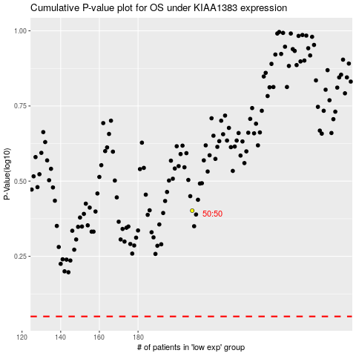

 |  |  |  |  |  | cases_OS | p_OS | rank | exp
 |  |  |  |  |  |  | cases_RFS | p_RFS | rank | exp

