KIAA1407 _multivariate
Reported by Tex Li-Hsing Chi. tex@gate.sinica.edu.tw 2019-08-18

Table 2. The clinicopathological features of HNSCC cohort and KIAA1407 expression. (Chi square test)
Cutoff at -0.343 (47.3%)
 |  | KIAA1407 expression |  | KIAA1407 expression |  | (Optimised)
 | Features | Low | (%) | High | (%) | Case no | P-value | Remark | Matthews
Gender | Female | 137 | 33 | 169 | 40.7 | 415 | 0.1167 | 0 | 0
2 | Male | 59 | 14.2 | 50 | 12
Age at diagnosis | <=65y | 126 | 30.4 | 148 | 35.7 | 415 | 0.5461 | 0 | 0
4 | >65y | 70 | 16.9 | 71 | 17.1
Clinical T Status | T1+T2 | 64 | 15.4 | 85 | 20.5 | 415 | 0.2288 | 0 | 0
6 | T3+T4 | 132 | 31.8 | 134 | 32.3
Clinical N Status | N0 | 103 | 24.8 | 113 | 27.2 | 415 | 0.9239 | 0 | 0
8 | N1-3 | 93 | 22.4 | 106 | 25.5
Clinical M Status | M0 | 194 | 46.7 | 218 | 52.5 | 415 | 0.6044 | 0 | 0
10 | M1 | 2 | 0.5 | 1 | 0.2
Clinical Stage | Stage I+II | 44 | 10.6 | 58 | 14 | 415 | 0.4015 | 0 | 0
12 | Stage III+IV | 152 | 36.6 | 161 | 38.8
Surgical Margin status | Negative | 152 | 36.6 | 166 | 40 | 415 | 0.7279 | 0 | 0
14 | Positive | 44 | 10.6 | 53 | 12.8
Tobacco Exposure | Low | 78 | 18.8 | 83 | 20 | 415 | 0.7622 | 0 | 0
16 | High | 118 | 28.4 | 136 | 32.8

Table 3. Univariate/Multivariate Cox's proportional hazards regression analyses on OS time of KIAA1407 gene expression in HNSCC

 |  | Univariate |  |  |  | Multivariate
 | Features | HR | CI95%(L) | CI95%(H) | P-value | HR | CI95%(L) | CI95%(H) | P-value
1 | Female | 1 |  |  |  | 1
Gender | Male | 1.157 | 0.843 | 1.587 | 0.367 | 1.167 | 0.834 | 1.632 | 0.367
11 | <=65y | 1 |  |  |  | 1
Age at diagnosis | >65y | 1.329 | 0.99 | 1.784 | 0.058 | 1.412 | 1.038 | 1.92 | 0.028
12 | T1+T2 | 1 |  |  |  | 1
Clinical T Status | T3+T4 | 1.409 | 1.028 | 1.931 | 0.033 | 2.142 | 1.134 | 4.045 | 0.019
13 | N0 | 1 |  |  |  | 1
Clinical N Status | N1-3 | 1.185 | 0.89 | 1.577 | 0.246 | 1.262 | 0.884 | 1.801 | 0.2
14 | M0 | 1 |  |  |  | 1
Clinical M Status | M1 | 4.097 | 1.009 | 16.644 | 0.049 | 8.379 | 1.82 | 38.575 | 0.006
15 | Stage I+II | 1 |  |  |  | 1
Clinical Stage | Stage III+IV | 1.245 | 0.882 | 1.759 | 0.213 | 0.497 | 0.232 | 1.066 | 0.073
16 | Negative | 1 |  |  |  | 1
Surgical Margin status | Positive | 1.591 | 1.155 | 2.191 | 0.004 | 1.677 | 1.214 | 2.316 | 0.002
17 | Low | 1 |  |  |  | 1
Tobacco Exposure | High | 1.364 | 1.008 | 1.844 | 0.044 | 1.492 | 1.08 | 2.06 | 0.015
18 | Low | 1 |  |  |  | 1
RNAseq(z-score) | High | 0.741 | 0.556 | 0.987 | 0.04 | 0.751 | 0.562 | 1.006 | 0.054

Table 4. Univariate/Multivariate Cox's proportional hazards regression analyses on RFS time of KIAA1407 gene expression in HNSCC

 |  | Univariate |  |  |  | Multivariate
 | Features | HR | CI95%(L) | CI95%(H) | P-value | HR | CI95%(L) | CI95%(H) | P-value
1 | Female | 1 |  |  |  | 1
Gender | Male | 1.157 | 0.843 | 1.587 | 0.367 | 1.167 | 0.834 | 1.632 | 0.367
11 | <=65y | 1 |  |  |  | 1
Age at diagnosis | >65y | 1.329 | 0.99 | 1.784 | 0.058 | 1.412 | 1.038 | 1.92 | 0.028
12 | T1+T2 | 1 |  |  |  | 1
Clinical T Status | T3+T4 | 1.409 | 1.028 | 1.931 | 0.033 | 2.142 | 1.134 | 4.045 | 0.019
13 | N0 | 1 |  |  |  | 1
Clinical N Status | N1-3 | 1.185 | 0.89 | 1.577 | 0.246 | 1.262 | 0.884 | 1.801 | 0.2
14 | M0 | 1 |  |  |  | 1
Clinical M Status | M1 | 4.097 | 1.009 | 16.644 | 0.049 | 8.379 | 1.82 | 38.575 | 0.006
15 | Stage I+II | 1 |  |  |  | 1
Clinical Stage | Stage III+IV | 1.245 | 0.882 | 1.759 | 0.213 | 0.497 | 0.232 | 1.066 | 0.073
16 | Negative | 1 |  |  |  | 1
Surgical Margin status | Positive | 1.591 | 1.155 | 2.191 | 0.004 | 1.677 | 1.214 | 2.316 | 0.002
17 | Low | 1 |  |  |  | 1
Tobacco Exposure | High | 1.364 | 1.008 | 1.844 | 0.044 | 1.492 | 1.08 | 2.06 | 0.015
18 | Low | 1 |  |  |  | 1
RNAseq(z-score) | High | 0.741 | 0.556 | 0.987 | 0.04 | 0.751 | 0.562 | 1.006 | 0.054

Kaplan-Meier survival estimate: Cutoff at -0.343 (47.3%)



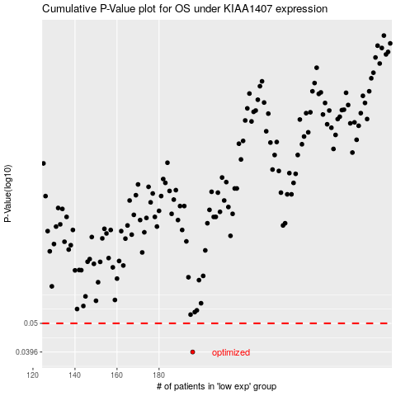

 |  |  |  |  |  | cases_OS | p_OS | rank | exp
 |  |  |  |  |  | 196 | 0.0396 | 110 | -0.34315957546
 |  |  |  |  |  |  | cases_RFS | p_RFS | rank | exp
 |  |  |  |  |  |  | 195 | 0.0396 | 159 | -0.34942261164

