KIAA1409 _multivariate
Reported by Tex Li-Hsing Chi. tex@gate.sinica.edu.tw 2019-08-18

Table 2. The clinicopathological features of HNSCC cohort and KIAA1409 expression. (Chi square test)
Cutoff at -0.138 (50.0%)
 |  | KIAA1409 expression |  | KIAA1409 expression |  | (Optimised)
 | Features | Low | (%) | High | (%) | Case no | P-value | Remark | Matthews
Gender | Female | 155 | 37.3 | 151 | 36.4 | 415 | 0.6768 | 0 | 0
2 | Male | 52 | 12.5 | 57 | 13.7
Age at diagnosis | <=65y | 134 | 32.3 | 140 | 33.7 | 415 | 0.6529 | 0 | 0
4 | >65y | 73 | 17.6 | 68 | 16.4
Clinical T Status | T1+T2 | 64 | 15.4 | 85 | 20.5 | 415 | 0.0445 | 1 | 0
6 | T3+T4 | 143 | 34.5 | 123 | 29.6
Clinical N Status | N0 | 111 | 26.7 | 105 | 25.3 | 415 | 0.5875 | 0 | 0
8 | N1-3 | 96 | 23.1 | 103 | 24.8
Clinical M Status | M0 | 206 | 49.6 | 206 | 49.6 | 415 | 1 | 0 | 0
10 | M1 | 1 | 0.2 | 2 | 0.5
Clinical Stage | Stage I+II | 47 | 11.3 | 55 | 13.3 | 415 | 0.4413 | 0 | 0
12 | Stage III+IV | 160 | 38.6 | 153 | 36.9
Surgical Margin status | Negative | 168 | 40.5 | 150 | 36.1 | 415 | 0.0366 | 1 | 0
14 | Positive | 39 | 9.4 | 58 | 14
Tobacco Exposure | Low | 76 | 18.3 | 85 | 20.5 | 415 | 0.4207 | 0 | 0
16 | High | 131 | 31.6 | 123 | 29.6

Table 3. Univariate/Multivariate Cox's proportional hazards regression analyses on OS time of KIAA1409 gene expression in HNSCC

 |  | Univariate |  |  |  | Multivariate
 | Features | HR | CI95%(L) | CI95%(H) | P-value | HR | CI95%(L) | CI95%(H) | P-value
1 | Female | 1 |  |  |  | 1
Gender | Male | 1.157 | 0.843 | 1.587 | 0.367 | 1.201 | 0.86 | 1.677 | 0.284
11 | <=65y | 1 |  |  |  | 1
Age at diagnosis | >65y | 1.329 | 0.99 | 1.784 | 0.058 | 1.387 | 1.021 | 1.883 | 0.036
12 | T1+T2 | 1 |  |  |  | 1
Clinical T Status | T3+T4 | 1.409 | 1.028 | 1.931 | 0.033 | 2.276 | 1.201 | 4.315 | 0.012
13 | N0 | 1 |  |  |  | 1
Clinical N Status | N1-3 | 1.185 | 0.89 | 1.577 | 0.246 | 1.234 | 0.865 | 1.761 | 0.246
14 | M0 | 1 |  |  |  | 1
Clinical M Status | M1 | 4.097 | 1.009 | 16.644 | 0.049 | 9.485 | 2.068 | 43.49 | 0.004
15 | Stage I+II | 1 |  |  |  | 1
Clinical Stage | Stage III+IV | 1.245 | 0.882 | 1.759 | 0.213 | 0.491 | 0.228 | 1.055 | 0.068
16 | Negative | 1 |  |  |  | 1
Surgical Margin status | Positive | 1.591 | 1.155 | 2.191 | 0.004 | 1.645 | 1.189 | 2.276 | 0.003
17 | Low | 1 |  |  |  | 1
Tobacco Exposure | High | 1.364 | 1.008 | 1.844 | 0.044 | 1.453 | 1.056 | 2 | 0.022
18 | Low | 1 |  |  |  | 1
RNAseq(z-score) | High | 1.189 | 0.888 | 1.591 | 0.245 | 1.195 | 0.89 | 1.605 | 0.236

Table 4. Univariate/Multivariate Cox's proportional hazards regression analyses on RFS time of KIAA1409 gene expression in HNSCC

 |  | Univariate |  |  |  | Multivariate
 | Features | HR | CI95%(L) | CI95%(H) | P-value | HR | CI95%(L) | CI95%(H) | P-value
1 | Female | 1 |  |  |  | 1
Gender | Male | 1.157 | 0.843 | 1.587 | 0.367 | 1.201 | 0.86 | 1.677 | 0.284
11 | <=65y | 1 |  |  |  | 1
Age at diagnosis | >65y | 1.329 | 0.99 | 1.784 | 0.058 | 1.387 | 1.021 | 1.883 | 0.036
12 | T1+T2 | 1 |  |  |  | 1
Clinical T Status | T3+T4 | 1.409 | 1.028 | 1.931 | 0.033 | 2.276 | 1.201 | 4.315 | 0.012
13 | N0 | 1 |  |  |  | 1
Clinical N Status | N1-3 | 1.185 | 0.89 | 1.577 | 0.246 | 1.234 | 0.865 | 1.761 | 0.246
14 | M0 | 1 |  |  |  | 1
Clinical M Status | M1 | 4.097 | 1.009 | 16.644 | 0.049 | 9.485 | 2.068 | 43.49 | 0.004
15 | Stage I+II | 1 |  |  |  | 1
Clinical Stage | Stage III+IV | 1.245 | 0.882 | 1.759 | 0.213 | 0.491 | 0.228 | 1.055 | 0.068
16 | Negative | 1 |  |  |  | 1
Surgical Margin status | Positive | 1.591 | 1.155 | 2.191 | 0.004 | 1.645 | 1.189 | 2.276 | 0.003
17 | Low | 1 |  |  |  | 1
Tobacco Exposure | High | 1.364 | 1.008 | 1.844 | 0.044 | 1.453 | 1.056 | 2 | 0.022
18 | Low | 1 |  |  |  | 1
RNAseq(z-score) | High | 1.189 | 0.888 | 1.591 | 0.245 | 1.195 | 0.89 | 1.605 | 0.236

Kaplan-Meier survival estimate: Cutoff at -0.138 (50.0%)



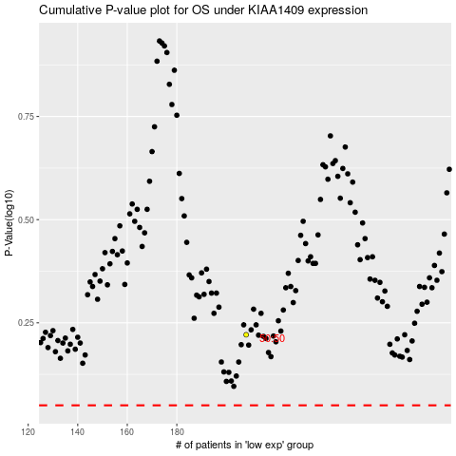

 |  |  |  |  |  | cases_OS | p_OS | rank | exp
 |  |  |  |  |  |  | cases_RFS | p_RFS | rank | exp

