KIAA1430 _multivariate
Reported by Tex Li-Hsing Chi. tex@gate.sinica.edu.tw 2019-08-18

Table 2. The clinicopathological features of HNSCC cohort and KIAA1430 expression. (Chi square test)
Cutoff at -0.061 (49.8%)
 |  | KIAA1430 expression |  | KIAA1430 expression |  | (Optimised)
 | Features | Low | (%) | High | (%) | Case no | P-value | Remark | Matthews
Gender | Female | 150 | 36.1 | 156 | 37.6 | 415 | 0.6344 | 0 | 0
2 | Male | 57 | 13.7 | 52 | 12.5
Age at diagnosis | <=65y | 140 | 33.7 | 134 | 32.3 | 415 | 0.5574 | 0 | 0
4 | >65y | 67 | 16.1 | 74 | 17.8
Clinical T Status | T1+T2 | 87 | 21 | 62 | 14.9 | 415 | 0.0127 | 1 | 0
6 | T3+T4 | 120 | 28.9 | 146 | 35.2
Clinical N Status | N0 | 113 | 27.2 | 103 | 24.8 | 415 | 0.3495 | 1 | 0
8 | N1-3 | 94 | 22.7 | 105 | 25.3
Clinical M Status | M0 | 204 | 49.2 | 208 | 50.1 | 415 | 0.1232 | 0 | 0
10 | M1 | 3 | 0.7 | 0 | 0
Clinical Stage | Stage I+II | 57 | 13.7 | 45 | 10.8 | 415 | 0.1998 | 0 | 0
12 | Stage III+IV | 150 | 36.1 | 163 | 39.3
Surgical Margin status | Negative | 157 | 37.8 | 161 | 38.8 | 415 | 0.729 | 0 | 0
14 | Positive | 50 | 12 | 47 | 11.3
Tobacco Exposure | Low | 89 | 21.4 | 72 | 17.3 | 415 | 0.0872 | 0 | 0
16 | High | 118 | 28.4 | 136 | 32.8

Table 3. Univariate/Multivariate Cox's proportional hazards regression analyses on OS time of KIAA1430 gene expression in HNSCC

 |  | Univariate |  |  |  | Multivariate
 | Features | HR | CI95%(L) | CI95%(H) | P-value | HR | CI95%(L) | CI95%(H) | P-value
1 | Female | 1 |  |  |  | 1
Gender | Male | 1.157 | 0.843 | 1.587 | 0.367 | 1.202 | 0.861 | 1.679 | 0.28
11 | <=65y | 1 |  |  |  | 1
Age at diagnosis | >65y | 1.329 | 0.99 | 1.784 | 0.058 | 1.39 | 1.023 | 1.89 | 0.036
12 | T1+T2 | 1 |  |  |  | 1
Clinical T Status | T3+T4 | 1.409 | 1.028 | 1.931 | 0.033 | 2.196 | 1.161 | 4.155 | 0.016
13 | N0 | 1 |  |  |  | 1
Clinical N Status | N1-3 | 1.185 | 0.89 | 1.577 | 0.246 | 1.239 | 0.868 | 1.769 | 0.237
14 | M0 | 1 |  |  |  | 1
Clinical M Status | M1 | 4.097 | 1.009 | 16.644 | 0.049 | 9.53 | 2.065 | 43.973 | 0.004
15 | Stage I+II | 1 |  |  |  | 1
Clinical Stage | Stage III+IV | 1.245 | 0.882 | 1.759 | 0.213 | 0.504 | 0.235 | 1.082 | 0.079
16 | Negative | 1 |  |  |  | 1
Surgical Margin status | Positive | 1.591 | 1.155 | 2.191 | 0.004 | 1.673 | 1.21 | 2.311 | 0.002
17 | Low | 1 |  |  |  | 1
Tobacco Exposure | High | 1.364 | 1.008 | 1.844 | 0.044 | 1.455 | 1.056 | 2.005 | 0.022
18 | Low | 1 |  |  |  | 1
RNAseq(z-score) | High | 1.041 | 0.781 | 1.386 | 0.785 | 1.028 | 0.767 | 1.376 | 0.856

Table 4. Univariate/Multivariate Cox's proportional hazards regression analyses on RFS time of KIAA1430 gene expression in HNSCC

 |  | Univariate |  |  |  | Multivariate
 | Features | HR | CI95%(L) | CI95%(H) | P-value | HR | CI95%(L) | CI95%(H) | P-value
1 | Female | 1 |  |  |  | 1
Gender | Male | 1.157 | 0.843 | 1.587 | 0.367 | 1.202 | 0.861 | 1.679 | 0.28
11 | <=65y | 1 |  |  |  | 1
Age at diagnosis | >65y | 1.329 | 0.99 | 1.784 | 0.058 | 1.39 | 1.023 | 1.89 | 0.036
12 | T1+T2 | 1 |  |  |  | 1
Clinical T Status | T3+T4 | 1.409 | 1.028 | 1.931 | 0.033 | 2.196 | 1.161 | 4.155 | 0.016
13 | N0 | 1 |  |  |  | 1
Clinical N Status | N1-3 | 1.185 | 0.89 | 1.577 | 0.246 | 1.239 | 0.868 | 1.769 | 0.237
14 | M0 | 1 |  |  |  | 1
Clinical M Status | M1 | 4.097 | 1.009 | 16.644 | 0.049 | 9.53 | 2.065 | 43.973 | 0.004
15 | Stage I+II | 1 |  |  |  | 1
Clinical Stage | Stage III+IV | 1.245 | 0.882 | 1.759 | 0.213 | 0.504 | 0.235 | 1.082 | 0.079
16 | Negative | 1 |  |  |  | 1
Surgical Margin status | Positive | 1.591 | 1.155 | 2.191 | 0.004 | 1.673 | 1.21 | 2.311 | 0.002
17 | Low | 1 |  |  |  | 1
Tobacco Exposure | High | 1.364 | 1.008 | 1.844 | 0.044 | 1.455 | 1.056 | 2.005 | 0.022
18 | Low | 1 |  |  |  | 1
RNAseq(z-score) | High | 1.041 | 0.781 | 1.386 | 0.785 | 1.028 | 0.767 | 1.376 | 0.856

Kaplan-Meier survival estimate: Cutoff at -0.061 (49.8%)



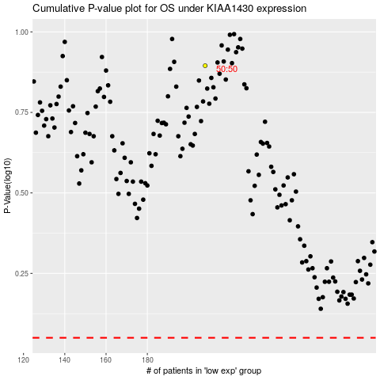

 |  |  |  |  |  | cases_OS | p_OS | rank | exp
 |  |  |  |  |  |  | cases_RFS | p_RFS | rank | exp

