KIAA1432 _multivariate
Reported by Tex Li-Hsing Chi. tex@gate.sinica.edu.tw 2019-08-18

Table 2. The clinicopathological features of HNSCC cohort and KIAA1432 expression. (Chi square test)
Cutoff at -0.156 (50.0%)
 |  | KIAA1432 expression |  | KIAA1432 expression |  | (Optimised)
 | Features | Low | (%) | High | (%) | Case no | P-value | Remark | Matthews
Gender | Female | 161 | 38.8 | 145 | 34.9 | 415 | 0.0792 | 0 | 0
2 | Male | 46 | 11.1 | 63 | 15.2
Age at diagnosis | <=65y | 146 | 35.2 | 128 | 30.8 | 415 | 0.0672 | 0 | 0
4 | >65y | 61 | 14.7 | 80 | 19.3
Clinical T Status | T1+T2 | 71 | 17.1 | 78 | 18.8 | 415 | 0.5638 | 0 | 0
6 | T3+T4 | 136 | 32.8 | 130 | 31.3
Clinical N Status | N0 | 106 | 25.5 | 110 | 26.5 | 415 | 0.8075 | 0 | 0
8 | N1-3 | 101 | 24.3 | 98 | 23.6
Clinical M Status | M0 | 205 | 49.4 | 207 | 49.9 | 415 | 0.6232 | 0 | 0
10 | M1 | 2 | 0.5 | 1 | 0.2
Clinical Stage | Stage I+II | 48 | 11.6 | 54 | 13 | 415 | 0.5878 | 0 | 0
12 | Stage III+IV | 159 | 38.3 | 154 | 37.1
Surgical Margin status | Negative | 157 | 37.8 | 161 | 38.8 | 415 | 0.729 | 0 | 0
14 | Positive | 50 | 12 | 47 | 11.3
Tobacco Exposure | Low | 64 | 15.4 | 97 | 23.4 | 415 | 0.0012 | 1 | 0
16 | High | 143 | 34.5 | 111 | 26.7

Table 3. Univariate/Multivariate Cox's proportional hazards regression analyses on OS time of KIAA1432 gene expression in HNSCC

 |  | Univariate |  |  |  | Multivariate
 | Features | HR | CI95%(L) | CI95%(H) | P-value | HR | CI95%(L) | CI95%(H) | P-value
1 | Female | 1 |  |  |  | 1
Gender | Male | 1.157 | 0.843 | 1.587 | 0.367 | 1.202 | 0.86 | 1.68 | 0.281
11 | <=65y | 1 |  |  |  | 1
Age at diagnosis | >65y | 1.329 | 0.99 | 1.784 | 0.058 | 1.391 | 1.023 | 1.891 | 0.035
12 | T1+T2 | 1 |  |  |  | 1
Clinical T Status | T3+T4 | 1.409 | 1.028 | 1.931 | 0.033 | 2.202 | 1.164 | 4.164 | 0.015
13 | N0 | 1 |  |  |  | 1
Clinical N Status | N1-3 | 1.185 | 0.89 | 1.577 | 0.246 | 1.24 | 0.869 | 1.77 | 0.235
14 | M0 | 1 |  |  |  | 1
Clinical M Status | M1 | 4.097 | 1.009 | 16.644 | 0.049 | 9.444 | 2.054 | 43.416 | 0.004
15 | Stage I+II | 1 |  |  |  | 1
Clinical Stage | Stage III+IV | 1.245 | 0.882 | 1.759 | 0.213 | 0.505 | 0.235 | 1.084 | 0.08
16 | Negative | 1 |  |  |  | 1
Surgical Margin status | Positive | 1.591 | 1.155 | 2.191 | 0.004 | 1.673 | 1.21 | 2.313 | 0.002
17 | Low | 1 |  |  |  | 1
Tobacco Exposure | High | 1.364 | 1.008 | 1.844 | 0.044 | 1.457 | 1.05 | 2.022 | 0.024
18 | Low | 1 |  |  |  | 1
RNAseq(z-score) | High | 0.925 | 0.694 | 1.232 | 0.592 | 1.013 | 0.753 | 1.361 | 0.933

Table 4. Univariate/Multivariate Cox's proportional hazards regression analyses on RFS time of KIAA1432 gene expression in HNSCC

 |  | Univariate |  |  |  | Multivariate
 | Features | HR | CI95%(L) | CI95%(H) | P-value | HR | CI95%(L) | CI95%(H) | P-value
1 | Female | 1 |  |  |  | 1
Gender | Male | 1.157 | 0.843 | 1.587 | 0.367 | 1.202 | 0.86 | 1.68 | 0.281
11 | <=65y | 1 |  |  |  | 1
Age at diagnosis | >65y | 1.329 | 0.99 | 1.784 | 0.058 | 1.391 | 1.023 | 1.891 | 0.035
12 | T1+T2 | 1 |  |  |  | 1
Clinical T Status | T3+T4 | 1.409 | 1.028 | 1.931 | 0.033 | 2.202 | 1.164 | 4.164 | 0.015
13 | N0 | 1 |  |  |  | 1
Clinical N Status | N1-3 | 1.185 | 0.89 | 1.577 | 0.246 | 1.24 | 0.869 | 1.77 | 0.235
14 | M0 | 1 |  |  |  | 1
Clinical M Status | M1 | 4.097 | 1.009 | 16.644 | 0.049 | 9.444 | 2.054 | 43.416 | 0.004
15 | Stage I+II | 1 |  |  |  | 1
Clinical Stage | Stage III+IV | 1.245 | 0.882 | 1.759 | 0.213 | 0.505 | 0.235 | 1.084 | 0.08
16 | Negative | 1 |  |  |  | 1
Surgical Margin status | Positive | 1.591 | 1.155 | 2.191 | 0.004 | 1.673 | 1.21 | 2.313 | 0.002
17 | Low | 1 |  |  |  | 1
Tobacco Exposure | High | 1.364 | 1.008 | 1.844 | 0.044 | 1.457 | 1.05 | 2.022 | 0.024
18 | Low | 1 |  |  |  | 1
RNAseq(z-score) | High | 0.925 | 0.694 | 1.232 | 0.592 | 1.013 | 0.753 | 1.361 | 0.933

Kaplan-Meier survival estimate: Cutoff at -0.156 (50.0%)



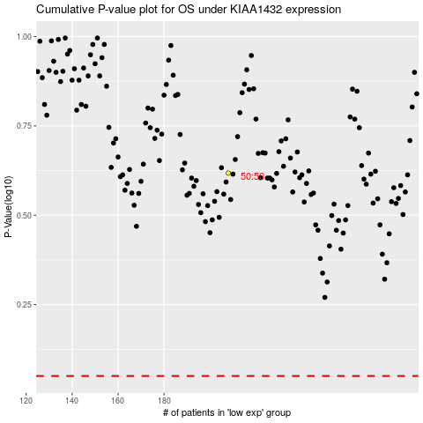

 |  |  |  |  |  | cases_OS | p_OS | rank | exp
 |  |  |  |  |  |  | cases_RFS | p_RFS | rank | exp

