KIAA1462 _multivariate
Reported by Tex Li-Hsing Chi. tex@gate.sinica.edu.tw 2019-08-18

Table 2. The clinicopathological features of HNSCC cohort and KIAA1462 expression. (Chi square test)
Cutoff at -0.265 (49.8%)
 |  | KIAA1462 expression |  | KIAA1462 expression |  | (Optimised)
 | Features | Low | (%) | High | (%) | Case no | P-value | Remark | Matthews
Gender | Female | 151 | 36.4 | 155 | 37.3 | 415 | 0.8007 | 0 | 0
2 | Male | 56 | 13.5 | 53 | 12.8
Age at diagnosis | <=65y | 143 | 34.5 | 131 | 31.6 | 415 | 0.2269 | 0 | 0
4 | >65y | 64 | 15.4 | 77 | 18.6
Clinical T Status | T1+T2 | 75 | 18.1 | 74 | 17.8 | 415 | 0.9707 | 0 | 0
6 | T3+T4 | 132 | 31.8 | 134 | 32.3
Clinical N Status | N0 | 105 | 25.3 | 111 | 26.7 | 415 | 0.6598 | 0 | 0
8 | N1-3 | 102 | 24.6 | 97 | 23.4
Clinical M Status | M0 | 204 | 49.2 | 208 | 50.1 | 415 | 0.1232 | 0 | 0
10 | M1 | 3 | 0.7 | 0 | 0
Clinical Stage | Stage I+II | 46 | 11.1 | 56 | 13.5 | 415 | 0.3182 | 0 | 0
12 | Stage III+IV | 161 | 38.8 | 152 | 36.6
Surgical Margin status | Negative | 157 | 37.8 | 161 | 38.8 | 415 | 0.729 | 0 | 0
14 | Positive | 50 | 12 | 47 | 11.3
Tobacco Exposure | Low | 84 | 20.2 | 77 | 18.6 | 415 | 0.4816 | 0 | 0
16 | High | 123 | 29.6 | 131 | 31.6

Table 3. Univariate/Multivariate Cox's proportional hazards regression analyses on OS time of KIAA1462 gene expression in HNSCC

 |  | Univariate |  |  |  | Multivariate
 | Features | HR | CI95%(L) | CI95%(H) | P-value | HR | CI95%(L) | CI95%(H) | P-value
1 | Female | 1 |  |  |  | 1
Gender | Male | 1.157 | 0.843 | 1.587 | 0.367 | 1.198 | 0.857 | 1.675 | 0.291
11 | <=65y | 1 |  |  |  | 1
Age at diagnosis | >65y | 1.329 | 0.99 | 1.784 | 0.058 | 1.395 | 1.026 | 1.897 | 0.034
12 | T1+T2 | 1 |  |  |  | 1
Clinical T Status | T3+T4 | 1.409 | 1.028 | 1.931 | 0.033 | 2.214 | 1.17 | 4.189 | 0.015
13 | N0 | 1 |  |  |  | 1
Clinical N Status | N1-3 | 1.185 | 0.89 | 1.577 | 0.246 | 1.241 | 0.87 | 1.77 | 0.234
14 | M0 | 1 |  |  |  | 1
Clinical M Status | M1 | 4.097 | 1.009 | 16.644 | 0.049 | 9.22 | 2.002 | 42.457 | 0.004
15 | Stage I+II | 1 |  |  |  | 1
Clinical Stage | Stage III+IV | 1.245 | 0.882 | 1.759 | 0.213 | 0.501 | 0.233 | 1.076 | 0.076
16 | Negative | 1 |  |  |  | 1
Surgical Margin status | Positive | 1.591 | 1.155 | 2.191 | 0.004 | 1.668 | 1.207 | 2.305 | 0.002
17 | Low | 1 |  |  |  | 1
Tobacco Exposure | High | 1.364 | 1.008 | 1.844 | 0.044 | 1.454 | 1.055 | 2.004 | 0.022
18 | Low | 1 |  |  |  | 1
RNAseq(z-score) | High | 0.934 | 0.701 | 1.245 | 0.644 | 0.952 | 0.712 | 1.274 | 0.742

Table 4. Univariate/Multivariate Cox's proportional hazards regression analyses on RFS time of KIAA1462 gene expression in HNSCC

 |  | Univariate |  |  |  | Multivariate
 | Features | HR | CI95%(L) | CI95%(H) | P-value | HR | CI95%(L) | CI95%(H) | P-value
1 | Female | 1 |  |  |  | 1
Gender | Male | 1.157 | 0.843 | 1.587 | 0.367 | 1.198 | 0.857 | 1.675 | 0.291
11 | <=65y | 1 |  |  |  | 1
Age at diagnosis | >65y | 1.329 | 0.99 | 1.784 | 0.058 | 1.395 | 1.026 | 1.897 | 0.034
12 | T1+T2 | 1 |  |  |  | 1
Clinical T Status | T3+T4 | 1.409 | 1.028 | 1.931 | 0.033 | 2.214 | 1.17 | 4.189 | 0.015
13 | N0 | 1 |  |  |  | 1
Clinical N Status | N1-3 | 1.185 | 0.89 | 1.577 | 0.246 | 1.241 | 0.87 | 1.77 | 0.234
14 | M0 | 1 |  |  |  | 1
Clinical M Status | M1 | 4.097 | 1.009 | 16.644 | 0.049 | 9.22 | 2.002 | 42.457 | 0.004
15 | Stage I+II | 1 |  |  |  | 1
Clinical Stage | Stage III+IV | 1.245 | 0.882 | 1.759 | 0.213 | 0.501 | 0.233 | 1.076 | 0.076
16 | Negative | 1 |  |  |  | 1
Surgical Margin status | Positive | 1.591 | 1.155 | 2.191 | 0.004 | 1.668 | 1.207 | 2.305 | 0.002
17 | Low | 1 |  |  |  | 1
Tobacco Exposure | High | 1.364 | 1.008 | 1.844 | 0.044 | 1.454 | 1.055 | 2.004 | 0.022
18 | Low | 1 |  |  |  | 1
RNAseq(z-score) | High | 0.934 | 0.701 | 1.245 | 0.644 | 0.952 | 0.712 | 1.274 | 0.742

Kaplan-Meier survival estimate: Cutoff at -0.265 (49.8%)



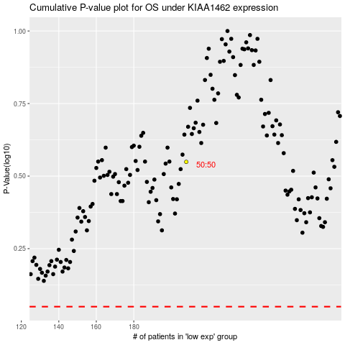

 |  |  |  |  |  | cases_OS | p_OS | rank | exp
 |  |  |  |  |  |  | cases_RFS | p_RFS | rank | exp

