KIAA1522 _multivariate
Reported by Tex Li-Hsing Chi. tex@gate.sinica.edu.tw 2019-08-18

Table 2. The clinicopathological features of HNSCC cohort and KIAA1522 expression. (Chi square test)
Cutoff at -0.243 (49.8%)
 |  | KIAA1522 expression |  | KIAA1522 expression |  | (Optimised)
 | Features | Low | (%) | High | (%) | Case no | P-value | Remark | Matthews
Gender | Female | 146 | 35.2 | 160 | 38.6 | 415 | 0.1714 | 0 | 0
2 | Male | 61 | 14.7 | 48 | 11.6
Age at diagnosis | <=65y | 129 | 31.1 | 145 | 34.9 | 415 | 0.1372 | 0 | 0
4 | >65y | 78 | 18.8 | 63 | 15.2
Clinical T Status | T1+T2 | 75 | 18.1 | 74 | 17.8 | 415 | 0.9707 | 0 | 0
6 | T3+T4 | 132 | 31.8 | 134 | 32.3
Clinical N Status | N0 | 111 | 26.7 | 105 | 25.3 | 415 | 0.5875 | 0 | 0
8 | N1-3 | 96 | 23.1 | 103 | 24.8
Clinical M Status | M0 | 207 | 49.9 | 205 | 49.4 | 415 | 0.2482 | 0 | 0
10 | M1 | 0 | 0 | 3 | 0.7
Clinical Stage | Stage I+II | 57 | 13.7 | 45 | 10.8 | 415 | 0.1998 | 0 | 0
12 | Stage III+IV | 150 | 36.1 | 163 | 39.3
Surgical Margin status | Negative | 147 | 35.4 | 171 | 41.2 | 415 | 0.0077 | 1 | 0
14 | Positive | 60 | 14.5 | 37 | 8.9
Tobacco Exposure | Low | 84 | 20.2 | 77 | 18.6 | 415 | 0.4816 | 0 | 0
16 | High | 123 | 29.6 | 131 | 31.6

Table 3. Univariate/Multivariate Cox's proportional hazards regression analyses on OS time of KIAA1522 gene expression in HNSCC

 |  | Univariate |  |  |  | Multivariate
 | Features | HR | CI95%(L) | CI95%(H) | P-value | HR | CI95%(L) | CI95%(H) | P-value
1 | Female | 1 |  |  |  | 1
Gender | Male | 1.157 | 0.843 | 1.587 | 0.367 | 1.185 | 0.847 | 1.658 | 0.321
11 | <=65y | 1 |  |  |  | 1
Age at diagnosis | >65y | 1.329 | 0.99 | 1.784 | 0.058 | 1.386 | 1.02 | 1.883 | 0.037
12 | T1+T2 | 1 |  |  |  | 1
Clinical T Status | T3+T4 | 1.409 | 1.028 | 1.931 | 0.033 | 2.149 | 1.136 | 4.067 | 0.019
13 | N0 | 1 |  |  |  | 1
Clinical N Status | N1-3 | 1.185 | 0.89 | 1.577 | 0.246 | 1.232 | 0.863 | 1.757 | 0.25
14 | M0 | 1 |  |  |  | 1
Clinical M Status | M1 | 4.097 | 1.009 | 16.644 | 0.049 | 10.037 | 2.181 | 46.194 | 0.003
15 | Stage I+II | 1 |  |  |  | 1
Clinical Stage | Stage III+IV | 1.245 | 0.882 | 1.759 | 0.213 | 0.531 | 0.246 | 1.145 | 0.106
16 | Negative | 1 |  |  |  | 1
Surgical Margin status | Positive | 1.591 | 1.155 | 2.191 | 0.004 | 1.617 | 1.165 | 2.244 | 0.004
17 | Low | 1 |  |  |  | 1
Tobacco Exposure | High | 1.364 | 1.008 | 1.844 | 0.044 | 1.474 | 1.069 | 2.034 | 0.018
18 | Low | 1 |  |  |  | 1
RNAseq(z-score) | High | 0.814 | 0.611 | 1.085 | 0.161 | 0.833 | 0.617 | 1.123 | 0.231

Table 4. Univariate/Multivariate Cox's proportional hazards regression analyses on RFS time of KIAA1522 gene expression in HNSCC

 |  | Univariate |  |  |  | Multivariate
 | Features | HR | CI95%(L) | CI95%(H) | P-value | HR | CI95%(L) | CI95%(H) | P-value
1 | Female | 1 |  |  |  | 1
Gender | Male | 1.157 | 0.843 | 1.587 | 0.367 | 1.185 | 0.847 | 1.658 | 0.321
11 | <=65y | 1 |  |  |  | 1
Age at diagnosis | >65y | 1.329 | 0.99 | 1.784 | 0.058 | 1.386 | 1.02 | 1.883 | 0.037
12 | T1+T2 | 1 |  |  |  | 1
Clinical T Status | T3+T4 | 1.409 | 1.028 | 1.931 | 0.033 | 2.149 | 1.136 | 4.067 | 0.019
13 | N0 | 1 |  |  |  | 1
Clinical N Status | N1-3 | 1.185 | 0.89 | 1.577 | 0.246 | 1.232 | 0.863 | 1.757 | 0.25
14 | M0 | 1 |  |  |  | 1
Clinical M Status | M1 | 4.097 | 1.009 | 16.644 | 0.049 | 10.037 | 2.181 | 46.194 | 0.003
15 | Stage I+II | 1 |  |  |  | 1
Clinical Stage | Stage III+IV | 1.245 | 0.882 | 1.759 | 0.213 | 0.531 | 0.246 | 1.145 | 0.106
16 | Negative | 1 |  |  |  | 1
Surgical Margin status | Positive | 1.591 | 1.155 | 2.191 | 0.004 | 1.617 | 1.165 | 2.244 | 0.004
17 | Low | 1 |  |  |  | 1
Tobacco Exposure | High | 1.364 | 1.008 | 1.844 | 0.044 | 1.474 | 1.069 | 2.034 | 0.018
18 | Low | 1 |  |  |  | 1
RNAseq(z-score) | High | 0.814 | 0.611 | 1.085 | 0.161 | 0.833 | 0.617 | 1.123 | 0.231

Kaplan-Meier survival estimate: Cutoff at -0.243 (49.8%)



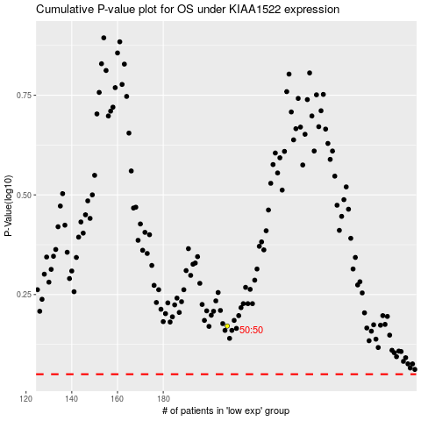

 |  |  |  |  |  | cases_OS | p_OS | rank | exp
 |  |  |  |  |  |  | cases_RFS | p_RFS | rank | exp

