KIAA1539 _multivariate
Reported by Tex Li-Hsing Chi. tex@gate.sinica.edu.tw 2019-08-18

Table 2. The clinicopathological features of HNSCC cohort and KIAA1539 expression. (Chi square test)
Cutoff at -0.215 (50.0%)
 |  | KIAA1539 expression |  | KIAA1539 expression |  | (Optimised)
 | Features | Low | (%) | High | (%) | Case no | P-value | Remark | Matthews
Gender | Female | 163 | 39.3 | 143 | 34.5 | 415 | 0.0277 | 1 | 0
2 | Male | 44 | 10.6 | 65 | 15.7
Age at diagnosis | <=65y | 144 | 34.7 | 130 | 31.3 | 415 | 0.1568 | 0 | 0
4 | >65y | 63 | 15.2 | 78 | 18.8
Clinical T Status | T1+T2 | 65 | 15.7 | 84 | 20.2 | 415 | 0.0711 | 0 | 0
6 | T3+T4 | 142 | 34.2 | 124 | 29.9
Clinical N Status | N0 | 103 | 24.8 | 113 | 27.2 | 415 | 0.4047 | 0 | 0
8 | N1-3 | 104 | 25.1 | 95 | 22.9
Clinical M Status | M0 | 206 | 49.6 | 206 | 49.6 | 415 | 1 | 0 | 0
10 | M1 | 1 | 0.2 | 2 | 0.5
Clinical Stage | Stage I+II | 39 | 9.4 | 63 | 15.2 | 415 | 0.0095 | 1 | 0
12 | Stage III+IV | 168 | 40.5 | 145 | 34.9
Surgical Margin status | Negative | 153 | 36.9 | 165 | 39.8 | 415 | 0.2036 | 0 | 0
14 | Positive | 54 | 13 | 43 | 10.4
Tobacco Exposure | Low | 59 | 14.2 | 102 | 24.6 | 415 | 0 | 1 | 0
16 | High | 148 | 35.7 | 106 | 25.5

Table 3. Univariate/Multivariate Cox's proportional hazards regression analyses on OS time of KIAA1539 gene expression in HNSCC

 |  | Univariate |  |  |  | Multivariate
 | Features | HR | CI95%(L) | CI95%(H) | P-value | HR | CI95%(L) | CI95%(H) | P-value
1 | Female | 1 |  |  |  | 1
Gender | Male | 1.157 | 0.843 | 1.587 | 0.367 | 1.211 | 0.866 | 1.694 | 0.264
11 | <=65y | 1 |  |  |  | 1
Age at diagnosis | >65y | 1.329 | 0.99 | 1.784 | 0.058 | 1.392 | 1.025 | 1.892 | 0.034
12 | T1+T2 | 1 |  |  |  | 1
Clinical T Status | T3+T4 | 1.409 | 1.028 | 1.931 | 0.033 | 2.217 | 1.172 | 4.193 | 0.014
13 | N0 | 1 |  |  |  | 1
Clinical N Status | N1-3 | 1.185 | 0.89 | 1.577 | 0.246 | 1.24 | 0.869 | 1.77 | 0.235
14 | M0 | 1 |  |  |  | 1
Clinical M Status | M1 | 4.097 | 1.009 | 16.644 | 0.049 | 9.749 | 2.114 | 44.962 | 0.004
15 | Stage I+II | 1 |  |  |  | 1
Clinical Stage | Stage III+IV | 1.245 | 0.882 | 1.759 | 0.213 | 0.494 | 0.229 | 1.064 | 0.072
16 | Negative | 1 |  |  |  | 1
Surgical Margin status | Positive | 1.591 | 1.155 | 2.191 | 0.004 | 1.67 | 1.208 | 2.307 | 0.002
17 | Low | 1 |  |  |  | 1
Tobacco Exposure | High | 1.364 | 1.008 | 1.844 | 0.044 | 1.434 | 1.037 | 1.983 | 0.029
18 | Low | 1 |  |  |  | 1
RNAseq(z-score) | High | 0.891 | 0.667 | 1.191 | 0.436 | 0.923 | 0.682 | 1.249 | 0.603

Table 4. Univariate/Multivariate Cox's proportional hazards regression analyses on RFS time of KIAA1539 gene expression in HNSCC

 |  | Univariate |  |  |  | Multivariate
 | Features | HR | CI95%(L) | CI95%(H) | P-value | HR | CI95%(L) | CI95%(H) | P-value
1 | Female | 1 |  |  |  | 1
Gender | Male | 1.157 | 0.843 | 1.587 | 0.367 | 1.211 | 0.866 | 1.694 | 0.264
11 | <=65y | 1 |  |  |  | 1
Age at diagnosis | >65y | 1.329 | 0.99 | 1.784 | 0.058 | 1.392 | 1.025 | 1.892 | 0.034
12 | T1+T2 | 1 |  |  |  | 1
Clinical T Status | T3+T4 | 1.409 | 1.028 | 1.931 | 0.033 | 2.217 | 1.172 | 4.193 | 0.014
13 | N0 | 1 |  |  |  | 1
Clinical N Status | N1-3 | 1.185 | 0.89 | 1.577 | 0.246 | 1.24 | 0.869 | 1.77 | 0.235
14 | M0 | 1 |  |  |  | 1
Clinical M Status | M1 | 4.097 | 1.009 | 16.644 | 0.049 | 9.749 | 2.114 | 44.962 | 0.004
15 | Stage I+II | 1 |  |  |  | 1
Clinical Stage | Stage III+IV | 1.245 | 0.882 | 1.759 | 0.213 | 0.494 | 0.229 | 1.064 | 0.072
16 | Negative | 1 |  |  |  | 1
Surgical Margin status | Positive | 1.591 | 1.155 | 2.191 | 0.004 | 1.67 | 1.208 | 2.307 | 0.002
17 | Low | 1 |  |  |  | 1
Tobacco Exposure | High | 1.364 | 1.008 | 1.844 | 0.044 | 1.434 | 1.037 | 1.983 | 0.029
18 | Low | 1 |  |  |  | 1
RNAseq(z-score) | High | 0.891 | 0.667 | 1.191 | 0.436 | 0.923 | 0.682 | 1.249 | 0.603

Kaplan-Meier survival estimate: Cutoff at -0.215 (50.0%)



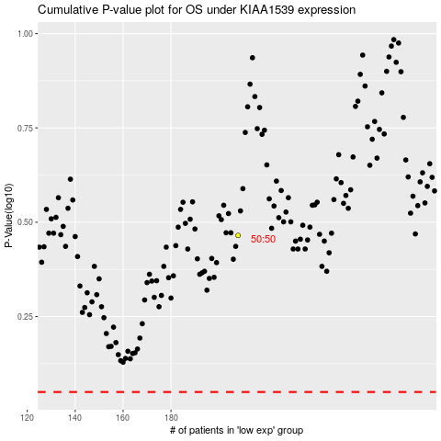

 |  |  |  |  |  | cases_OS | p_OS | rank | exp
 |  |  |  |  |  |  | cases_RFS | p_RFS | rank | exp

