KIAA1586 _multivariate
Reported by Tex Li-Hsing Chi. tex@gate.sinica.edu.tw 2019-08-18

Table 2. The clinicopathological features of HNSCC cohort and KIAA1586 expression. (Chi square test)
Cutoff at -0.104 (49.8%)
 |  | KIAA1586 expression |  | KIAA1586 expression |  | (Optimised)
 | Features | Low | (%) | High | (%) | Case no | P-value | Remark | Matthews
Gender | Female | 153 | 36.9 | 153 | 36.9 | 415 | 1 | 0 | 0
2 | Male | 54 | 13 | 55 | 13.3
Age at diagnosis | <=65y | 130 | 31.3 | 144 | 34.7 | 415 | 0.2009 | 0 | 0
4 | >65y | 77 | 18.6 | 64 | 15.4
Clinical T Status | T1+T2 | 74 | 17.8 | 75 | 18.1 | 415 | 1 | 0 | 0
6 | T3+T4 | 133 | 32 | 133 | 32
Clinical N Status | N0 | 106 | 25.5 | 110 | 26.5 | 415 | 0.8075 | 0 | 0
8 | N1-3 | 101 | 24.3 | 98 | 23.6
Clinical M Status | M0 | 205 | 49.4 | 207 | 49.9 | 415 | 0.6232 | 0 | 0
10 | M1 | 2 | 0.5 | 1 | 0.2
Clinical Stage | Stage I+II | 49 | 11.8 | 53 | 12.8 | 415 | 0.7535 | 0 | 0
12 | Stage III+IV | 158 | 38.1 | 155 | 37.3
Surgical Margin status | Negative | 166 | 40 | 152 | 36.6 | 415 | 0.1042 | 0 | 0
14 | Positive | 41 | 9.9 | 56 | 13.5
Tobacco Exposure | Low | 82 | 19.8 | 79 | 19 | 415 | 0.763 | 0 | 0
16 | High | 125 | 30.1 | 129 | 31.1

Table 3. Univariate/Multivariate Cox's proportional hazards regression analyses on OS time of KIAA1586 gene expression in HNSCC

 |  | Univariate |  |  |  | Multivariate
 | Features | HR | CI95%(L) | CI95%(H) | P-value | HR | CI95%(L) | CI95%(H) | P-value
1 | Female | 1 |  |  |  | 1
Gender | Male | 1.157 | 0.843 | 1.587 | 0.367 | 1.2 | 0.859 | 1.677 | 0.286
11 | <=65y | 1 |  |  |  | 1
Age at diagnosis | >65y | 1.329 | 0.99 | 1.784 | 0.058 | 1.377 | 1.007 | 1.883 | 0.045
12 | T1+T2 | 1 |  |  |  | 1
Clinical T Status | T3+T4 | 1.409 | 1.028 | 1.931 | 0.033 | 2.207 | 1.167 | 4.174 | 0.015
13 | N0 | 1 |  |  |  | 1
Clinical N Status | N1-3 | 1.185 | 0.89 | 1.577 | 0.246 | 1.234 | 0.864 | 1.763 | 0.248
14 | M0 | 1 |  |  |  | 1
Clinical M Status | M1 | 4.097 | 1.009 | 16.644 | 0.049 | 9.389 | 2.048 | 43.041 | 0.004
15 | Stage I+II | 1 |  |  |  | 1
Clinical Stage | Stage III+IV | 1.245 | 0.882 | 1.759 | 0.213 | 0.504 | 0.235 | 1.082 | 0.079
16 | Negative | 1 |  |  |  | 1
Surgical Margin status | Positive | 1.591 | 1.155 | 2.191 | 0.004 | 1.683 | 1.215 | 2.331 | 0.002
17 | Low | 1 |  |  |  | 1
Tobacco Exposure | High | 1.364 | 1.008 | 1.844 | 0.044 | 1.449 | 1.051 | 1.997 | 0.024
18 | Low | 1 |  |  |  | 1
RNAseq(z-score) | High | 0.932 | 0.699 | 1.242 | 0.63 | 0.949 | 0.706 | 1.276 | 0.731

Table 4. Univariate/Multivariate Cox's proportional hazards regression analyses on RFS time of KIAA1586 gene expression in HNSCC

 |  | Univariate |  |  |  | Multivariate
 | Features | HR | CI95%(L) | CI95%(H) | P-value | HR | CI95%(L) | CI95%(H) | P-value
1 | Female | 1 |  |  |  | 1
Gender | Male | 1.157 | 0.843 | 1.587 | 0.367 | 1.2 | 0.859 | 1.677 | 0.286
11 | <=65y | 1 |  |  |  | 1
Age at diagnosis | >65y | 1.329 | 0.99 | 1.784 | 0.058 | 1.377 | 1.007 | 1.883 | 0.045
12 | T1+T2 | 1 |  |  |  | 1
Clinical T Status | T3+T4 | 1.409 | 1.028 | 1.931 | 0.033 | 2.207 | 1.167 | 4.174 | 0.015
13 | N0 | 1 |  |  |  | 1
Clinical N Status | N1-3 | 1.185 | 0.89 | 1.577 | 0.246 | 1.234 | 0.864 | 1.763 | 0.248
14 | M0 | 1 |  |  |  | 1
Clinical M Status | M1 | 4.097 | 1.009 | 16.644 | 0.049 | 9.389 | 2.048 | 43.041 | 0.004
15 | Stage I+II | 1 |  |  |  | 1
Clinical Stage | Stage III+IV | 1.245 | 0.882 | 1.759 | 0.213 | 0.504 | 0.235 | 1.082 | 0.079
16 | Negative | 1 |  |  |  | 1
Surgical Margin status | Positive | 1.591 | 1.155 | 2.191 | 0.004 | 1.683 | 1.215 | 2.331 | 0.002
17 | Low | 1 |  |  |  | 1
Tobacco Exposure | High | 1.364 | 1.008 | 1.844 | 0.044 | 1.449 | 1.051 | 1.997 | 0.024
18 | Low | 1 |  |  |  | 1
RNAseq(z-score) | High | 0.932 | 0.699 | 1.242 | 0.63 | 0.949 | 0.706 | 1.276 | 0.731

Kaplan-Meier survival estimate: Cutoff at -0.104 (49.8%)



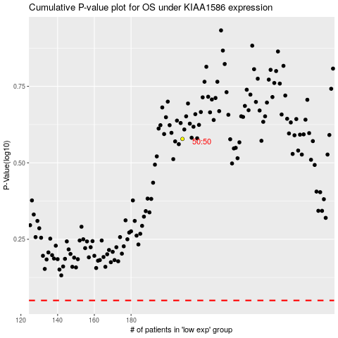

 |  |  |  |  |  | cases_OS | p_OS | rank | exp
 |  |  |  |  |  |  | cases_RFS | p_RFS | rank | exp

