KIAA1598 _multivariate
Reported by Tex Li-Hsing Chi. tex@gate.sinica.edu.tw 2019-08-18

Table 2. The clinicopathological features of HNSCC cohort and KIAA1598 expression. (Chi square test)
Cutoff at -0.096 (50.0%)
 |  | KIAA1598 expression |  | KIAA1598 expression |  | (Optimised)
 | Features | Low | (%) | High | (%) | Case no | P-value | Remark | Matthews
Gender | Female | 155 | 37.3 | 151 | 36.4 | 415 | 0.6768 | 0 | 0
2 | Male | 52 | 12.5 | 57 | 13.7
Age at diagnosis | <=65y | 134 | 32.3 | 140 | 33.7 | 415 | 0.6529 | 0 | 0
4 | >65y | 73 | 17.6 | 68 | 16.4
Clinical T Status | T1+T2 | 79 | 19 | 70 | 16.9 | 415 | 0.3924 | 0 | 0
6 | T3+T4 | 128 | 30.8 | 138 | 33.3
Clinical N Status | N0 | 101 | 24.3 | 115 | 27.7 | 415 | 0.2201 | 0 | 0
8 | N1-3 | 106 | 25.5 | 93 | 22.4
Clinical M Status | M0 | 205 | 49.4 | 207 | 49.9 | 415 | 0.6232 | 0 | 0
10 | M1 | 2 | 0.5 | 1 | 0.2
Clinical Stage | Stage I+II | 50 | 12 | 52 | 12.5 | 415 | 0.9315 | 0 | 0
12 | Stage III+IV | 157 | 37.8 | 156 | 37.6
Surgical Margin status | Negative | 163 | 39.3 | 155 | 37.3 | 415 | 0.3537 | 0 | 0
14 | Positive | 44 | 10.6 | 53 | 12.8
Tobacco Exposure | Low | 79 | 19 | 82 | 19.8 | 415 | 0.8405 | 0 | 0
16 | High | 128 | 30.8 | 126 | 30.4

Table 3. Univariate/Multivariate Cox's proportional hazards regression analyses on OS time of KIAA1598 gene expression in HNSCC

 |  | Univariate |  |  |  | Multivariate
 | Features | HR | CI95%(L) | CI95%(H) | P-value | HR | CI95%(L) | CI95%(H) | P-value
1 | Female | 1 |  |  |  | 1
Gender | Male | 1.157 | 0.843 | 1.587 | 0.367 | 1.183 | 0.847 | 1.653 | 0.323
11 | <=65y | 1 |  |  |  | 1
Age at diagnosis | >65y | 1.329 | 0.99 | 1.784 | 0.058 | 1.406 | 1.034 | 1.911 | 0.03
12 | T1+T2 | 1 |  |  |  | 1
Clinical T Status | T3+T4 | 1.409 | 1.028 | 1.931 | 0.033 | 2.225 | 1.176 | 4.209 | 0.014
13 | N0 | 1 |  |  |  | 1
Clinical N Status | N1-3 | 1.185 | 0.89 | 1.577 | 0.246 | 1.273 | 0.891 | 1.82 | 0.185
14 | M0 | 1 |  |  |  | 1
Clinical M Status | M1 | 4.097 | 1.009 | 16.644 | 0.049 | 10.106 | 2.198 | 46.477 | 0.003
15 | Stage I+II | 1 |  |  |  | 1
Clinical Stage | Stage III+IV | 1.245 | 0.882 | 1.759 | 0.213 | 0.485 | 0.225 | 1.043 | 0.064
16 | Negative | 1 |  |  |  | 1
Surgical Margin status | Positive | 1.591 | 1.155 | 2.191 | 0.004 | 1.659 | 1.2 | 2.293 | 0.002
17 | Low | 1 |  |  |  | 1
Tobacco Exposure | High | 1.364 | 1.008 | 1.844 | 0.044 | 1.458 | 1.059 | 2.007 | 0.021
18 | Low | 1 |  |  |  | 1
RNAseq(z-score) | High | 1.228 | 0.918 | 1.641 | 0.166 | 1.255 | 0.936 | 1.683 | 0.129

Table 4. Univariate/Multivariate Cox's proportional hazards regression analyses on RFS time of KIAA1598 gene expression in HNSCC

 |  | Univariate |  |  |  | Multivariate
 | Features | HR | CI95%(L) | CI95%(H) | P-value | HR | CI95%(L) | CI95%(H) | P-value
1 | Female | 1 |  |  |  | 1
Gender | Male | 1.157 | 0.843 | 1.587 | 0.367 | 1.183 | 0.847 | 1.653 | 0.323
11 | <=65y | 1 |  |  |  | 1
Age at diagnosis | >65y | 1.329 | 0.99 | 1.784 | 0.058 | 1.406 | 1.034 | 1.911 | 0.03
12 | T1+T2 | 1 |  |  |  | 1
Clinical T Status | T3+T4 | 1.409 | 1.028 | 1.931 | 0.033 | 2.225 | 1.176 | 4.209 | 0.014
13 | N0 | 1 |  |  |  | 1
Clinical N Status | N1-3 | 1.185 | 0.89 | 1.577 | 0.246 | 1.273 | 0.891 | 1.82 | 0.185
14 | M0 | 1 |  |  |  | 1
Clinical M Status | M1 | 4.097 | 1.009 | 16.644 | 0.049 | 10.106 | 2.198 | 46.477 | 0.003
15 | Stage I+II | 1 |  |  |  | 1
Clinical Stage | Stage III+IV | 1.245 | 0.882 | 1.759 | 0.213 | 0.485 | 0.225 | 1.043 | 0.064
16 | Negative | 1 |  |  |  | 1
Surgical Margin status | Positive | 1.591 | 1.155 | 2.191 | 0.004 | 1.659 | 1.2 | 2.293 | 0.002
17 | Low | 1 |  |  |  | 1
Tobacco Exposure | High | 1.364 | 1.008 | 1.844 | 0.044 | 1.458 | 1.059 | 2.007 | 0.021
18 | Low | 1 |  |  |  | 1
RNAseq(z-score) | High | 1.228 | 0.918 | 1.641 | 0.166 | 1.255 | 0.936 | 1.683 | 0.129

Kaplan-Meier survival estimate: Cutoff at -0.096 (50.0%)



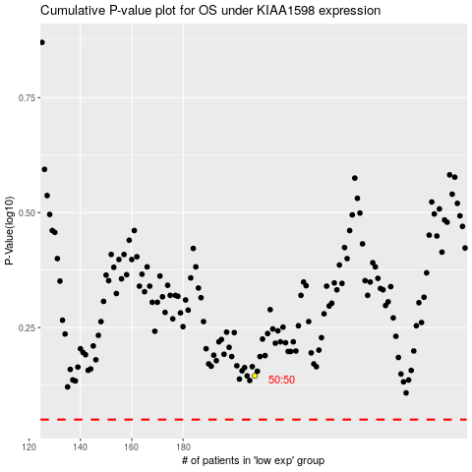

 |  |  |  |  |  | cases_OS | p_OS | rank | exp
 |  |  |  |  |  |  | cases_RFS | p_RFS | rank | exp

