KIAA1614 _multivariate
Reported by Tex Li-Hsing Chi. tex@gate.sinica.edu.tw 2019-08-18

Table 2. The clinicopathological features of HNSCC cohort and KIAA1614 expression. (Chi square test)
Cutoff at -0.187 (49.8%)
 |  | KIAA1614 expression |  | KIAA1614 expression |  | (Optimised)
 | Features | Low | (%) | High | (%) | Case no | P-value | Remark | Matthews
Gender | Female | 156 | 37.6 | 150 | 36.1 | 415 | 0.5222 | 0 | 0
2 | Male | 51 | 12.3 | 58 | 14
Age at diagnosis | <=65y | 130 | 31.3 | 144 | 34.7 | 415 | 0.2009 | 0 | 0
4 | >65y | 77 | 18.6 | 64 | 15.4
Clinical T Status | T1+T2 | 64 | 15.4 | 85 | 20.5 | 415 | 0.0445 | 1 | 0
6 | T3+T4 | 143 | 34.5 | 123 | 29.6
Clinical N Status | N0 | 105 | 25.3 | 111 | 26.7 | 415 | 0.6598 | 0 | 0
8 | N1-3 | 102 | 24.6 | 97 | 23.4
Clinical M Status | M0 | 205 | 49.4 | 207 | 49.9 | 415 | 0.6232 | 0 | 0
10 | M1 | 2 | 0.5 | 1 | 0.2
Clinical Stage | Stage I+II | 38 | 9.2 | 64 | 15.4 | 415 | 0.0048 | 1 | 0
12 | Stage III+IV | 169 | 40.7 | 144 | 34.7
Surgical Margin status | Negative | 155 | 37.3 | 163 | 39.3 | 415 | 0.4187 | 0 | 0
14 | Positive | 52 | 12.5 | 45 | 10.8
Tobacco Exposure | Low | 76 | 18.3 | 85 | 20.5 | 415 | 0.4207 | 0 | 0
16 | High | 131 | 31.6 | 123 | 29.6

Table 3. Univariate/Multivariate Cox's proportional hazards regression analyses on OS time of KIAA1614 gene expression in HNSCC

 |  | Univariate |  |  |  | Multivariate
 | Features | HR | CI95%(L) | CI95%(H) | P-value | HR | CI95%(L) | CI95%(H) | P-value
1 | Female | 1 |  |  |  | 1
Gender | Male | 1.157 | 0.843 | 1.587 | 0.367 | 1.193 | 0.853 | 1.668 | 0.302
11 | <=65y | 1 |  |  |  | 1
Age at diagnosis | >65y | 1.329 | 0.99 | 1.784 | 0.058 | 1.374 | 1.01 | 1.871 | 0.043
12 | T1+T2 | 1 |  |  |  | 1
Clinical T Status | T3+T4 | 1.409 | 1.028 | 1.931 | 0.033 | 2.233 | 1.181 | 4.225 | 0.013
13 | N0 | 1 |  |  |  | 1
Clinical N Status | N1-3 | 1.185 | 0.89 | 1.577 | 0.246 | 1.267 | 0.886 | 1.812 | 0.195
14 | M0 | 1 |  |  |  | 1
Clinical M Status | M1 | 4.097 | 1.009 | 16.644 | 0.049 | 9.362 | 2.042 | 42.914 | 0.004
15 | Stage I+II | 1 |  |  |  | 1
Clinical Stage | Stage III+IV | 1.245 | 0.882 | 1.759 | 0.213 | 0.479 | 0.221 | 1.035 | 0.061
16 | Negative | 1 |  |  |  | 1
Surgical Margin status | Positive | 1.591 | 1.155 | 2.191 | 0.004 | 1.677 | 1.214 | 2.318 | 0.002
17 | Low | 1 |  |  |  | 1
Tobacco Exposure | High | 1.364 | 1.008 | 1.844 | 0.044 | 1.445 | 1.048 | 1.994 | 0.025
18 | Low | 1 |  |  |  | 1
RNAseq(z-score) | High | 0.844 | 0.633 | 1.124 | 0.246 | 0.871 | 0.649 | 1.17 | 0.36

Table 4. Univariate/Multivariate Cox's proportional hazards regression analyses on RFS time of KIAA1614 gene expression in HNSCC

 |  | Univariate |  |  |  | Multivariate
 | Features | HR | CI95%(L) | CI95%(H) | P-value | HR | CI95%(L) | CI95%(H) | P-value
1 | Female | 1 |  |  |  | 1
Gender | Male | 1.157 | 0.843 | 1.587 | 0.367 | 1.193 | 0.853 | 1.668 | 0.302
11 | <=65y | 1 |  |  |  | 1
Age at diagnosis | >65y | 1.329 | 0.99 | 1.784 | 0.058 | 1.374 | 1.01 | 1.871 | 0.043
12 | T1+T2 | 1 |  |  |  | 1
Clinical T Status | T3+T4 | 1.409 | 1.028 | 1.931 | 0.033 | 2.233 | 1.181 | 4.225 | 0.013
13 | N0 | 1 |  |  |  | 1
Clinical N Status | N1-3 | 1.185 | 0.89 | 1.577 | 0.246 | 1.267 | 0.886 | 1.812 | 0.195
14 | M0 | 1 |  |  |  | 1
Clinical M Status | M1 | 4.097 | 1.009 | 16.644 | 0.049 | 9.362 | 2.042 | 42.914 | 0.004
15 | Stage I+II | 1 |  |  |  | 1
Clinical Stage | Stage III+IV | 1.245 | 0.882 | 1.759 | 0.213 | 0.479 | 0.221 | 1.035 | 0.061
16 | Negative | 1 |  |  |  | 1
Surgical Margin status | Positive | 1.591 | 1.155 | 2.191 | 0.004 | 1.677 | 1.214 | 2.318 | 0.002
17 | Low | 1 |  |  |  | 1
Tobacco Exposure | High | 1.364 | 1.008 | 1.844 | 0.044 | 1.445 | 1.048 | 1.994 | 0.025
18 | Low | 1 |  |  |  | 1
RNAseq(z-score) | High | 0.844 | 0.633 | 1.124 | 0.246 | 0.871 | 0.649 | 1.17 | 0.36

Kaplan-Meier survival estimate: Cutoff at -0.187 (49.8%)



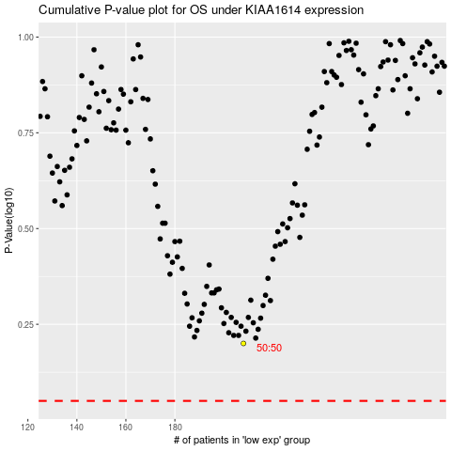

 |  |  |  |  |  | cases_OS | p_OS | rank | exp
 |  |  |  |  |  |  | cases_RFS | p_RFS | rank | exp

