KIAA1644 _multivariate
Reported by Tex Li-Hsing Chi. tex@gate.sinica.edu.tw 2019-08-18

Table 2. The clinicopathological features of HNSCC cohort and KIAA1644 expression. (Chi square test)
Cutoff at -0.277 (50.0%)
 |  | KIAA1644 expression |  | KIAA1644 expression |  | (Optimised)
 | Features | Low | (%) | High | (%) | Case no | P-value | Remark | Matthews
Gender | Female | 159 | 38.3 | 147 | 35.4 | 415 | 0.1905 | 0 | 0
2 | Male | 48 | 11.6 | 61 | 14.7
Age at diagnosis | <=65y | 135 | 32.5 | 139 | 33.5 | 415 | 0.8084 | 0 | 0
4 | >65y | 72 | 17.3 | 69 | 16.6
Clinical T Status | T1+T2 | 57 | 13.7 | 92 | 22.2 | 415 | 6e-04 | 1 | 0
6 | T3+T4 | 150 | 36.1 | 116 | 28
Clinical N Status | N0 | 103 | 24.8 | 113 | 27.2 | 415 | 0.4047 | 0 | 0
8 | N1-3 | 104 | 25.1 | 95 | 22.9
Clinical M Status | M0 | 206 | 49.6 | 206 | 49.6 | 415 | 1 | 0 | 0
10 | M1 | 1 | 0.2 | 2 | 0.5
Clinical Stage | Stage I+II | 31 | 7.5 | 71 | 17.1 | 415 | 0 | 1 | 0
12 | Stage III+IV | 176 | 42.4 | 137 | 33
Surgical Margin status | Negative | 148 | 35.7 | 170 | 41 | 415 | 0.015 | 1 | 0
14 | Positive | 59 | 14.2 | 38 | 9.2
Tobacco Exposure | Low | 74 | 17.8 | 87 | 21 | 415 | 0.227 | 0 | 0
16 | High | 133 | 32 | 121 | 29.2

Table 3. Univariate/Multivariate Cox's proportional hazards regression analyses on OS time of KIAA1644 gene expression in HNSCC

 |  | Univariate |  |  |  | Multivariate
 | Features | HR | CI95%(L) | CI95%(H) | P-value | HR | CI95%(L) | CI95%(H) | P-value
1 | Female | 1 |  |  |  | 1
Gender | Male | 1.157 | 0.843 | 1.587 | 0.367 | 1.213 | 0.867 | 1.697 | 0.26
11 | <=65y | 1 |  |  |  | 1
Age at diagnosis | >65y | 1.329 | 0.99 | 1.784 | 0.058 | 1.391 | 1.023 | 1.89 | 0.035
12 | T1+T2 | 1 |  |  |  | 1
Clinical T Status | T3+T4 | 1.409 | 1.028 | 1.931 | 0.033 | 2.216 | 1.171 | 4.191 | 0.014
13 | N0 | 1 |  |  |  | 1
Clinical N Status | N1-3 | 1.185 | 0.89 | 1.577 | 0.246 | 1.25 | 0.875 | 1.785 | 0.22
14 | M0 | 1 |  |  |  | 1
Clinical M Status | M1 | 4.097 | 1.009 | 16.644 | 0.049 | 9.771 | 2.12 | 45.037 | 0.003
15 | Stage I+II | 1 |  |  |  | 1
Clinical Stage | Stage III+IV | 1.245 | 0.882 | 1.759 | 0.213 | 0.486 | 0.224 | 1.054 | 0.068
16 | Negative | 1 |  |  |  | 1
Surgical Margin status | Positive | 1.591 | 1.155 | 2.191 | 0.004 | 1.66 | 1.2 | 2.297 | 0.002
17 | Low | 1 |  |  |  | 1
Tobacco Exposure | High | 1.364 | 1.008 | 1.844 | 0.044 | 1.45 | 1.052 | 1.997 | 0.023
18 | Low | 1 |  |  |  | 1
RNAseq(z-score) | High | 0.885 | 0.664 | 1.179 | 0.402 | 0.914 | 0.676 | 1.235 | 0.558

Table 4. Univariate/Multivariate Cox's proportional hazards regression analyses on RFS time of KIAA1644 gene expression in HNSCC

 |  | Univariate |  |  |  | Multivariate
 | Features | HR | CI95%(L) | CI95%(H) | P-value | HR | CI95%(L) | CI95%(H) | P-value
1 | Female | 1 |  |  |  | 1
Gender | Male | 1.157 | 0.843 | 1.587 | 0.367 | 1.213 | 0.867 | 1.697 | 0.26
11 | <=65y | 1 |  |  |  | 1
Age at diagnosis | >65y | 1.329 | 0.99 | 1.784 | 0.058 | 1.391 | 1.023 | 1.89 | 0.035
12 | T1+T2 | 1 |  |  |  | 1
Clinical T Status | T3+T4 | 1.409 | 1.028 | 1.931 | 0.033 | 2.216 | 1.171 | 4.191 | 0.014
13 | N0 | 1 |  |  |  | 1
Clinical N Status | N1-3 | 1.185 | 0.89 | 1.577 | 0.246 | 1.25 | 0.875 | 1.785 | 0.22
14 | M0 | 1 |  |  |  | 1
Clinical M Status | M1 | 4.097 | 1.009 | 16.644 | 0.049 | 9.771 | 2.12 | 45.037 | 0.003
15 | Stage I+II | 1 |  |  |  | 1
Clinical Stage | Stage III+IV | 1.245 | 0.882 | 1.759 | 0.213 | 0.486 | 0.224 | 1.054 | 0.068
16 | Negative | 1 |  |  |  | 1
Surgical Margin status | Positive | 1.591 | 1.155 | 2.191 | 0.004 | 1.66 | 1.2 | 2.297 | 0.002
17 | Low | 1 |  |  |  | 1
Tobacco Exposure | High | 1.364 | 1.008 | 1.844 | 0.044 | 1.45 | 1.052 | 1.997 | 0.023
18 | Low | 1 |  |  |  | 1
RNAseq(z-score) | High | 0.885 | 0.664 | 1.179 | 0.402 | 0.914 | 0.676 | 1.235 | 0.558

Kaplan-Meier survival estimate: Cutoff at -0.277 (50.0%)



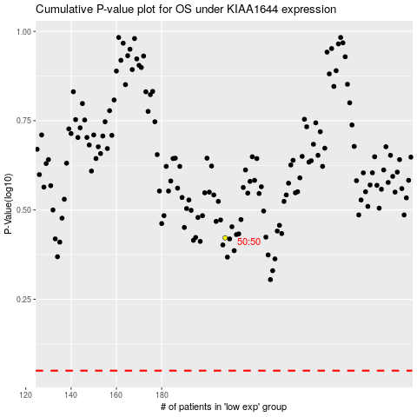

 |  |  |  |  |  | cases_OS | p_OS | rank | exp
 |  |  |  |  |  |  | cases_RFS | p_RFS | rank | exp

