KIAA1671 _multivariate
Reported by Tex Li-Hsing Chi. tex@gate.sinica.edu.tw 2019-08-18

Table 2. The clinicopathological features of HNSCC cohort and KIAA1671 expression. (Chi square test)
Cutoff at -0.236 (50.0%)
 |  | KIAA1671 expression |  | KIAA1671 expression |  | (Optimised)
 | Features | Low | (%) | High | (%) | Case no | P-value | Remark | Matthews
Gender | Female | 143 | 34.5 | 163 | 39.3 | 415 | 0.0416 | 1 | 0
2 | Male | 64 | 15.4 | 45 | 10.8
Age at diagnosis | <=65y | 136 | 32.8 | 138 | 33.3 | 415 | 0.9719 | 0 | 0
4 | >65y | 71 | 17.1 | 70 | 16.9
Clinical T Status | T1+T2 | 82 | 19.8 | 67 | 16.1 | 415 | 0.1417 | 0 | 0
6 | T3+T4 | 125 | 30.1 | 141 | 34
Clinical N Status | N0 | 108 | 26 | 108 | 26 | 415 | 1 | 0 | 0
8 | N1-3 | 99 | 23.9 | 100 | 24.1
Clinical M Status | M0 | 204 | 49.2 | 208 | 50.1 | 415 | 0.1232 | 0 | 0
10 | M1 | 3 | 0.7 | 0 | 0
Clinical Stage | Stage I+II | 60 | 14.5 | 42 | 10.1 | 415 | 0.0493 | 1 | 0
12 | Stage III+IV | 147 | 35.4 | 166 | 40
Surgical Margin status | Negative | 155 | 37.3 | 163 | 39.3 | 415 | 0.4187 | 0 | 0
14 | Positive | 52 | 12.5 | 45 | 10.8
Tobacco Exposure | Low | 86 | 20.7 | 75 | 18.1 | 415 | 0.2687 | 0 | 0
16 | High | 121 | 29.2 | 133 | 32

Table 3. Univariate/Multivariate Cox's proportional hazards regression analyses on OS time of KIAA1671 gene expression in HNSCC

 |  | Univariate |  |  |  | Multivariate
 | Features | HR | CI95%(L) | CI95%(H) | P-value | HR | CI95%(L) | CI95%(H) | P-value
1 | Female | 1 |  |  |  | 1
Gender | Male | 1.157 | 0.843 | 1.587 | 0.367 | 1.186 | 0.846 | 1.663 | 0.322
11 | <=65y | 1 |  |  |  | 1
Age at diagnosis | >65y | 1.329 | 0.99 | 1.784 | 0.058 | 1.387 | 1.02 | 1.886 | 0.037
12 | T1+T2 | 1 |  |  |  | 1
Clinical T Status | T3+T4 | 1.409 | 1.028 | 1.931 | 0.033 | 2.191 | 1.159 | 4.145 | 0.016
13 | N0 | 1 |  |  |  | 1
Clinical N Status | N1-3 | 1.185 | 0.89 | 1.577 | 0.246 | 1.227 | 0.858 | 1.755 | 0.263
14 | M0 | 1 |  |  |  | 1
Clinical M Status | M1 | 4.097 | 1.009 | 16.644 | 0.049 | 8.968 | 1.936 | 41.537 | 0.005
15 | Stage I+II | 1 |  |  |  | 1
Clinical Stage | Stage III+IV | 1.245 | 0.882 | 1.759 | 0.213 | 0.517 | 0.24 | 1.115 | 0.093
16 | Negative | 1 |  |  |  | 1
Surgical Margin status | Positive | 1.591 | 1.155 | 2.191 | 0.004 | 1.657 | 1.197 | 2.293 | 0.002
17 | Low | 1 |  |  |  | 1
Tobacco Exposure | High | 1.364 | 1.008 | 1.844 | 0.044 | 1.452 | 1.054 | 2.001 | 0.022
18 | Low | 1 |  |  |  | 1
RNAseq(z-score) | High | 0.867 | 0.649 | 1.157 | 0.332 | 0.923 | 0.683 | 1.249 | 0.605

Table 4. Univariate/Multivariate Cox's proportional hazards regression analyses on RFS time of KIAA1671 gene expression in HNSCC

 |  | Univariate |  |  |  | Multivariate
 | Features | HR | CI95%(L) | CI95%(H) | P-value | HR | CI95%(L) | CI95%(H) | P-value
1 | Female | 1 |  |  |  | 1
Gender | Male | 1.157 | 0.843 | 1.587 | 0.367 | 1.186 | 0.846 | 1.663 | 0.322
11 | <=65y | 1 |  |  |  | 1
Age at diagnosis | >65y | 1.329 | 0.99 | 1.784 | 0.058 | 1.387 | 1.02 | 1.886 | 0.037
12 | T1+T2 | 1 |  |  |  | 1
Clinical T Status | T3+T4 | 1.409 | 1.028 | 1.931 | 0.033 | 2.191 | 1.159 | 4.145 | 0.016
13 | N0 | 1 |  |  |  | 1
Clinical N Status | N1-3 | 1.185 | 0.89 | 1.577 | 0.246 | 1.227 | 0.858 | 1.755 | 0.263
14 | M0 | 1 |  |  |  | 1
Clinical M Status | M1 | 4.097 | 1.009 | 16.644 | 0.049 | 8.968 | 1.936 | 41.537 | 0.005
15 | Stage I+II | 1 |  |  |  | 1
Clinical Stage | Stage III+IV | 1.245 | 0.882 | 1.759 | 0.213 | 0.517 | 0.24 | 1.115 | 0.093
16 | Negative | 1 |  |  |  | 1
Surgical Margin status | Positive | 1.591 | 1.155 | 2.191 | 0.004 | 1.657 | 1.197 | 2.293 | 0.002
17 | Low | 1 |  |  |  | 1
Tobacco Exposure | High | 1.364 | 1.008 | 1.844 | 0.044 | 1.452 | 1.054 | 2.001 | 0.022
18 | Low | 1 |  |  |  | 1
RNAseq(z-score) | High | 0.867 | 0.649 | 1.157 | 0.332 | 0.923 | 0.683 | 1.249 | 0.605

Kaplan-Meier survival estimate: Cutoff at -0.236 (50.0%)



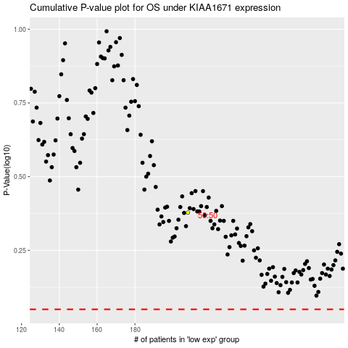

 |  |  |  |  |  | cases_OS | p_OS | rank | exp
 |  |  |  |  |  |  | cases_RFS | p_RFS | rank | exp

